TM7SF3 _multivariate
Reported by Tex Li-Hsing Chi. tex@gate.sinica.edu.tw 2019-08-15

Table 2. The clinicopathological features of HNSCC cohort and TM7SF3 expression. (Chi square test)
Cutoff at -0.287 (49.8%)
 |  | TM7SF3 expression |  | TM7SF3 expression |  | (Optimised)
 | Features | Low | (%) | High | (%) | Case no | P-value | Remark | Matthews
Gender | Female | 154 | 37.1 | 152 | 36.6 | 415 | 0.8463 | 0 | 0
2 | Male | 53 | 12.8 | 56 | 13.5
Age at diagnosis | <=65y | 136 | 32.8 | 138 | 33.3 | 415 | 0.9719 | 0 | 0
4 | >65y | 71 | 17.1 | 70 | 16.9
Clinical T Status | T1+T2 | 77 | 18.6 | 72 | 17.3 | 415 | 0.6556 | 0 | 0
6 | T3+T4 | 130 | 31.3 | 136 | 32.8
Clinical N Status | N0 | 105 | 25.3 | 111 | 26.7 | 415 | 0.6598 | 0 | 0
8 | N1-3 | 102 | 24.6 | 97 | 23.4
Clinical M Status | M0 | 205 | 49.4 | 207 | 49.9 | 415 | 0.6232 | 0 | 0
10 | M1 | 2 | 0.5 | 1 | 0.2
Clinical Stage | Stage I+II | 53 | 12.8 | 49 | 11.8 | 415 | 0.7113 | 0 | 0
12 | Stage III+IV | 154 | 37.1 | 159 | 38.3
Surgical Margin status | Negative | 158 | 38.1 | 160 | 38.6 | 415 | 0.9081 | 0 | 0
14 | Positive | 49 | 11.8 | 48 | 11.6
Tobacco Exposure | Low | 83 | 20 | 78 | 18.8 | 415 | 0.6152 | 0 | 0
16 | High | 124 | 29.9 | 130 | 31.3

Table 3. Univariate/Multivariate Cox's proportional hazards regression analyses on OS time of TM7SF3 gene expression in HNSCC

 |  | Univariate |  |  |  | Multivariate
 | Features | HR | CI95%(L) | CI95%(H) | P-value | HR | CI95%(L) | CI95%(H) | P-value
1 | Female | 1 |  |  |  | 1
Gender | Male | 1.157 | 0.843 | 1.587 | 0.367 | 1.202 | 0.86 | 1.679 | 0.282
11 | <=65y | 1 |  |  |  | 1
Age at diagnosis | >65y | 1.329 | 0.99 | 1.784 | 0.058 | 1.391 | 1.023 | 1.891 | 0.036
12 | T1+T2 | 1 |  |  |  | 1
Clinical T Status | T3+T4 | 1.409 | 1.028 | 1.931 | 0.033 | 2.199 | 1.162 | 4.16 | 0.015
13 | N0 | 1 |  |  |  | 1
Clinical N Status | N1-3 | 1.185 | 0.89 | 1.577 | 0.246 | 1.24 | 0.868 | 1.77 | 0.237
14 | M0 | 1 |  |  |  | 1
Clinical M Status | M1 | 4.097 | 1.009 | 16.644 | 0.049 | 9.381 | 2.045 | 43.039 | 0.004
15 | Stage I+II | 1 |  |  |  | 1
Clinical Stage | Stage III+IV | 1.245 | 0.882 | 1.759 | 0.213 | 0.506 | 0.235 | 1.089 | 0.081
16 | Negative | 1 |  |  |  | 1
Surgical Margin status | Positive | 1.591 | 1.155 | 2.191 | 0.004 | 1.669 | 1.206 | 2.309 | 0.002
17 | Low | 1 |  |  |  | 1
Tobacco Exposure | High | 1.364 | 1.008 | 1.844 | 0.044 | 1.454 | 1.055 | 2.005 | 0.022
18 | Low | 1 |  |  |  | 1
RNAseq(z-score) | High | 0.969 | 0.727 | 1.291 | 0.829 | 0.985 | 0.737 | 1.317 | 0.92

Table 4. Univariate/Multivariate Cox's proportional hazards regression analyses on RFS time of TM7SF3 gene expression in HNSCC

 |  | Univariate |  |  |  | Multivariate
 | Features | HR | CI95%(L) | CI95%(H) | P-value | HR | CI95%(L) | CI95%(H) | P-value
1 | Female | 1 |  |  |  | 1
Gender | Male | 1.157 | 0.843 | 1.587 | 0.367 | 1.202 | 0.86 | 1.679 | 0.282
11 | <=65y | 1 |  |  |  | 1
Age at diagnosis | >65y | 1.329 | 0.99 | 1.784 | 0.058 | 1.391 | 1.023 | 1.891 | 0.036
12 | T1+T2 | 1 |  |  |  | 1
Clinical T Status | T3+T4 | 1.409 | 1.028 | 1.931 | 0.033 | 2.199 | 1.162 | 4.16 | 0.015
13 | N0 | 1 |  |  |  | 1
Clinical N Status | N1-3 | 1.185 | 0.89 | 1.577 | 0.246 | 1.24 | 0.868 | 1.77 | 0.237
14 | M0 | 1 |  |  |  | 1
Clinical M Status | M1 | 4.097 | 1.009 | 16.644 | 0.049 | 9.381 | 2.045 | 43.039 | 0.004
15 | Stage I+II | 1 |  |  |  | 1
Clinical Stage | Stage III+IV | 1.245 | 0.882 | 1.759 | 0.213 | 0.506 | 0.235 | 1.089 | 0.081
16 | Negative | 1 |  |  |  | 1
Surgical Margin status | Positive | 1.591 | 1.155 | 2.191 | 0.004 | 1.669 | 1.206 | 2.309 | 0.002
17 | Low | 1 |  |  |  | 1
Tobacco Exposure | High | 1.364 | 1.008 | 1.844 | 0.044 | 1.454 | 1.055 | 2.005 | 0.022
18 | Low | 1 |  |  |  | 1
RNAseq(z-score) | High | 0.969 | 0.727 | 1.291 | 0.829 | 0.985 | 0.737 | 1.317 | 0.92

Kaplan-Meier survival estimate: Cutoff at -0.287 (49.8%)



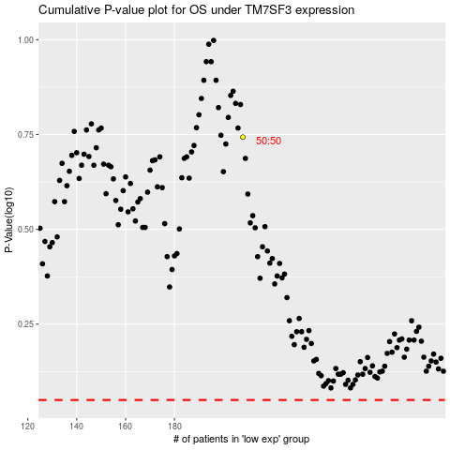

 |  |  |  |  |  | cases_OS | p_OS | rank | exp
 |  |  |  |  |  |  | cases_RFS | p_RFS | rank | exp

