TM7SF4 _multivariate
Reported by Tex Li-Hsing Chi. tex@gate.sinica.edu.tw 2019-08-15

Table 2. The clinicopathological features of HNSCC cohort and TM7SF4 expression. (Chi square test)
Cutoff at -0.262 (49.8%)
 |  | TM7SF4 expression |  | TM7SF4 expression |  | (Optimised)
 | Features | Low | (%) | High | (%) | Case no | P-value | Remark | Matthews
Gender | Female | 158 | 38.1 | 148 | 35.7 | 415 | 0.2774 | 0 | 0
2 | Male | 49 | 11.8 | 60 | 14.5
Age at diagnosis | <=65y | 152 | 36.6 | 122 | 29.4 | 415 | 0.0021 | 1 | 0
4 | >65y | 55 | 13.3 | 86 | 20.7
Clinical T Status | T1+T2 | 80 | 19.3 | 69 | 16.6 | 415 | 0.2891 | 0 | 0
6 | T3+T4 | 127 | 30.6 | 139 | 33.5
Clinical N Status | N0 | 115 | 27.7 | 101 | 24.3 | 415 | 0.184 | 1 | 0
8 | N1-3 | 92 | 22.2 | 107 | 25.8
Clinical M Status | M0 | 207 | 49.9 | 205 | 49.4 | 415 | 0.2482 | 0 | 0
10 | M1 | 0 | 0 | 3 | 0.7
Clinical Stage | Stage I+II | 58 | 14 | 44 | 10.6 | 415 | 0.131 | 0 | 0
12 | Stage III+IV | 149 | 35.9 | 164 | 39.5
Surgical Margin status | Negative | 159 | 38.3 | 159 | 38.3 | 415 | 1 | 0 | 0
14 | Positive | 48 | 11.6 | 49 | 11.8
Tobacco Exposure | Low | 76 | 18.3 | 85 | 20.5 | 415 | 0.4207 | 0 | 0
16 | High | 131 | 31.6 | 123 | 29.6

Table 3. Univariate/Multivariate Cox's proportional hazards regression analyses on OS time of TM7SF4 gene expression in HNSCC

 |  | Univariate |  |  |  | Multivariate
 | Features | HR | CI95%(L) | CI95%(H) | P-value | HR | CI95%(L) | CI95%(H) | P-value
1 | Female | 1 |  |  |  | 1
Gender | Male | 1.157 | 0.843 | 1.587 | 0.367 | 1.202 | 0.861 | 1.679 | 0.28
11 | <=65y | 1 |  |  |  | 1
Age at diagnosis | >65y | 1.329 | 0.99 | 1.784 | 0.058 | 1.38 | 1.011 | 1.882 | 0.042
12 | T1+T2 | 1 |  |  |  | 1
Clinical T Status | T3+T4 | 1.409 | 1.028 | 1.931 | 0.033 | 2.186 | 1.155 | 4.138 | 0.016
13 | N0 | 1 |  |  |  | 1
Clinical N Status | N1-3 | 1.185 | 0.89 | 1.577 | 0.246 | 1.233 | 0.862 | 1.762 | 0.251
14 | M0 | 1 |  |  |  | 1
Clinical M Status | M1 | 4.097 | 1.009 | 16.644 | 0.049 | 9.121 | 1.972 | 42.187 | 0.005
15 | Stage I+II | 1 |  |  |  | 1
Clinical Stage | Stage III+IV | 1.245 | 0.882 | 1.759 | 0.213 | 0.507 | 0.236 | 1.089 | 0.082
16 | Negative | 1 |  |  |  | 1
Surgical Margin status | Positive | 1.591 | 1.155 | 2.191 | 0.004 | 1.671 | 1.21 | 2.31 | 0.002
17 | Low | 1 |  |  |  | 1
Tobacco Exposure | High | 1.364 | 1.008 | 1.844 | 0.044 | 1.455 | 1.056 | 2.005 | 0.022
18 | Low | 1 |  |  |  | 1
RNAseq(z-score) | High | 1.149 | 0.862 | 1.533 | 0.344 | 1.056 | 0.786 | 1.418 | 0.719

Table 4. Univariate/Multivariate Cox's proportional hazards regression analyses on RFS time of TM7SF4 gene expression in HNSCC

 |  | Univariate |  |  |  | Multivariate
 | Features | HR | CI95%(L) | CI95%(H) | P-value | HR | CI95%(L) | CI95%(H) | P-value
1 | Female | 1 |  |  |  | 1
Gender | Male | 1.157 | 0.843 | 1.587 | 0.367 | 1.202 | 0.861 | 1.679 | 0.28
11 | <=65y | 1 |  |  |  | 1
Age at diagnosis | >65y | 1.329 | 0.99 | 1.784 | 0.058 | 1.38 | 1.011 | 1.882 | 0.042
12 | T1+T2 | 1 |  |  |  | 1
Clinical T Status | T3+T4 | 1.409 | 1.028 | 1.931 | 0.033 | 2.186 | 1.155 | 4.138 | 0.016
13 | N0 | 1 |  |  |  | 1
Clinical N Status | N1-3 | 1.185 | 0.89 | 1.577 | 0.246 | 1.233 | 0.862 | 1.762 | 0.251
14 | M0 | 1 |  |  |  | 1
Clinical M Status | M1 | 4.097 | 1.009 | 16.644 | 0.049 | 9.121 | 1.972 | 42.187 | 0.005
15 | Stage I+II | 1 |  |  |  | 1
Clinical Stage | Stage III+IV | 1.245 | 0.882 | 1.759 | 0.213 | 0.507 | 0.236 | 1.089 | 0.082
16 | Negative | 1 |  |  |  | 1
Surgical Margin status | Positive | 1.591 | 1.155 | 2.191 | 0.004 | 1.671 | 1.21 | 2.31 | 0.002
17 | Low | 1 |  |  |  | 1
Tobacco Exposure | High | 1.364 | 1.008 | 1.844 | 0.044 | 1.455 | 1.056 | 2.005 | 0.022
18 | Low | 1 |  |  |  | 1
RNAseq(z-score) | High | 1.149 | 0.862 | 1.533 | 0.344 | 1.056 | 0.786 | 1.418 | 0.719

Kaplan-Meier survival estimate: Cutoff at -0.262 (49.8%)



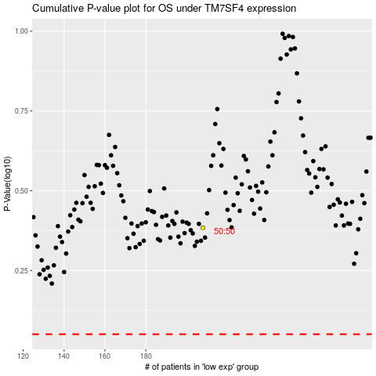

 |  |  |  |  |  | cases_OS | p_OS | rank | exp
 |  |  |  |  |  |  | cases_RFS | p_RFS | rank | exp

