TM9SF3 _multivariate
Reported by Tex Li-Hsing Chi. tex@gate.sinica.edu.tw 2019-08-15

Table 2. The clinicopathological features of HNSCC cohort and TM9SF3 expression. (Chi square test)
Cutoff at 0.103 (58.0%)
 |  | TM9SF3 expression |  | TM9SF3 expression |  | (Optimised)
 | Features | Low | (%) | High | (%) | Case no | P-value | Remark | Matthews
Gender | Female | 180 | 43.4 | 126 | 30.4 | 415 | 0.5667 | 0 | 0
2 | Male | 60 | 14.5 | 49 | 11.8
Age at diagnosis | <=65y | 161 | 38.8 | 113 | 27.2 | 415 | 0.6682 | 0 | 0
4 | >65y | 79 | 19 | 62 | 14.9
Clinical T Status | T1+T2 | 96 | 23.1 | 53 | 12.8 | 415 | 0.0532 | 0 | 0
6 | T3+T4 | 144 | 34.7 | 122 | 29.4
Clinical N Status | N0 | 130 | 31.3 | 86 | 20.7 | 415 | 0.3617 | 0 | 0
8 | N1-3 | 110 | 26.5 | 89 | 21.4
Clinical M Status | M0 | 237 | 57.1 | 175 | 42.2 | 415 | 0.2666 | 0 | 0
10 | M1 | 3 | 0.7 | 0 | 0
Clinical Stage | Stage I+II | 61 | 14.7 | 41 | 9.9 | 415 | 0.727 | 0 | 0
12 | Stage III+IV | 179 | 43.1 | 134 | 32.3
Surgical Margin status | Negative | 189 | 45.5 | 129 | 31.1 | 415 | 0.242 | 0 | 0
14 | Positive | 51 | 12.3 | 46 | 11.1
Tobacco Exposure | Low | 95 | 22.9 | 66 | 15.9 | 415 | 0.7597 | 0 | 0
16 | High | 145 | 34.9 | 109 | 26.3

Table 3. Univariate/Multivariate Cox's proportional hazards regression analyses on OS time of TM9SF3 gene expression in HNSCC

 |  | Univariate |  |  |  | Multivariate
 | Features | HR | CI95%(L) | CI95%(H) | P-value | HR | CI95%(L) | CI95%(H) | P-value
1 | Female | 1 |  |  |  | 1
Gender | Male | 1.157 | 0.843 | 1.587 | 0.367 | 1.181 | 0.847 | 1.646 | 0.327
11 | <=65y | 1 |  |  |  | 1
Age at diagnosis | >65y | 1.329 | 0.99 | 1.784 | 0.058 | 1.386 | 1.019 | 1.885 | 0.037
12 | T1+T2 | 1 |  |  |  | 1
Clinical T Status | T3+T4 | 1.409 | 1.028 | 1.931 | 0.033 | 2.098 | 1.107 | 3.978 | 0.023
13 | N0 | 1 |  |  |  | 1
Clinical N Status | N1-3 | 1.185 | 0.89 | 1.577 | 0.246 | 1.205 | 0.844 | 1.722 | 0.305
14 | M0 | 1 |  |  |  | 1
Clinical M Status | M1 | 4.097 | 1.009 | 16.644 | 0.049 | 10.287 | 2.236 | 47.32 | 0.003
15 | Stage I+II | 1 |  |  |  | 1
Clinical Stage | Stage III+IV | 1.245 | 0.882 | 1.759 | 0.213 | 0.539 | 0.25 | 1.161 | 0.114
16 | Negative | 1 |  |  |  | 1
Surgical Margin status | Positive | 1.591 | 1.155 | 2.191 | 0.004 | 1.674 | 1.211 | 2.314 | 0.002
17 | Low | 1 |  |  |  | 1
Tobacco Exposure | High | 1.364 | 1.008 | 1.844 | 0.044 | 1.455 | 1.057 | 2.002 | 0.021
18 | Low | 1 |  |  |  | 1
RNAseq(z-score) | High | 1.356 | 1.014 | 1.813 | 0.04 | 1.326 | 0.987 | 1.781 | 0.061

Table 4. Univariate/Multivariate Cox's proportional hazards regression analyses on RFS time of TM9SF3 gene expression in HNSCC

 |  | Univariate |  |  |  | Multivariate
 | Features | HR | CI95%(L) | CI95%(H) | P-value | HR | CI95%(L) | CI95%(H) | P-value
1 | Female | 1 |  |  |  | 1
Gender | Male | 1.157 | 0.843 | 1.587 | 0.367 | 1.181 | 0.847 | 1.646 | 0.327
11 | <=65y | 1 |  |  |  | 1
Age at diagnosis | >65y | 1.329 | 0.99 | 1.784 | 0.058 | 1.386 | 1.019 | 1.885 | 0.037
12 | T1+T2 | 1 |  |  |  | 1
Clinical T Status | T3+T4 | 1.409 | 1.028 | 1.931 | 0.033 | 2.098 | 1.107 | 3.978 | 0.023
13 | N0 | 1 |  |  |  | 1
Clinical N Status | N1-3 | 1.185 | 0.89 | 1.577 | 0.246 | 1.205 | 0.844 | 1.722 | 0.305
14 | M0 | 1 |  |  |  | 1
Clinical M Status | M1 | 4.097 | 1.009 | 16.644 | 0.049 | 10.287 | 2.236 | 47.32 | 0.003
15 | Stage I+II | 1 |  |  |  | 1
Clinical Stage | Stage III+IV | 1.245 | 0.882 | 1.759 | 0.213 | 0.539 | 0.25 | 1.161 | 0.114
16 | Negative | 1 |  |  |  | 1
Surgical Margin status | Positive | 1.591 | 1.155 | 2.191 | 0.004 | 1.674 | 1.211 | 2.314 | 0.002
17 | Low | 1 |  |  |  | 1
Tobacco Exposure | High | 1.364 | 1.008 | 1.844 | 0.044 | 1.455 | 1.057 | 2.002 | 0.021
18 | Low | 1 |  |  |  | 1
RNAseq(z-score) | High | 1.356 | 1.014 | 1.813 | 0.04 | 1.326 | 0.987 | 1.781 | 0.061

Kaplan-Meier survival estimate: Cutoff at 0.103 (58.0%)



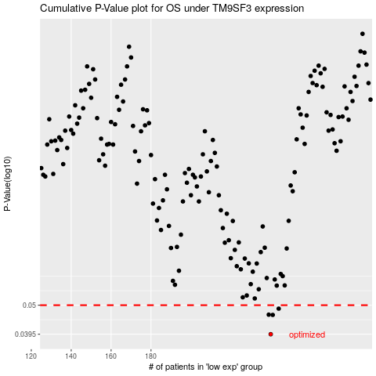

 |  |  |  |  |  | cases_OS | p_OS | rank | exp
 |  |  |  |  |  | 240 | 0.0395 | 273 | 0.10311443122
 |  |  |  |  |  | 241 | 0.0462 | 68 | 0.10457822554
 |  |  |  |  |  | 239 | 0.0463 | 171 | 0.10284159306
 |  |  |  |  |  | 244 | 0.0486 | 67 | 0.1463470654
 |  |  |  |  |  |  | cases_RFS | p_RFS | rank | exp
 |  |  |  |  |  |  | 239 | 0.0395 | 171 | 0.10284159306
 |  |  |  |  |  |  | 240 | 0.0462 | 273 | 0.10311443122
 |  |  |  |  |  |  | 238 | 0.0463 | 255 | 0.10159046336
 |  |  |  |  |  |  | 243 | 0.0486 | 392 | 0.14341493375

