TM9SF4 _multivariate
Reported by Tex Li-Hsing Chi. tex@gate.sinica.edu.tw 2019-08-15

Table 2. The clinicopathological features of HNSCC cohort and TM9SF4 expression. (Chi square test)
Cutoff at -0.18 (49.8%)
 |  | TM9SF4 expression |  | TM9SF4 expression |  | (Optimised)
 | Features | Low | (%) | High | (%) | Case no | P-value | Remark | Matthews
Gender | Female | 149 | 35.9 | 157 | 37.8 | 415 | 0.4848 | 0 | 0
2 | Male | 58 | 14 | 51 | 12.3
Age at diagnosis | <=65y | 131 | 31.6 | 143 | 34.5 | 415 | 0.2839 | 0 | 0
4 | >65y | 76 | 18.3 | 65 | 15.7
Clinical T Status | T1+T2 | 79 | 19 | 70 | 16.9 | 415 | 0.3924 | 0 | 0
6 | T3+T4 | 128 | 30.8 | 138 | 33.3
Clinical N Status | N0 | 107 | 25.8 | 109 | 26.3 | 415 | 0.9624 | 0 | 0
8 | N1-3 | 100 | 24.1 | 99 | 23.9
Clinical M Status | M0 | 206 | 49.6 | 206 | 49.6 | 415 | 1 | 0 | 0
10 | M1 | 1 | 0.2 | 2 | 0.5
Clinical Stage | Stage I+II | 52 | 12.5 | 50 | 12 | 415 | 0.8871 | 0 | 0
12 | Stage III+IV | 155 | 37.3 | 158 | 38.1
Surgical Margin status | Negative | 154 | 37.1 | 164 | 39.5 | 415 | 0.2984 | 0 | 0
14 | Positive | 53 | 12.8 | 44 | 10.6
Tobacco Exposure | Low | 75 | 18.1 | 86 | 20.7 | 415 | 0.3141 | 0 | 0
16 | High | 132 | 31.8 | 122 | 29.4

Table 3. Univariate/Multivariate Cox's proportional hazards regression analyses on OS time of TM9SF4 gene expression in HNSCC

 |  | Univariate |  |  |  | Multivariate
 | Features | HR | CI95%(L) | CI95%(H) | P-value | HR | CI95%(L) | CI95%(H) | P-value
1 | Female | 1 |  |  |  | 1
Gender | Male | 1.157 | 0.843 | 1.587 | 0.367 | 1.197 | 0.856 | 1.674 | 0.293
11 | <=65y | 1 |  |  |  | 1
Age at diagnosis | >65y | 1.329 | 0.99 | 1.784 | 0.058 | 1.39 | 1.022 | 1.89 | 0.036
12 | T1+T2 | 1 |  |  |  | 1
Clinical T Status | T3+T4 | 1.409 | 1.028 | 1.931 | 0.033 | 2.206 | 1.166 | 4.171 | 0.015
13 | N0 | 1 |  |  |  | 1
Clinical N Status | N1-3 | 1.185 | 0.89 | 1.577 | 0.246 | 1.241 | 0.87 | 1.771 | 0.233
14 | M0 | 1 |  |  |  | 1
Clinical M Status | M1 | 4.097 | 1.009 | 16.644 | 0.049 | 9.451 | 2.061 | 43.336 | 0.004
15 | Stage I+II | 1 |  |  |  | 1
Clinical Stage | Stage III+IV | 1.245 | 0.882 | 1.759 | 0.213 | 0.504 | 0.235 | 1.083 | 0.079
16 | Negative | 1 |  |  |  | 1
Surgical Margin status | Positive | 1.591 | 1.155 | 2.191 | 0.004 | 1.668 | 1.207 | 2.306 | 0.002
17 | Low | 1 |  |  |  | 1
Tobacco Exposure | High | 1.364 | 1.008 | 1.844 | 0.044 | 1.45 | 1.052 | 1.999 | 0.023
18 | Low | 1 |  |  |  | 1
RNAseq(z-score) | High | 0.934 | 0.7 | 1.245 | 0.64 | 0.956 | 0.716 | 1.276 | 0.759

Table 4. Univariate/Multivariate Cox's proportional hazards regression analyses on RFS time of TM9SF4 gene expression in HNSCC

 |  | Univariate |  |  |  | Multivariate
 | Features | HR | CI95%(L) | CI95%(H) | P-value | HR | CI95%(L) | CI95%(H) | P-value
1 | Female | 1 |  |  |  | 1
Gender | Male | 1.157 | 0.843 | 1.587 | 0.367 | 1.197 | 0.856 | 1.674 | 0.293
11 | <=65y | 1 |  |  |  | 1
Age at diagnosis | >65y | 1.329 | 0.99 | 1.784 | 0.058 | 1.39 | 1.022 | 1.89 | 0.036
12 | T1+T2 | 1 |  |  |  | 1
Clinical T Status | T3+T4 | 1.409 | 1.028 | 1.931 | 0.033 | 2.206 | 1.166 | 4.171 | 0.015
13 | N0 | 1 |  |  |  | 1
Clinical N Status | N1-3 | 1.185 | 0.89 | 1.577 | 0.246 | 1.241 | 0.87 | 1.771 | 0.233
14 | M0 | 1 |  |  |  | 1
Clinical M Status | M1 | 4.097 | 1.009 | 16.644 | 0.049 | 9.451 | 2.061 | 43.336 | 0.004
15 | Stage I+II | 1 |  |  |  | 1
Clinical Stage | Stage III+IV | 1.245 | 0.882 | 1.759 | 0.213 | 0.504 | 0.235 | 1.083 | 0.079
16 | Negative | 1 |  |  |  | 1
Surgical Margin status | Positive | 1.591 | 1.155 | 2.191 | 0.004 | 1.668 | 1.207 | 2.306 | 0.002
17 | Low | 1 |  |  |  | 1
Tobacco Exposure | High | 1.364 | 1.008 | 1.844 | 0.044 | 1.45 | 1.052 | 1.999 | 0.023
18 | Low | 1 |  |  |  | 1
RNAseq(z-score) | High | 0.934 | 0.7 | 1.245 | 0.64 | 0.956 | 0.716 | 1.276 | 0.759

Kaplan-Meier survival estimate: Cutoff at -0.18 (49.8%)



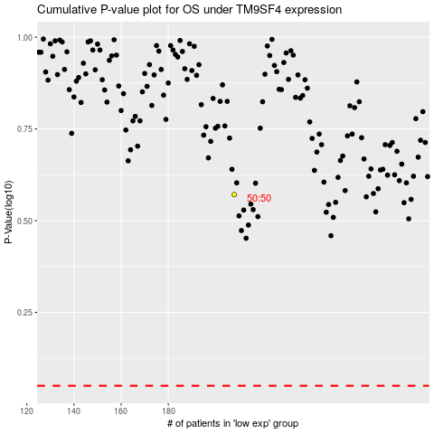

 |  |  |  |  |  | cases_OS | p_OS | rank | exp
 |  |  |  |  |  |  | cases_RFS | p_RFS | rank | exp

