TMC4 _multivariate
Reported by Tex Li-Hsing Chi. tex@gate.sinica.edu.tw 2019-08-15

Table 2. The clinicopathological features of HNSCC cohort and TMC4 expression. (Chi square test)
Cutoff at -0.409 (49.8%)
 |  | TMC4 expression |  | TMC4 expression |  | (Optimised)
 | Features | Low | (%) | High | (%) | Case no | P-value | Remark | Matthews
Gender | Female | 141 | 34 | 165 | 39.8 | 415 | 0.013 | 1 | 0
2 | Male | 66 | 15.9 | 43 | 10.4
Age at diagnosis | <=65y | 137 | 33 | 137 | 33 | 415 | 1 | 0 | 0
4 | >65y | 70 | 16.9 | 71 | 17.1
Clinical T Status | T1+T2 | 84 | 20.2 | 65 | 15.7 | 415 | 0.0603 | 0 | 0
6 | T3+T4 | 123 | 29.6 | 143 | 34.5
Clinical N Status | N0 | 113 | 27.2 | 103 | 24.8 | 415 | 0.3495 | 1 | 0
8 | N1-3 | 94 | 22.7 | 105 | 25.3
Clinical M Status | M0 | 206 | 49.6 | 206 | 49.6 | 415 | 1 | 0 | 0
10 | M1 | 1 | 0.2 | 2 | 0.5
Clinical Stage | Stage I+II | 64 | 15.4 | 38 | 9.2 | 415 | 0.004 | 1 | 0
12 | Stage III+IV | 143 | 34.5 | 170 | 41
Surgical Margin status | Negative | 162 | 39 | 156 | 37.6 | 415 | 0.4867 | 0 | 0
14 | Positive | 45 | 10.8 | 52 | 12.5
Tobacco Exposure | Low | 92 | 22.2 | 69 | 16.6 | 415 | 0.0206 | 1 | 0
16 | High | 115 | 27.7 | 139 | 33.5

Table 3. Univariate/Multivariate Cox's proportional hazards regression analyses on OS time of TMC4 gene expression in HNSCC

 |  | Univariate |  |  |  | Multivariate
 | Features | HR | CI95%(L) | CI95%(H) | P-value | HR | CI95%(L) | CI95%(H) | P-value
1 | Female | 1 |  |  |  | 1
Gender | Male | 1.157 | 0.843 | 1.587 | 0.367 | 1.185 | 0.846 | 1.659 | 0.323
11 | <=65y | 1 |  |  |  | 1
Age at diagnosis | >65y | 1.329 | 0.99 | 1.784 | 0.058 | 1.39 | 1.022 | 1.889 | 0.036
12 | T1+T2 | 1 |  |  |  | 1
Clinical T Status | T3+T4 | 1.409 | 1.028 | 1.931 | 0.033 | 2.19 | 1.159 | 4.14 | 0.016
13 | N0 | 1 |  |  |  | 1
Clinical N Status | N1-3 | 1.185 | 0.89 | 1.577 | 0.246 | 1.24 | 0.869 | 1.768 | 0.235
14 | M0 | 1 |  |  |  | 1
Clinical M Status | M1 | 4.097 | 1.009 | 16.644 | 0.049 | 9.403 | 2.052 | 43.095 | 0.004
15 | Stage I+II | 1 |  |  |  | 1
Clinical Stage | Stage III+IV | 1.245 | 0.882 | 1.759 | 0.213 | 0.519 | 0.241 | 1.117 | 0.093
16 | Negative | 1 |  |  |  | 1
Surgical Margin status | Positive | 1.591 | 1.155 | 2.191 | 0.004 | 1.66 | 1.201 | 2.295 | 0.002
17 | Low | 1 |  |  |  | 1
Tobacco Exposure | High | 1.364 | 1.008 | 1.844 | 0.044 | 1.476 | 1.068 | 2.041 | 0.018
18 | Low | 1 |  |  |  | 1
RNAseq(z-score) | High | 0.934 | 0.701 | 1.244 | 0.64 | 0.895 | 0.664 | 1.208 | 0.469

Table 4. Univariate/Multivariate Cox's proportional hazards regression analyses on RFS time of TMC4 gene expression in HNSCC

 |  | Univariate |  |  |  | Multivariate
 | Features | HR | CI95%(L) | CI95%(H) | P-value | HR | CI95%(L) | CI95%(H) | P-value
1 | Female | 1 |  |  |  | 1
Gender | Male | 1.157 | 0.843 | 1.587 | 0.367 | 1.185 | 0.846 | 1.659 | 0.323
11 | <=65y | 1 |  |  |  | 1
Age at diagnosis | >65y | 1.329 | 0.99 | 1.784 | 0.058 | 1.39 | 1.022 | 1.889 | 0.036
12 | T1+T2 | 1 |  |  |  | 1
Clinical T Status | T3+T4 | 1.409 | 1.028 | 1.931 | 0.033 | 2.19 | 1.159 | 4.14 | 0.016
13 | N0 | 1 |  |  |  | 1
Clinical N Status | N1-3 | 1.185 | 0.89 | 1.577 | 0.246 | 1.24 | 0.869 | 1.768 | 0.235
14 | M0 | 1 |  |  |  | 1
Clinical M Status | M1 | 4.097 | 1.009 | 16.644 | 0.049 | 9.403 | 2.052 | 43.095 | 0.004
15 | Stage I+II | 1 |  |  |  | 1
Clinical Stage | Stage III+IV | 1.245 | 0.882 | 1.759 | 0.213 | 0.519 | 0.241 | 1.117 | 0.093
16 | Negative | 1 |  |  |  | 1
Surgical Margin status | Positive | 1.591 | 1.155 | 2.191 | 0.004 | 1.66 | 1.201 | 2.295 | 0.002
17 | Low | 1 |  |  |  | 1
Tobacco Exposure | High | 1.364 | 1.008 | 1.844 | 0.044 | 1.476 | 1.068 | 2.041 | 0.018
18 | Low | 1 |  |  |  | 1
RNAseq(z-score) | High | 0.934 | 0.701 | 1.244 | 0.64 | 0.895 | 0.664 | 1.208 | 0.469

Kaplan-Meier survival estimate: Cutoff at -0.409 (49.8%)



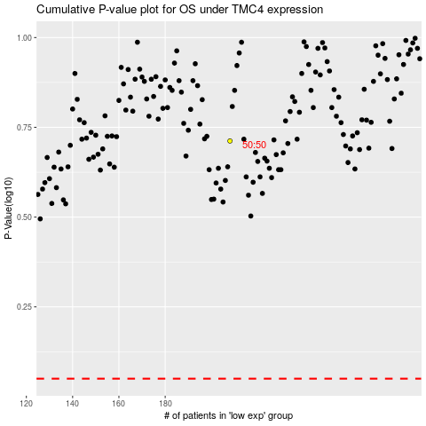

 |  |  |  |  |  | cases_OS | p_OS | rank | exp
 |  |  |  |  |  |  | cases_RFS | p_RFS | rank | exp

