TMC7 _multivariate
Reported by Tex Li-Hsing Chi. tex@gate.sinica.edu.tw 2019-08-15

Table 2. The clinicopathological features of HNSCC cohort and TMC7 expression. (Chi square test)
Cutoff at -0.456 (31.2%)
 |  | TMC7 expression |  | TMC7 expression |  | (Optimised)
 | Features | Low | (%) | High | (%) | Case no | P-value | Remark | Matthews
Gender | Female | 97 | 23.4 | 209 | 50.4 | 415 | 0.7391 | 0 | 0
2 | Male | 32 | 7.7 | 77 | 18.6
Age at diagnosis | <=65y | 83 | 20 | 191 | 46 | 415 | 0.7083 | 0 | 0
4 | >65y | 46 | 11.1 | 95 | 22.9
Clinical T Status | T1+T2 | 50 | 12 | 99 | 23.9 | 415 | 0.4814 | 0 | 0
6 | T3+T4 | 79 | 19 | 187 | 45.1
Clinical N Status | N0 | 65 | 15.7 | 151 | 36.4 | 415 | 0.7274 | 0 | 0
8 | N1-3 | 64 | 15.4 | 135 | 32.5
Clinical M Status | M0 | 129 | 31.1 | 283 | 68.2 | 415 | 0.5554 | 0 | 0
10 | M1 | 0 | 0 | 3 | 0.7
Clinical Stage | Stage I+II | 28 | 6.7 | 74 | 17.8 | 415 | 0.4297 | 0 | 0
12 | Stage III+IV | 101 | 24.3 | 212 | 51.1
Surgical Margin status | Negative | 97 | 23.4 | 221 | 53.3 | 415 | 0.7071 | 0 | 0
14 | Positive | 32 | 7.7 | 65 | 15.7
Tobacco Exposure | Low | 51 | 12.3 | 110 | 26.5 | 415 | 0.9134 | 0 | 0
16 | High | 78 | 18.8 | 176 | 42.4

Table 3. Univariate/Multivariate Cox's proportional hazards regression analyses on OS time of TMC7 gene expression in HNSCC

 |  | Univariate |  |  |  | Multivariate
 | Features | HR | CI95%(L) | CI95%(H) | P-value | HR | CI95%(L) | CI95%(H) | P-value
1 | Female | 1 |  |  |  | 1
Gender | Male | 1.157 | 0.843 | 1.587 | 0.367 | 1.17 | 0.836 | 1.637 | 0.361
11 | <=65y | 1 |  |  |  | 1
Age at diagnosis | >65y | 1.329 | 0.99 | 1.784 | 0.058 | 1.428 | 1.05 | 1.941 | 0.023
12 | T1+T2 | 1 |  |  |  | 1
Clinical T Status | T3+T4 | 1.409 | 1.028 | 1.931 | 0.033 | 2.005 | 1.056 | 3.807 | 0.033
13 | N0 | 1 |  |  |  | 1
Clinical N Status | N1-3 | 1.185 | 0.89 | 1.577 | 0.246 | 1.248 | 0.876 | 1.779 | 0.22
14 | M0 | 1 |  |  |  | 1
Clinical M Status | M1 | 4.097 | 1.009 | 16.644 | 0.049 | 7.495 | 1.624 | 34.589 | 0.01
15 | Stage I+II | 1 |  |  |  | 1
Clinical Stage | Stage III+IV | 1.245 | 0.882 | 1.759 | 0.213 | 0.57 | 0.264 | 1.229 | 0.151
16 | Negative | 1 |  |  |  | 1
Surgical Margin status | Positive | 1.591 | 1.155 | 2.191 | 0.004 | 1.662 | 1.203 | 2.295 | 0.002
17 | Low | 1 |  |  |  | 1
Tobacco Exposure | High | 1.364 | 1.008 | 1.844 | 0.044 | 1.389 | 1.006 | 1.919 | 0.046
18 | Low | 1 |  |  |  | 1
RNAseq(z-score) | High | 1.653 | 1.188 | 2.301 | 0.003 | 1.58 | 1.129 | 2.211 | 0.008

Table 4. Univariate/Multivariate Cox's proportional hazards regression analyses on RFS time of TMC7 gene expression in HNSCC

 |  | Univariate |  |  |  | Multivariate
 | Features | HR | CI95%(L) | CI95%(H) | P-value | HR | CI95%(L) | CI95%(H) | P-value
1 | Female | 1 |  |  |  | 1
Gender | Male | 1.157 | 0.843 | 1.587 | 0.367 | 1.17 | 0.836 | 1.637 | 0.361
11 | <=65y | 1 |  |  |  | 1
Age at diagnosis | >65y | 1.329 | 0.99 | 1.784 | 0.058 | 1.428 | 1.05 | 1.941 | 0.023
12 | T1+T2 | 1 |  |  |  | 1
Clinical T Status | T3+T4 | 1.409 | 1.028 | 1.931 | 0.033 | 2.005 | 1.056 | 3.807 | 0.033
13 | N0 | 1 |  |  |  | 1
Clinical N Status | N1-3 | 1.185 | 0.89 | 1.577 | 0.246 | 1.248 | 0.876 | 1.779 | 0.22
14 | M0 | 1 |  |  |  | 1
Clinical M Status | M1 | 4.097 | 1.009 | 16.644 | 0.049 | 7.495 | 1.624 | 34.589 | 0.01
15 | Stage I+II | 1 |  |  |  | 1
Clinical Stage | Stage III+IV | 1.245 | 0.882 | 1.759 | 0.213 | 0.57 | 0.264 | 1.229 | 0.151
16 | Negative | 1 |  |  |  | 1
Surgical Margin status | Positive | 1.591 | 1.155 | 2.191 | 0.004 | 1.662 | 1.203 | 2.295 | 0.002
17 | Low | 1 |  |  |  | 1
Tobacco Exposure | High | 1.364 | 1.008 | 1.844 | 0.044 | 1.389 | 1.006 | 1.919 | 0.046
18 | Low | 1 |  |  |  | 1
RNAseq(z-score) | High | 1.653 | 1.188 | 2.301 | 0.003 | 1.58 | 1.129 | 2.211 | 0.008

Kaplan-Meier survival estimate: Cutoff at -0.456 (31.2%)

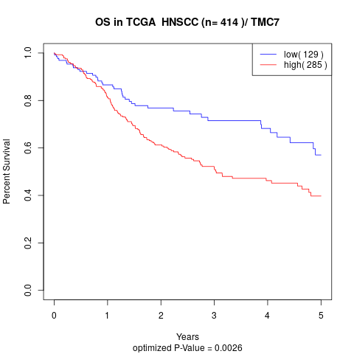

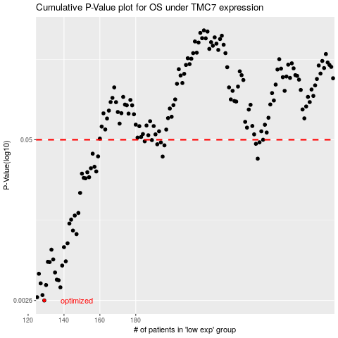

 |  |  |  |  |  | cases_OS | p_OS | rank | exp
 |  |  |  |  |  | 129 | 0.0026 | 76 | -0.45579687665
 |  |  |  |  |  | 125 | 0.00276 | 196 | -0.46671347224
 |  |  |  |  |  | 128 | 0.00287 | 380 | -0.45819947335
 |  |  |  |  |  | 138 | 0.00331 | 68 | -0.42257031384
 |  |  |  |  |  | 130 | 0.00345 | 159 | -0.45315392178
 |  |  |  |  |  | 127 | 0.00356 | 15 | -0.46136057742
 |  |  |  |  |  | 137 | 0.00377 | 346 | -0.43373022283
 |  |  |  |  |  | 136 | 0.00381 | 306 | -0.43543144649
 |  |  |  |  |  | 126 | 0.00425 | 269 | -0.4630105772
 |  |  |  |  |  | 135 | 0.00435 | 307 | -0.43652586425
 |  |  |  |  |  | 139 | 0.00494 | 361 | -0.42148968712
 |  |  |  |  |  | 132 | 0.00527 | 273 | -0.44751634042
 |  |  |  |  |  | 131 | 0.00529 | 342 | -0.44770054936
 |  |  |  |  |  | 141 | 0.00534 | 373 | -0.41640965793
 |  |  |  |  |  | 134 | 0.00553 | 83 | -0.43704401344
 |  |  |  |  |  | 133 | 0.00662 | 91 | -0.4387412968
 |  |  |  |  |  | 140 | 0.00693 | 6 | -0.41664804596
 |  |  |  |  |  | 142 | 0.00744 | 62 | -0.40994559908
 |  |  |  |  |  | 147 | 0.00881 | 64 | -0.38859312426
 |  |  |  |  |  | 145 | 0.00941 | 200 | -0.40169363001
 |  |  |  |  |  | 143 | 0.0107 | 212 | -0.40637273387
 |  |  |  |  |  | 144 | 0.0115 | 167 | -0.40451586844
 |  |  |  |  |  | 146 | 0.0124 | 396 | -0.4016552121
 |  |  |  |  |  | 148 | 0.013 | 191 | -0.38250536386
 |  |  |  |  |  | 149 | 0.0188 | 377 | -0.37950088665
 |  |  |  |  |  | 152 | 0.0246 | 254 | -0.37133954443
 |  |  |  |  |  | 151 | 0.0248 | 358 | -0.37367909636
 |  |  |  |  |  | 154 | 0.0251 | 322 | -0.36134891887
 |  |  |  |  |  | 150 | 0.0268 | 384 | -0.37901130462
 |  |  |  |  |  | 153 | 0.0275 | 22 | -0.36293193359
 |  |  |  |  |  | 158 | 0.0279 | 385 | -0.33713086234
 |  |  |  |  |  | 155 | 0.0296 | 390 | -0.35621274044
 |  |  |  |  |  | 157 | 0.0304 | 393 | -0.35038503971
 |  |  |  |  |  | 248 | 0.0353 | 133 | 0.12295113711
 |  |  |  |  |  | 195 | 0.0367 | 74 | -0.13278996373
 |  |  |  |  |  | 159 | 0.0368 | 264 | -0.32743083376
 |  |  |  |  |  | 156 | 0.0387 | 399 | -0.35346930796
 |  |  |  |  |  | 196 | 0.0451 | 296 | -0.12270083072
 |  |  |  |  |  | 192 | 0.046 | 65 | -0.14909885712
 |  |  |  |  |  | 247 | 0.0464 | 193 | 0.1219818238
 |  |  |  |  |  | 194 | 0.0476 | 282 | -0.13717551539
 |  |  |  |  |  | 249 | 0.0477 | 405 | 0.12748050965
 |  |  |  |  |  | 185 | 0.0486 | 379 | -0.19826688053
 |  |  |  |  |  | 189 | 0.0497 | 186 | -0.18361094215
 |  |  |  |  |  | 251 | 0.05 | 227 | 0.14089623924
 |  |  |  |  |  |  | cases_RFS | p_RFS | rank | exp
 |  |  |  |  |  |  | 128 | 0.0026 | 380 | -0.45819947335
 |  |  |  |  |  |  |  | 0.00276 | 20 | -0.46720403934
 |  |  |  |  |  |  | 127 | 0.00287 | 15 | -0.46136057742
 |  |  |  |  |  |  | 137 | 0.00331 | 346 | -0.43373022283
 |  |  |  |  |  |  | 129 | 0.00345 | 76 | -0.45579687665
 |  |  |  |  |  |  | 126 | 0.00356 | 269 | -0.4630105772
 |  |  |  |  |  |  | 136 | 0.00377 | 306 | -0.43543144649
 |  |  |  |  |  |  | 135 | 0.00381 | 307 | -0.43652586425
 |  |  |  |  |  |  | 125 | 0.00425 | 196 | -0.46671347224
 |  |  |  |  |  |  | 134 | 0.00435 | 83 | -0.43704401344
 |  |  |  |  |  |  | 138 | 0.00494 | 68 | -0.42257031384
 |  |  |  |  |  |  | 131 | 0.00527 | 342 | -0.44770054936
 |  |  |  |  |  |  | 130 | 0.00529 | 159 | -0.45315392178
 |  |  |  |  |  |  | 140 | 0.00534 | 6 | -0.41664804596
 |  |  |  |  |  |  | 133 | 0.00553 | 91 | -0.4387412968
 |  |  |  |  |  |  | 132 | 0.00662 | 273 | -0.44751634042
 |  |  |  |  |  |  | 139 | 0.00693 | 361 | -0.42148968712
 |  |  |  |  |  |  | 141 | 0.00744 | 373 | -0.41640965793
 |  |  |  |  |  |  | 146 | 0.00881 | 396 | -0.4016552121
 |  |  |  |  |  |  | 144 | 0.00941 | 167 | -0.40451586844
 |  |  |  |  |  |  | 142 | 0.0107 | 62 | -0.40994559908
 |  |  |  |  |  |  | 143 | 0.0115 | 212 | -0.40637273387
 |  |  |  |  |  |  | 145 | 0.0124 | 200 | -0.40169363001
 |  |  |  |  |  |  | 147 | 0.013 | 64 | -0.38859312426
 |  |  |  |  |  |  | 148 | 0.0188 | 191 | -0.38250536386
 |  |  |  |  |  |  | 151 | 0.0246 | 358 | -0.37367909636
 |  |  |  |  |  |  | 150 | 0.0248 | 384 | -0.37901130462
 |  |  |  |  |  |  | 153 | 0.0251 | 22 | -0.36293193359
 |  |  |  |  |  |  | 149 | 0.0268 | 377 | -0.37950088665
 |  |  |  |  |  |  | 152 | 0.0275 | 254 | -0.37133954443
 |  |  |  |  |  |  | 157 | 0.0279 | 393 | -0.35038503971
 |  |  |  |  |  |  | 154 | 0.0296 | 322 | -0.36134891887
 |  |  |  |  |  |  | 156 | 0.0304 | 399 | -0.35346930796
 |  |  |  |  |  |  | 247 | 0.0353 | 193 | 0.1219818238
 |  |  |  |  |  |  | 194 | 0.0367 | 282 | -0.13717551539
 |  |  |  |  |  |  | 158 | 0.0368 | 385 | -0.33713086234
 |  |  |  |  |  |  | 155 | 0.0387 | 390 | -0.35621274044
 |  |  |  |  |  |  | 195 | 0.0451 | 74 | -0.13278996373
 |  |  |  |  |  |  | 191 | 0.046 | 350 | -0.15214273731
 |  |  |  |  |  |  | 246 | 0.0464 | 290 | 0.11606940667
 |  |  |  |  |  |  | 193 | 0.0476 | 402 | -0.14820046917
 |  |  |  |  |  |  | 248 | 0.0477 | 133 | 0.12295113711
 |  |  |  |  |  |  | 184 | 0.0486 | 378 | -0.1987663133
 |  |  |  |  |  |  | 188 | 0.0497 | 272 | -0.18572688217
 |  |  |  |  |  |  | 250 | 0.05 | 187 | 0.12893940498

