TMCC1 _multivariate
Reported by Tex Li-Hsing Chi. tex@gate.sinica.edu.tw 2019-08-15

Table 2. The clinicopathological features of HNSCC cohort and TMCC1 expression. (Chi square test)
Cutoff at -0.069 (50.0%)
 |  | TMCC1 expression |  | TMCC1 expression |  | (Optimised)
 | Features | Low | (%) | High | (%) | Case no | P-value | Remark | Matthews
Gender | Female | 149 | 35.9 | 157 | 37.8 | 415 | 0.4848 | 0 | 0
2 | Male | 58 | 14 | 51 | 12.3
Age at diagnosis | <=65y | 127 | 30.6 | 147 | 35.4 | 415 | 0.0573 | 0 | 0
4 | >65y | 80 | 19.3 | 61 | 14.7
Clinical T Status | T1+T2 | 79 | 19 | 70 | 16.9 | 415 | 0.3924 | 0 | 0
6 | T3+T4 | 128 | 30.8 | 138 | 33.3
Clinical N Status | N0 | 114 | 27.5 | 102 | 24.6 | 415 | 0.2576 | 1 | 0
8 | N1-3 | 93 | 22.4 | 106 | 25.5
Clinical M Status | M0 | 205 | 49.4 | 207 | 49.9 | 415 | 0.6232 | 0 | 0
10 | M1 | 2 | 0.5 | 1 | 0.2
Clinical Stage | Stage I+II | 53 | 12.8 | 49 | 11.8 | 415 | 0.7113 | 0 | 0
12 | Stage III+IV | 154 | 37.1 | 159 | 38.3
Surgical Margin status | Negative | 151 | 36.4 | 167 | 40.2 | 415 | 0.0828 | 0 | 0
14 | Positive | 56 | 13.5 | 41 | 9.9
Tobacco Exposure | Low | 89 | 21.4 | 72 | 17.3 | 415 | 0.0872 | 0 | 0
16 | High | 118 | 28.4 | 136 | 32.8

Table 3. Univariate/Multivariate Cox's proportional hazards regression analyses on OS time of TMCC1 gene expression in HNSCC

 |  | Univariate |  |  |  | Multivariate
 | Features | HR | CI95%(L) | CI95%(H) | P-value | HR | CI95%(L) | CI95%(H) | P-value
1 | Female | 1 |  |  |  | 1
Gender | Male | 1.157 | 0.843 | 1.587 | 0.367 | 1.203 | 0.861 | 1.68 | 0.28
11 | <=65y | 1 |  |  |  | 1
Age at diagnosis | >65y | 1.329 | 0.99 | 1.784 | 0.058 | 1.392 | 1.024 | 1.893 | 0.035
12 | T1+T2 | 1 |  |  |  | 1
Clinical T Status | T3+T4 | 1.409 | 1.028 | 1.931 | 0.033 | 2.201 | 1.164 | 4.162 | 0.015
13 | N0 | 1 |  |  |  | 1
Clinical N Status | N1-3 | 1.185 | 0.89 | 1.577 | 0.246 | 1.241 | 0.869 | 1.77 | 0.235
14 | M0 | 1 |  |  |  | 1
Clinical M Status | M1 | 4.097 | 1.009 | 16.644 | 0.049 | 9.424 | 2.055 | 43.218 | 0.004
15 | Stage I+II | 1 |  |  |  | 1
Clinical Stage | Stage III+IV | 1.245 | 0.882 | 1.759 | 0.213 | 0.505 | 0.235 | 1.084 | 0.08
16 | Negative | 1 |  |  |  | 1
Surgical Margin status | Positive | 1.591 | 1.155 | 2.191 | 0.004 | 1.676 | 1.207 | 2.326 | 0.002
17 | Low | 1 |  |  |  | 1
Tobacco Exposure | High | 1.364 | 1.008 | 1.844 | 0.044 | 1.451 | 1.052 | 2.001 | 0.023
18 | Low | 1 |  |  |  | 1
RNAseq(z-score) | High | 0.961 | 0.721 | 1.28 | 0.784 | 1.015 | 0.757 | 1.36 | 0.923

Table 4. Univariate/Multivariate Cox's proportional hazards regression analyses on RFS time of TMCC1 gene expression in HNSCC

 |  | Univariate |  |  |  | Multivariate
 | Features | HR | CI95%(L) | CI95%(H) | P-value | HR | CI95%(L) | CI95%(H) | P-value
1 | Female | 1 |  |  |  | 1
Gender | Male | 1.157 | 0.843 | 1.587 | 0.367 | 1.203 | 0.861 | 1.68 | 0.28
11 | <=65y | 1 |  |  |  | 1
Age at diagnosis | >65y | 1.329 | 0.99 | 1.784 | 0.058 | 1.392 | 1.024 | 1.893 | 0.035
12 | T1+T2 | 1 |  |  |  | 1
Clinical T Status | T3+T4 | 1.409 | 1.028 | 1.931 | 0.033 | 2.201 | 1.164 | 4.162 | 0.015
13 | N0 | 1 |  |  |  | 1
Clinical N Status | N1-3 | 1.185 | 0.89 | 1.577 | 0.246 | 1.241 | 0.869 | 1.77 | 0.235
14 | M0 | 1 |  |  |  | 1
Clinical M Status | M1 | 4.097 | 1.009 | 16.644 | 0.049 | 9.424 | 2.055 | 43.218 | 0.004
15 | Stage I+II | 1 |  |  |  | 1
Clinical Stage | Stage III+IV | 1.245 | 0.882 | 1.759 | 0.213 | 0.505 | 0.235 | 1.084 | 0.08
16 | Negative | 1 |  |  |  | 1
Surgical Margin status | Positive | 1.591 | 1.155 | 2.191 | 0.004 | 1.676 | 1.207 | 2.326 | 0.002
17 | Low | 1 |  |  |  | 1
Tobacco Exposure | High | 1.364 | 1.008 | 1.844 | 0.044 | 1.451 | 1.052 | 2.001 | 0.023
18 | Low | 1 |  |  |  | 1
RNAseq(z-score) | High | 0.961 | 0.721 | 1.28 | 0.784 | 1.015 | 0.757 | 1.36 | 0.923

Kaplan-Meier survival estimate: Cutoff at -0.069 (50.0%)



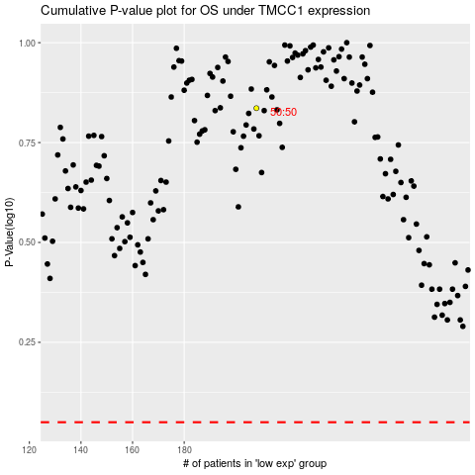

 |  |  |  |  |  | cases_OS | p_OS | rank | exp
 |  |  |  |  |  |  | cases_RFS | p_RFS | rank | exp

