TMED7 _multivariate
Reported by Tex Li-Hsing Chi. tex@gate.sinica.edu.tw 2019-08-15

Table 2. The clinicopathological features of HNSCC cohort and TMED7 expression. (Chi square test)
Cutoff at -0.109 (49.8%)
 |  | TMED7 expression |  | TMED7 expression |  | (Optimised)
 | Features | Low | (%) | High | (%) | Case no | P-value | Remark | Matthews
Gender | Female | 165 | 39.8 | 141 | 34 | 415 | 0.0081 | 1 | 0
2 | Male | 42 | 10.1 | 67 | 16.1
Age at diagnosis | <=65y | 143 | 34.5 | 131 | 31.6 | 415 | 0.2269 | 0 | 0
4 | >65y | 64 | 15.4 | 77 | 18.6
Clinical T Status | T1+T2 | 66 | 15.9 | 83 | 20 | 415 | 0.1095 | 0 | 0
6 | T3+T4 | 141 | 34 | 125 | 30.1
Clinical N Status | N0 | 98 | 23.6 | 118 | 28.4 | 415 | 0.0694 | 0 | 0
8 | N1-3 | 109 | 26.3 | 90 | 21.7
Clinical M Status | M0 | 205 | 49.4 | 207 | 49.9 | 415 | 0.6232 | 0 | 0
10 | M1 | 2 | 0.5 | 1 | 0.2
Clinical Stage | Stage I+II | 39 | 9.4 | 63 | 15.2 | 415 | 0.0095 | 1 | 0
12 | Stage III+IV | 168 | 40.5 | 145 | 34.9
Surgical Margin status | Negative | 157 | 37.8 | 161 | 38.8 | 415 | 0.729 | 0 | 0
14 | Positive | 50 | 12 | 47 | 11.3
Tobacco Exposure | Low | 72 | 17.3 | 89 | 21.4 | 415 | 0.1071 | 0 | 0
16 | High | 135 | 32.5 | 119 | 28.7

Table 3. Univariate/Multivariate Cox's proportional hazards regression analyses on OS time of TMED7 gene expression in HNSCC

 |  | Univariate |  |  |  | Multivariate
 | Features | HR | CI95%(L) | CI95%(H) | P-value | HR | CI95%(L) | CI95%(H) | P-value
1 | Female | 1 |  |  |  | 1
Gender | Male | 1.157 | 0.843 | 1.587 | 0.367 | 1.189 | 0.85 | 1.662 | 0.312
11 | <=65y | 1 |  |  |  | 1
Age at diagnosis | >65y | 1.329 | 0.99 | 1.784 | 0.058 | 1.397 | 1.027 | 1.899 | 0.033
12 | T1+T2 | 1 |  |  |  | 1
Clinical T Status | T3+T4 | 1.409 | 1.028 | 1.931 | 0.033 | 2.197 | 1.162 | 4.153 | 0.015
13 | N0 | 1 |  |  |  | 1
Clinical N Status | N1-3 | 1.185 | 0.89 | 1.577 | 0.246 | 1.251 | 0.876 | 1.785 | 0.217
14 | M0 | 1 |  |  |  | 1
Clinical M Status | M1 | 4.097 | 1.009 | 16.644 | 0.049 | 9.59 | 2.091 | 43.99 | 0.004
15 | Stage I+II | 1 |  |  |  | 1
Clinical Stage | Stage III+IV | 1.245 | 0.882 | 1.759 | 0.213 | 0.52 | 0.241 | 1.12 | 0.095
16 | Negative | 1 |  |  |  | 1
Surgical Margin status | Positive | 1.591 | 1.155 | 2.191 | 0.004 | 1.671 | 1.209 | 2.308 | 0.002
17 | Low | 1 |  |  |  | 1
Tobacco Exposure | High | 1.364 | 1.008 | 1.844 | 0.044 | 1.468 | 1.064 | 2.026 | 0.019
18 | Low | 1 |  |  |  | 1
RNAseq(z-score) | High | 1.027 | 0.771 | 1.368 | 0.853 | 1.118 | 0.828 | 1.511 | 0.466

Table 4. Univariate/Multivariate Cox's proportional hazards regression analyses on RFS time of TMED7 gene expression in HNSCC

 |  | Univariate |  |  |  | Multivariate
 | Features | HR | CI95%(L) | CI95%(H) | P-value | HR | CI95%(L) | CI95%(H) | P-value
1 | Female | 1 |  |  |  | 1
Gender | Male | 1.157 | 0.843 | 1.587 | 0.367 | 1.189 | 0.85 | 1.662 | 0.312
11 | <=65y | 1 |  |  |  | 1
Age at diagnosis | >65y | 1.329 | 0.99 | 1.784 | 0.058 | 1.397 | 1.027 | 1.899 | 0.033
12 | T1+T2 | 1 |  |  |  | 1
Clinical T Status | T3+T4 | 1.409 | 1.028 | 1.931 | 0.033 | 2.197 | 1.162 | 4.153 | 0.015
13 | N0 | 1 |  |  |  | 1
Clinical N Status | N1-3 | 1.185 | 0.89 | 1.577 | 0.246 | 1.251 | 0.876 | 1.785 | 0.217
14 | M0 | 1 |  |  |  | 1
Clinical M Status | M1 | 4.097 | 1.009 | 16.644 | 0.049 | 9.59 | 2.091 | 43.99 | 0.004
15 | Stage I+II | 1 |  |  |  | 1
Clinical Stage | Stage III+IV | 1.245 | 0.882 | 1.759 | 0.213 | 0.52 | 0.241 | 1.12 | 0.095
16 | Negative | 1 |  |  |  | 1
Surgical Margin status | Positive | 1.591 | 1.155 | 2.191 | 0.004 | 1.671 | 1.209 | 2.308 | 0.002
17 | Low | 1 |  |  |  | 1
Tobacco Exposure | High | 1.364 | 1.008 | 1.844 | 0.044 | 1.468 | 1.064 | 2.026 | 0.019
18 | Low | 1 |  |  |  | 1
RNAseq(z-score) | High | 1.027 | 0.771 | 1.368 | 0.853 | 1.118 | 0.828 | 1.511 | 0.466

Kaplan-Meier survival estimate: Cutoff at -0.109 (49.8%)



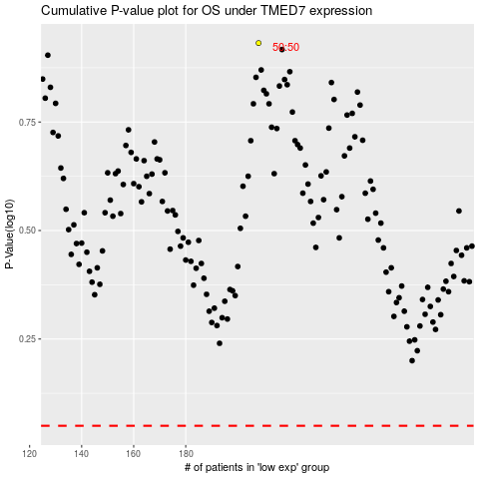

 |  |  |  |  |  | cases_OS | p_OS | rank | exp
 |  |  |  |  |  |  | cases_RFS | p_RFS | rank | exp

