TMEM104 _multivariate
Reported by Tex Li-Hsing Chi. tex@gate.sinica.edu.tw 2019-08-15

Table 2. The clinicopathological features of HNSCC cohort and TMEM104 expression. (Chi square test)
Cutoff at -0.027 (49.8%)
 |  | TMEM104 expression |  | TMEM104 expression |  | (Optimised)
 | Features | Low | (%) | High | (%) | Case no | P-value | Remark | Matthews
Gender | Female | 143 | 34.5 | 163 | 39.3 | 415 | 0.0416 | 1 | 0
2 | Male | 64 | 15.4 | 45 | 10.8
Age at diagnosis | <=65y | 125 | 30.1 | 149 | 35.9 | 415 | 0.0206 | 1 | 0
4 | >65y | 82 | 19.8 | 59 | 14.2
Clinical T Status | T1+T2 | 71 | 17.1 | 78 | 18.8 | 415 | 0.5638 | 0 | 0
6 | T3+T4 | 136 | 32.8 | 130 | 31.3
Clinical N Status | N0 | 107 | 25.8 | 109 | 26.3 | 415 | 0.9624 | 0 | 0
8 | N1-3 | 100 | 24.1 | 99 | 23.9
Clinical M Status | M0 | 205 | 49.4 | 207 | 49.9 | 415 | 0.6232 | 0 | 0
10 | M1 | 2 | 0.5 | 1 | 0.2
Clinical Stage | Stage I+II | 49 | 11.8 | 53 | 12.8 | 415 | 0.7535 | 0 | 0
12 | Stage III+IV | 158 | 38.1 | 155 | 37.3
Surgical Margin status | Negative | 156 | 37.6 | 162 | 39 | 415 | 0.5636 | 0 | 0
14 | Positive | 51 | 12.3 | 46 | 11.1
Tobacco Exposure | Low | 84 | 20.2 | 77 | 18.6 | 415 | 0.4816 | 0 | 0
16 | High | 123 | 29.6 | 131 | 31.6

Table 3. Univariate/Multivariate Cox's proportional hazards regression analyses on OS time of TMEM104 gene expression in HNSCC

 |  | Univariate |  |  |  | Multivariate
 | Features | HR | CI95%(L) | CI95%(H) | P-value | HR | CI95%(L) | CI95%(H) | P-value
1 | Female | 1 |  |  |  | 1
Gender | Male | 1.157 | 0.843 | 1.587 | 0.367 | 1.196 | 0.854 | 1.676 | 0.298
11 | <=65y | 1 |  |  |  | 1
Age at diagnosis | >65y | 1.329 | 0.99 | 1.784 | 0.058 | 1.387 | 1.019 | 1.889 | 0.037
12 | T1+T2 | 1 |  |  |  | 1
Clinical T Status | T3+T4 | 1.409 | 1.028 | 1.931 | 0.033 | 2.198 | 1.162 | 4.158 | 0.015
13 | N0 | 1 |  |  |  | 1
Clinical N Status | N1-3 | 1.185 | 0.89 | 1.577 | 0.246 | 1.241 | 0.87 | 1.771 | 0.233
14 | M0 | 1 |  |  |  | 1
Clinical M Status | M1 | 4.097 | 1.009 | 16.644 | 0.049 | 9.358 | 2.04 | 42.934 | 0.004
15 | Stage I+II | 1 |  |  |  | 1
Clinical Stage | Stage III+IV | 1.245 | 0.882 | 1.759 | 0.213 | 0.504 | 0.235 | 1.082 | 0.079
16 | Negative | 1 |  |  |  | 1
Surgical Margin status | Positive | 1.591 | 1.155 | 2.191 | 0.004 | 1.671 | 1.209 | 2.309 | 0.002
17 | Low | 1 |  |  |  | 1
Tobacco Exposure | High | 1.364 | 1.008 | 1.844 | 0.044 | 1.455 | 1.056 | 2.006 | 0.022
18 | Low | 1 |  |  |  | 1
RNAseq(z-score) | High | 0.929 | 0.698 | 1.237 | 0.613 | 0.971 | 0.724 | 1.302 | 0.844

Table 4. Univariate/Multivariate Cox's proportional hazards regression analyses on RFS time of TMEM104 gene expression in HNSCC

 |  | Univariate |  |  |  | Multivariate
 | Features | HR | CI95%(L) | CI95%(H) | P-value | HR | CI95%(L) | CI95%(H) | P-value
1 | Female | 1 |  |  |  | 1
Gender | Male | 1.157 | 0.843 | 1.587 | 0.367 | 1.196 | 0.854 | 1.676 | 0.298
11 | <=65y | 1 |  |  |  | 1
Age at diagnosis | >65y | 1.329 | 0.99 | 1.784 | 0.058 | 1.387 | 1.019 | 1.889 | 0.037
12 | T1+T2 | 1 |  |  |  | 1
Clinical T Status | T3+T4 | 1.409 | 1.028 | 1.931 | 0.033 | 2.198 | 1.162 | 4.158 | 0.015
13 | N0 | 1 |  |  |  | 1
Clinical N Status | N1-3 | 1.185 | 0.89 | 1.577 | 0.246 | 1.241 | 0.87 | 1.771 | 0.233
14 | M0 | 1 |  |  |  | 1
Clinical M Status | M1 | 4.097 | 1.009 | 16.644 | 0.049 | 9.358 | 2.04 | 42.934 | 0.004
15 | Stage I+II | 1 |  |  |  | 1
Clinical Stage | Stage III+IV | 1.245 | 0.882 | 1.759 | 0.213 | 0.504 | 0.235 | 1.082 | 0.079
16 | Negative | 1 |  |  |  | 1
Surgical Margin status | Positive | 1.591 | 1.155 | 2.191 | 0.004 | 1.671 | 1.209 | 2.309 | 0.002
17 | Low | 1 |  |  |  | 1
Tobacco Exposure | High | 1.364 | 1.008 | 1.844 | 0.044 | 1.455 | 1.056 | 2.006 | 0.022
18 | Low | 1 |  |  |  | 1
RNAseq(z-score) | High | 0.929 | 0.698 | 1.237 | 0.613 | 0.971 | 0.724 | 1.302 | 0.844

Kaplan-Meier survival estimate: Cutoff at -0.027 (49.8%)



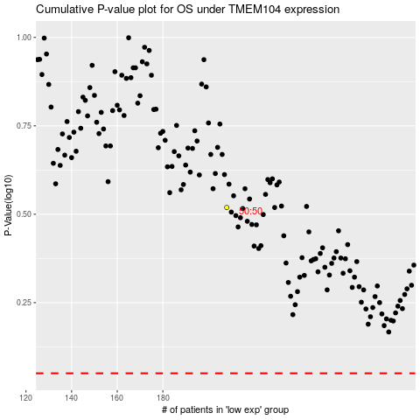

 |  |  |  |  |  | cases_OS | p_OS | rank | exp
 |  |  |  |  |  |  | cases_RFS | p_RFS | rank | exp

