TMEM105 _multivariate
Reported by Tex Li-Hsing Chi. tex@gate.sinica.edu.tw 2019-08-15

Table 2. The clinicopathological features of HNSCC cohort and TMEM105 expression. (Chi square test)
Cutoff at -0.277 (50.0%)
 |  | TMEM105 expression |  | TMEM105 expression |  | (Optimised)
 | Features | Low | (%) | High | (%) | Case no | P-value | Remark | Matthews
Gender | Female | 151 | 36.4 | 155 | 37.3 | 415 | 0.8007 | 0 | 0
2 | Male | 56 | 13.5 | 53 | 12.8
Age at diagnosis | <=65y | 132 | 31.8 | 142 | 34.2 | 415 | 0.3874 | 0 | 0
4 | >65y | 75 | 18.1 | 66 | 15.9
Clinical T Status | T1+T2 | 82 | 19.8 | 67 | 16.1 | 415 | 0.1417 | 0 | 0
6 | T3+T4 | 125 | 30.1 | 141 | 34
Clinical N Status | N0 | 122 | 29.4 | 94 | 22.7 | 415 | 0.0068 | 1 | 0
8 | N1-3 | 85 | 20.5 | 114 | 27.5
Clinical M Status | M0 | 207 | 49.9 | 205 | 49.4 | 415 | 0.2482 | 0 | 0
10 | M1 | 0 | 0 | 3 | 0.7
Clinical Stage | Stage I+II | 57 | 13.7 | 45 | 10.8 | 415 | 0.1998 | 0 | 0
12 | Stage III+IV | 150 | 36.1 | 163 | 39.3
Surgical Margin status | Negative | 161 | 38.8 | 157 | 37.8 | 415 | 0.6429 | 0 | 0
14 | Positive | 46 | 11.1 | 51 | 12.3
Tobacco Exposure | Low | 88 | 21.2 | 73 | 17.6 | 415 | 0.1314 | 0 | 0
16 | High | 119 | 28.7 | 135 | 32.5

Table 3. Univariate/Multivariate Cox's proportional hazards regression analyses on OS time of TMEM105 gene expression in HNSCC

 |  | Univariate |  |  |  | Multivariate
 | Features | HR | CI95%(L) | CI95%(H) | P-value | HR | CI95%(L) | CI95%(H) | P-value
1 | Female | 1 |  |  |  | 1
Gender | Male | 1.157 | 0.843 | 1.587 | 0.367 | 1.201 | 0.859 | 1.678 | 0.284
11 | <=65y | 1 |  |  |  | 1
Age at diagnosis | >65y | 1.329 | 0.99 | 1.784 | 0.058 | 1.393 | 1.025 | 1.893 | 0.034
12 | T1+T2 | 1 |  |  |  | 1
Clinical T Status | T3+T4 | 1.409 | 1.028 | 1.931 | 0.033 | 2.153 | 1.137 | 4.079 | 0.019
13 | N0 | 1 |  |  |  | 1
Clinical N Status | N1-3 | 1.185 | 0.89 | 1.577 | 0.246 | 1.215 | 0.849 | 1.738 | 0.288
14 | M0 | 1 |  |  |  | 1
Clinical M Status | M1 | 4.097 | 1.009 | 16.644 | 0.049 | 8.694 | 1.879 | 40.219 | 0.006
15 | Stage I+II | 1 |  |  |  | 1
Clinical Stage | Stage III+IV | 1.245 | 0.882 | 1.759 | 0.213 | 0.522 | 0.242 | 1.124 | 0.097
16 | Negative | 1 |  |  |  | 1
Surgical Margin status | Positive | 1.591 | 1.155 | 2.191 | 0.004 | 1.657 | 1.198 | 2.29 | 0.002
17 | Low | 1 |  |  |  | 1
Tobacco Exposure | High | 1.364 | 1.008 | 1.844 | 0.044 | 1.444 | 1.047 | 1.99 | 0.025
18 | Low | 1 |  |  |  | 1
RNAseq(z-score) | High | 1.241 | 0.93 | 1.658 | 0.143 | 1.143 | 0.852 | 1.535 | 0.372

Table 4. Univariate/Multivariate Cox's proportional hazards regression analyses on RFS time of TMEM105 gene expression in HNSCC

 |  | Univariate |  |  |  | Multivariate
 | Features | HR | CI95%(L) | CI95%(H) | P-value | HR | CI95%(L) | CI95%(H) | P-value
1 | Female | 1 |  |  |  | 1
Gender | Male | 1.157 | 0.843 | 1.587 | 0.367 | 1.201 | 0.859 | 1.678 | 0.284
11 | <=65y | 1 |  |  |  | 1
Age at diagnosis | >65y | 1.329 | 0.99 | 1.784 | 0.058 | 1.393 | 1.025 | 1.893 | 0.034
12 | T1+T2 | 1 |  |  |  | 1
Clinical T Status | T3+T4 | 1.409 | 1.028 | 1.931 | 0.033 | 2.153 | 1.137 | 4.079 | 0.019
13 | N0 | 1 |  |  |  | 1
Clinical N Status | N1-3 | 1.185 | 0.89 | 1.577 | 0.246 | 1.215 | 0.849 | 1.738 | 0.288
14 | M0 | 1 |  |  |  | 1
Clinical M Status | M1 | 4.097 | 1.009 | 16.644 | 0.049 | 8.694 | 1.879 | 40.219 | 0.006
15 | Stage I+II | 1 |  |  |  | 1
Clinical Stage | Stage III+IV | 1.245 | 0.882 | 1.759 | 0.213 | 0.522 | 0.242 | 1.124 | 0.097
16 | Negative | 1 |  |  |  | 1
Surgical Margin status | Positive | 1.591 | 1.155 | 2.191 | 0.004 | 1.657 | 1.198 | 2.29 | 0.002
17 | Low | 1 |  |  |  | 1
Tobacco Exposure | High | 1.364 | 1.008 | 1.844 | 0.044 | 1.444 | 1.047 | 1.99 | 0.025
18 | Low | 1 |  |  |  | 1
RNAseq(z-score) | High | 1.241 | 0.93 | 1.658 | 0.143 | 1.143 | 0.852 | 1.535 | 0.372

Kaplan-Meier survival estimate: Cutoff at -0.277 (50.0%)

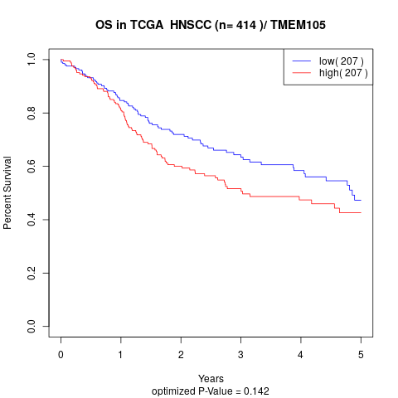

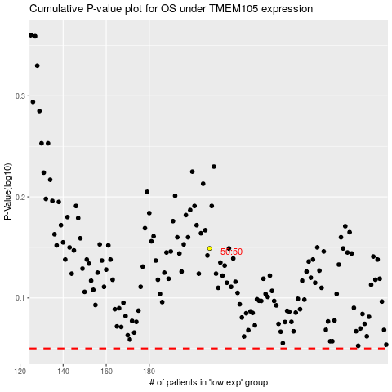

 |  |  |  |  |  | cases_OS | p_OS | rank | exp
 |  |  |  |  |  |  | cases_RFS | p_RFS | rank | exp

