TMEM106A _multivariate
Reported by Tex Li-Hsing Chi. tex@gate.sinica.edu.tw 2019-08-15

Table 2. The clinicopathological features of HNSCC cohort and TMEM106A expression. (Chi square test)
Cutoff at -0.066 (50.0%)
 |  | TMEM106A expression |  | TMEM106A expression |  | (Optimised)
 | Features | Low | (%) | High | (%) | Case no | P-value | Remark | Matthews
Gender | Female | 161 | 38.8 | 145 | 34.9 | 415 | 0.0792 | 0 | 0
2 | Male | 46 | 11.1 | 63 | 15.2
Age at diagnosis | <=65y | 143 | 34.5 | 131 | 31.6 | 415 | 0.2269 | 0 | 0
4 | >65y | 64 | 15.4 | 77 | 18.6
Clinical T Status | T1+T2 | 70 | 16.9 | 79 | 19 | 415 | 0.4343 | 0 | 0
6 | T3+T4 | 137 | 33 | 129 | 31.1
Clinical N Status | N0 | 109 | 26.3 | 107 | 25.8 | 415 | 0.8812 | 0 | 0
8 | N1-3 | 98 | 23.6 | 101 | 24.3
Clinical M Status | M0 | 205 | 49.4 | 207 | 49.9 | 415 | 0.6232 | 0 | 0
10 | M1 | 2 | 0.5 | 1 | 0.2
Clinical Stage | Stage I+II | 44 | 10.6 | 58 | 14 | 415 | 0.1459 | 0 | 0
12 | Stage III+IV | 163 | 39.3 | 150 | 36.1
Surgical Margin status | Negative | 153 | 36.9 | 165 | 39.8 | 415 | 0.2036 | 0 | 0
14 | Positive | 54 | 13 | 43 | 10.4
Tobacco Exposure | Low | 71 | 17.1 | 90 | 21.7 | 415 | 0.0698 | 0 | 0
16 | High | 136 | 32.8 | 118 | 28.4

Table 3. Univariate/Multivariate Cox's proportional hazards regression analyses on OS time of TMEM106A gene expression in HNSCC

 |  | Univariate |  |  |  | Multivariate
 | Features | HR | CI95%(L) | CI95%(H) | P-value | HR | CI95%(L) | CI95%(H) | P-value
1 | Female | 1 |  |  |  | 1
Gender | Male | 1.157 | 0.843 | 1.587 | 0.367 | 1.197 | 0.857 | 1.672 | 0.291
11 | <=65y | 1 |  |  |  | 1
Age at diagnosis | >65y | 1.329 | 0.99 | 1.784 | 0.058 | 1.397 | 1.027 | 1.901 | 0.033
12 | T1+T2 | 1 |  |  |  | 1
Clinical T Status | T3+T4 | 1.409 | 1.028 | 1.931 | 0.033 | 2.181 | 1.152 | 4.127 | 0.017
13 | N0 | 1 |  |  |  | 1
Clinical N Status | N1-3 | 1.185 | 0.89 | 1.577 | 0.246 | 1.238 | 0.868 | 1.767 | 0.239
14 | M0 | 1 |  |  |  | 1
Clinical M Status | M1 | 4.097 | 1.009 | 16.644 | 0.049 | 9.415 | 2.054 | 43.154 | 0.004
15 | Stage I+II | 1 |  |  |  | 1
Clinical Stage | Stage III+IV | 1.245 | 0.882 | 1.759 | 0.213 | 0.514 | 0.239 | 1.106 | 0.089
16 | Negative | 1 |  |  |  | 1
Surgical Margin status | Positive | 1.591 | 1.155 | 2.191 | 0.004 | 1.678 | 1.214 | 2.319 | 0.002
17 | Low | 1 |  |  |  | 1
Tobacco Exposure | High | 1.364 | 1.008 | 1.844 | 0.044 | 1.465 | 1.062 | 2.021 | 0.02
18 | Low | 1 |  |  |  | 1
RNAseq(z-score) | High | 1.042 | 0.782 | 1.389 | 0.778 | 1.094 | 0.818 | 1.463 | 0.546

Table 4. Univariate/Multivariate Cox's proportional hazards regression analyses on RFS time of TMEM106A gene expression in HNSCC

 |  | Univariate |  |  |  | Multivariate
 | Features | HR | CI95%(L) | CI95%(H) | P-value | HR | CI95%(L) | CI95%(H) | P-value
1 | Female | 1 |  |  |  | 1
Gender | Male | 1.157 | 0.843 | 1.587 | 0.367 | 1.197 | 0.857 | 1.672 | 0.291
11 | <=65y | 1 |  |  |  | 1
Age at diagnosis | >65y | 1.329 | 0.99 | 1.784 | 0.058 | 1.397 | 1.027 | 1.901 | 0.033
12 | T1+T2 | 1 |  |  |  | 1
Clinical T Status | T3+T4 | 1.409 | 1.028 | 1.931 | 0.033 | 2.181 | 1.152 | 4.127 | 0.017
13 | N0 | 1 |  |  |  | 1
Clinical N Status | N1-3 | 1.185 | 0.89 | 1.577 | 0.246 | 1.238 | 0.868 | 1.767 | 0.239
14 | M0 | 1 |  |  |  | 1
Clinical M Status | M1 | 4.097 | 1.009 | 16.644 | 0.049 | 9.415 | 2.054 | 43.154 | 0.004
15 | Stage I+II | 1 |  |  |  | 1
Clinical Stage | Stage III+IV | 1.245 | 0.882 | 1.759 | 0.213 | 0.514 | 0.239 | 1.106 | 0.089
16 | Negative | 1 |  |  |  | 1
Surgical Margin status | Positive | 1.591 | 1.155 | 2.191 | 0.004 | 1.678 | 1.214 | 2.319 | 0.002
17 | Low | 1 |  |  |  | 1
Tobacco Exposure | High | 1.364 | 1.008 | 1.844 | 0.044 | 1.465 | 1.062 | 2.021 | 0.02
18 | Low | 1 |  |  |  | 1
RNAseq(z-score) | High | 1.042 | 0.782 | 1.389 | 0.778 | 1.094 | 0.818 | 1.463 | 0.546

Kaplan-Meier survival estimate: Cutoff at -0.066 (50.0%)



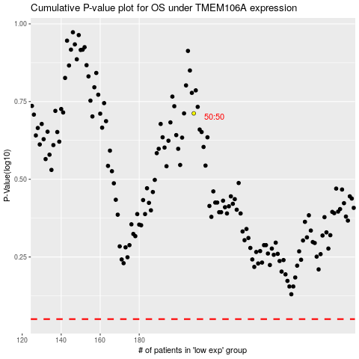

 |  |  |  |  |  | cases_OS | p_OS | rank | exp
 |  |  |  |  |  |  | cases_RFS | p_RFS | rank | exp

