TMEM106C _multivariate
Reported by Tex Li-Hsing Chi. tex@gate.sinica.edu.tw 2019-08-15

Table 2. The clinicopathological features of HNSCC cohort and TMEM106C expression. (Chi square test)
Cutoff at -0.312 (44.2%)
 |  | TMEM106C expression |  | TMEM106C expression |  | (Optimised)
 | Features | Low | (%) | High | (%) | Case no | P-value | Remark | Matthews
Gender | Female | 126 | 30.4 | 180 | 43.4 | 415 | 0.0581 | 0 | 0
2 | Male | 57 | 13.7 | 52 | 12.5
Age at diagnosis | <=65y | 111 | 26.7 | 163 | 39.3 | 415 | 0.0516 | 0 | 0
4 | >65y | 72 | 17.3 | 69 | 16.6
Clinical T Status | T1+T2 | 64 | 15.4 | 85 | 20.5 | 415 | 0.8041 | 0 | 0
6 | T3+T4 | 119 | 28.7 | 147 | 35.4
Clinical N Status | N0 | 101 | 24.3 | 115 | 27.7 | 415 | 0.2986 | 0 | 0
8 | N1-3 | 82 | 19.8 | 117 | 28.2
Clinical M Status | M0 | 183 | 44.1 | 229 | 55.2 | 415 | 0.2587 | 0 | 0
10 | M1 | 0 | 0 | 3 | 0.7
Clinical Stage | Stage I+II | 48 | 11.6 | 54 | 13 | 415 | 0.5626 | 0 | 0
12 | Stage III+IV | 135 | 32.5 | 178 | 42.9
Surgical Margin status | Negative | 145 | 34.9 | 173 | 41.7 | 415 | 0.2939 | 0 | 0
14 | Positive | 38 | 9.2 | 59 | 14.2
Tobacco Exposure | Low | 81 | 19.5 | 80 | 19.3 | 415 | 0.0537 | 0 | 0
16 | High | 102 | 24.6 | 152 | 36.6

Table 3. Univariate/Multivariate Cox's proportional hazards regression analyses on OS time of TMEM106C gene expression in HNSCC

 |  | Univariate |  |  |  | Multivariate
 | Features | HR | CI95%(L) | CI95%(H) | P-value | HR | CI95%(L) | CI95%(H) | P-value
1 | Female | 1 |  |  |  | 1
Gender | Male | 1.157 | 0.843 | 1.587 | 0.367 | 1.245 | 0.889 | 1.743 | 0.201
11 | <=65y | 1 |  |  |  | 1
Age at diagnosis | >65y | 1.329 | 0.99 | 1.784 | 0.058 | 1.376 | 1.013 | 1.871 | 0.041
12 | T1+T2 | 1 |  |  |  | 1
Clinical T Status | T3+T4 | 1.409 | 1.028 | 1.931 | 0.033 | 2.244 | 1.187 | 4.243 | 0.013
13 | N0 | 1 |  |  |  | 1
Clinical N Status | N1-3 | 1.185 | 0.89 | 1.577 | 0.246 | 1.216 | 0.851 | 1.737 | 0.283
14 | M0 | 1 |  |  |  | 1
Clinical M Status | M1 | 4.097 | 1.009 | 16.644 | 0.049 | 8.643 | 1.88 | 39.729 | 0.006
15 | Stage I+II | 1 |  |  |  | 1
Clinical Stage | Stage III+IV | 1.245 | 0.882 | 1.759 | 0.213 | 0.493 | 0.23 | 1.058 | 0.069
16 | Negative | 1 |  |  |  | 1
Surgical Margin status | Positive | 1.591 | 1.155 | 2.191 | 0.004 | 1.645 | 1.19 | 2.276 | 0.003
17 | Low | 1 |  |  |  | 1
Tobacco Exposure | High | 1.364 | 1.008 | 1.844 | 0.044 | 1.409 | 1.021 | 1.944 | 0.037
18 | Low | 1 |  |  |  | 1
RNAseq(z-score) | High | 1.384 | 1.032 | 1.857 | 0.03 | 1.329 | 0.983 | 1.795 | 0.064

Table 4. Univariate/Multivariate Cox's proportional hazards regression analyses on RFS time of TMEM106C gene expression in HNSCC

 |  | Univariate |  |  |  | Multivariate
 | Features | HR | CI95%(L) | CI95%(H) | P-value | HR | CI95%(L) | CI95%(H) | P-value
1 | Female | 1 |  |  |  | 1
Gender | Male | 1.157 | 0.843 | 1.587 | 0.367 | 1.245 | 0.889 | 1.743 | 0.201
11 | <=65y | 1 |  |  |  | 1
Age at diagnosis | >65y | 1.329 | 0.99 | 1.784 | 0.058 | 1.376 | 1.013 | 1.871 | 0.041
12 | T1+T2 | 1 |  |  |  | 1
Clinical T Status | T3+T4 | 1.409 | 1.028 | 1.931 | 0.033 | 2.244 | 1.187 | 4.243 | 0.013
13 | N0 | 1 |  |  |  | 1
Clinical N Status | N1-3 | 1.185 | 0.89 | 1.577 | 0.246 | 1.216 | 0.851 | 1.737 | 0.283
14 | M0 | 1 |  |  |  | 1
Clinical M Status | M1 | 4.097 | 1.009 | 16.644 | 0.049 | 8.643 | 1.88 | 39.729 | 0.006
15 | Stage I+II | 1 |  |  |  | 1
Clinical Stage | Stage III+IV | 1.245 | 0.882 | 1.759 | 0.213 | 0.493 | 0.23 | 1.058 | 0.069
16 | Negative | 1 |  |  |  | 1
Surgical Margin status | Positive | 1.591 | 1.155 | 2.191 | 0.004 | 1.645 | 1.19 | 2.276 | 0.003
17 | Low | 1 |  |  |  | 1
Tobacco Exposure | High | 1.364 | 1.008 | 1.844 | 0.044 | 1.409 | 1.021 | 1.944 | 0.037
18 | Low | 1 |  |  |  | 1
RNAseq(z-score) | High | 1.384 | 1.032 | 1.857 | 0.03 | 1.329 | 0.983 | 1.795 | 0.064

Kaplan-Meier survival estimate: Cutoff at -0.312 (44.2%)

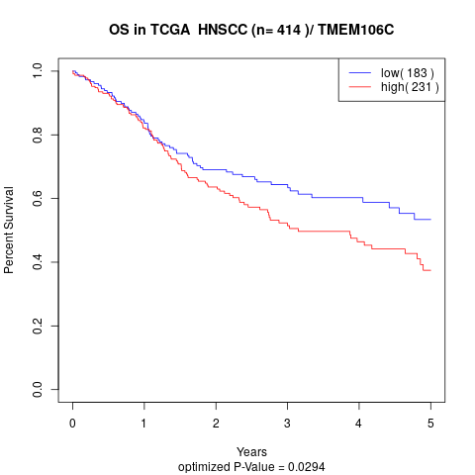

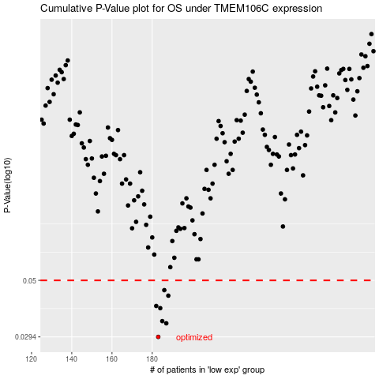

 |  |  |  |  |  | cases_OS | p_OS | rank | exp
 |  |  |  |  |  | 183 | 0.0294 | 253 | -0.31240388259
 |  |  |  |  |  | 187 | 0.0334 | 117 | -0.29052080259
 |  |  |  |  |  | 185 | 0.0341 | 207 | -0.29377505954
 |  |  |  |  |  | 184 | 0.0385 | 309 | -0.29615555136
 |  |  |  |  |  | 182 | 0.0393 | 321 | -0.31267890785
 |  |  |  |  |  | 188 | 0.0433 | 58 | -0.28994139934
 |  |  |  |  |  | 186 | 0.0456 | 32 | -0.29283813736
 |  |  |  |  |  |  | cases_RFS | p_RFS | rank | exp
 |  |  |  |  |  |  | 182 | 0.0294 | 321 | -0.31267890785
 |  |  |  |  |  |  | 186 | 0.0334 | 32 | -0.29283813736
 |  |  |  |  |  |  | 184 | 0.0341 | 309 | -0.29615555136
 |  |  |  |  |  |  | 183 | 0.0385 | 253 | -0.31240388259
 |  |  |  |  |  |  | 181 | 0.0393 | 205 | -0.31324078293
 |  |  |  |  |  |  | 187 | 0.0433 | 117 | -0.29052080259
 |  |  |  |  |  |  | 185 | 0.0456 | 207 | -0.29377505954

