TMEM108 _multivariate
Reported by Tex Li-Hsing Chi. tex@gate.sinica.edu.tw 2019-08-15

Table 2. The clinicopathological features of HNSCC cohort and TMEM108 expression. (Chi square test)
Cutoff at -0.265 (50.0%)
 |  | TMEM108 expression |  | TMEM108 expression |  | (Optimised)
 | Features | Low | (%) | High | (%) | Case no | P-value | Remark | Matthews
Gender | Female | 155 | 37.3 | 151 | 36.4 | 415 | 0.6768 | 0 | 0
2 | Male | 52 | 12.5 | 57 | 13.7
Age at diagnosis | <=65y | 133 | 32 | 141 | 34 | 415 | 0.5111 | 0 | 0
4 | >65y | 74 | 17.8 | 67 | 16.1
Clinical T Status | T1+T2 | 69 | 16.6 | 80 | 19.3 | 415 | 0.3239 | 0 | 0
6 | T3+T4 | 138 | 33.3 | 128 | 30.8
Clinical N Status | N0 | 108 | 26 | 108 | 26 | 415 | 1 | 0 | 0
8 | N1-3 | 99 | 23.9 | 100 | 24.1
Clinical M Status | M0 | 204 | 49.2 | 208 | 50.1 | 415 | 0.1232 | 0 | 0
10 | M1 | 3 | 0.7 | 0 | 0
Clinical Stage | Stage I+II | 46 | 11.1 | 56 | 13.5 | 415 | 0.3182 | 0 | 0
12 | Stage III+IV | 161 | 38.8 | 152 | 36.6
Surgical Margin status | Negative | 152 | 36.6 | 166 | 40 | 415 | 0.1329 | 0 | 0
14 | Positive | 55 | 13.3 | 42 | 10.1
Tobacco Exposure | Low | 82 | 19.8 | 79 | 19 | 415 | 0.763 | 0 | 0
16 | High | 125 | 30.1 | 129 | 31.1

Table 3. Univariate/Multivariate Cox's proportional hazards regression analyses on OS time of TMEM108 gene expression in HNSCC

 |  | Univariate |  |  |  | Multivariate
 | Features | HR | CI95%(L) | CI95%(H) | P-value | HR | CI95%(L) | CI95%(H) | P-value
1 | Female | 1 |  |  |  | 1
Gender | Male | 1.157 | 0.843 | 1.587 | 0.367 | 1.195 | 0.857 | 1.665 | 0.294
11 | <=65y | 1 |  |  |  | 1
Age at diagnosis | >65y | 1.329 | 0.99 | 1.784 | 0.058 | 1.408 | 1.035 | 1.915 | 0.029
12 | T1+T2 | 1 |  |  |  | 1
Clinical T Status | T3+T4 | 1.409 | 1.028 | 1.931 | 0.033 | 2.233 | 1.18 | 4.226 | 0.014
13 | N0 | 1 |  |  |  | 1
Clinical N Status | N1-3 | 1.185 | 0.89 | 1.577 | 0.246 | 1.239 | 0.868 | 1.769 | 0.237
14 | M0 | 1 |  |  |  | 1
Clinical M Status | M1 | 4.097 | 1.009 | 16.644 | 0.049 | 10.522 | 2.271 | 48.753 | 0.003
15 | Stage I+II | 1 |  |  |  | 1
Clinical Stage | Stage III+IV | 1.245 | 0.882 | 1.759 | 0.213 | 0.498 | 0.232 | 1.07 | 0.074
16 | Negative | 1 |  |  |  | 1
Surgical Margin status | Positive | 1.591 | 1.155 | 2.191 | 0.004 | 1.708 | 1.234 | 2.365 | 0.001
17 | Low | 1 |  |  |  | 1
Tobacco Exposure | High | 1.364 | 1.008 | 1.844 | 0.044 | 1.454 | 1.057 | 2.001 | 0.021
18 | Low | 1 |  |  |  | 1
RNAseq(z-score) | High | 1.108 | 0.831 | 1.476 | 0.485 | 1.208 | 0.903 | 1.617 | 0.203

Table 4. Univariate/Multivariate Cox's proportional hazards regression analyses on RFS time of TMEM108 gene expression in HNSCC

 |  | Univariate |  |  |  | Multivariate
 | Features | HR | CI95%(L) | CI95%(H) | P-value | HR | CI95%(L) | CI95%(H) | P-value
1 | Female | 1 |  |  |  | 1
Gender | Male | 1.157 | 0.843 | 1.587 | 0.367 | 1.195 | 0.857 | 1.665 | 0.294
11 | <=65y | 1 |  |  |  | 1
Age at diagnosis | >65y | 1.329 | 0.99 | 1.784 | 0.058 | 1.408 | 1.035 | 1.915 | 0.029
12 | T1+T2 | 1 |  |  |  | 1
Clinical T Status | T3+T4 | 1.409 | 1.028 | 1.931 | 0.033 | 2.233 | 1.18 | 4.226 | 0.014
13 | N0 | 1 |  |  |  | 1
Clinical N Status | N1-3 | 1.185 | 0.89 | 1.577 | 0.246 | 1.239 | 0.868 | 1.769 | 0.237
14 | M0 | 1 |  |  |  | 1
Clinical M Status | M1 | 4.097 | 1.009 | 16.644 | 0.049 | 10.522 | 2.271 | 48.753 | 0.003
15 | Stage I+II | 1 |  |  |  | 1
Clinical Stage | Stage III+IV | 1.245 | 0.882 | 1.759 | 0.213 | 0.498 | 0.232 | 1.07 | 0.074
16 | Negative | 1 |  |  |  | 1
Surgical Margin status | Positive | 1.591 | 1.155 | 2.191 | 0.004 | 1.708 | 1.234 | 2.365 | 0.001
17 | Low | 1 |  |  |  | 1
Tobacco Exposure | High | 1.364 | 1.008 | 1.844 | 0.044 | 1.454 | 1.057 | 2.001 | 0.021
18 | Low | 1 |  |  |  | 1
RNAseq(z-score) | High | 1.108 | 0.831 | 1.476 | 0.485 | 1.208 | 0.903 | 1.617 | 0.203

Kaplan-Meier survival estimate: Cutoff at -0.265 (50.0%)



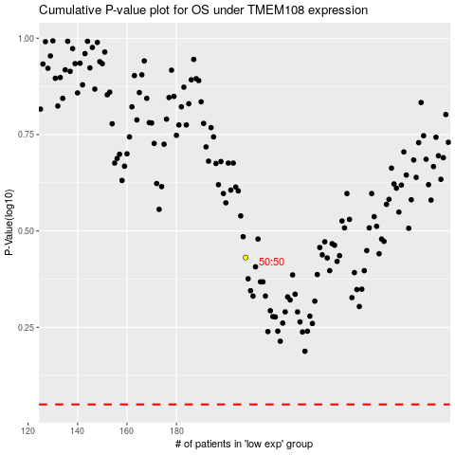

 |  |  |  |  |  | cases_OS | p_OS | rank | exp
 |  |  |  |  |  |  | cases_RFS | p_RFS | rank | exp

