TMEM109 _multivariate
Reported by Tex Li-Hsing Chi. tex@gate.sinica.edu.tw 2019-08-15

Table 2. The clinicopathological features of HNSCC cohort and TMEM109 expression. (Chi square test)
Cutoff at -0.249 (46.1%)
 |  | TMEM109 expression |  | TMEM109 expression |  | (Optimised)
 | Features | Low | (%) | High | (%) | Case no | P-value | Remark | Matthews
Gender | Female | 136 | 32.8 | 170 | 41 | 415 | 0.2566 | 0 | 0
2 | Male | 56 | 13.5 | 53 | 12.8
Age at diagnosis | <=65y | 126 | 30.4 | 148 | 35.7 | 415 | 0.9559 | 0 | 0
4 | >65y | 66 | 15.9 | 75 | 18.1
Clinical T Status | T1+T2 | 66 | 15.9 | 83 | 20 | 415 | 0.6173 | 0 | 0
6 | T3+T4 | 126 | 30.4 | 140 | 33.7
Clinical N Status | N0 | 105 | 25.3 | 111 | 26.7 | 415 | 0.3681 | 0 | 0
8 | N1-3 | 87 | 21 | 112 | 27
Clinical M Status | M0 | 191 | 46 | 221 | 53.3 | 415 | 1 | 0 | 0
10 | M1 | 1 | 0.2 | 2 | 0.5
Clinical Stage | Stage I+II | 50 | 12 | 52 | 12.5 | 415 | 0.5974 | 0 | 0
12 | Stage III+IV | 142 | 34.2 | 171 | 41.2
Surgical Margin status | Negative | 143 | 34.5 | 175 | 42.2 | 415 | 0.3538 | 0 | 0
14 | Positive | 49 | 11.8 | 48 | 11.6
Tobacco Exposure | Low | 90 | 21.7 | 71 | 17.1 | 415 | 0.0024 | 1 | 0
16 | High | 102 | 24.6 | 152 | 36.6

Table 3. Univariate/Multivariate Cox's proportional hazards regression analyses on OS time of TMEM109 gene expression in HNSCC

 |  | Univariate |  |  |  | Multivariate
 | Features | HR | CI95%(L) | CI95%(H) | P-value | HR | CI95%(L) | CI95%(H) | P-value
1 | Female | 1 |  |  |  | 1
Gender | Male | 1.157 | 0.843 | 1.587 | 0.367 | 1.151 | 0.821 | 1.614 | 0.414
11 | <=65y | 1 |  |  |  | 1
Age at diagnosis | >65y | 1.329 | 0.99 | 1.784 | 0.058 | 1.417 | 1.041 | 1.928 | 0.027
12 | T1+T2 | 1 |  |  |  | 1
Clinical T Status | T3+T4 | 1.409 | 1.028 | 1.931 | 0.033 | 2.132 | 1.126 | 4.035 | 0.02
13 | N0 | 1 |  |  |  | 1
Clinical N Status | N1-3 | 1.185 | 0.89 | 1.577 | 0.246 | 1.249 | 0.877 | 1.779 | 0.218
14 | M0 | 1 |  |  |  | 1
Clinical M Status | M1 | 4.097 | 1.009 | 16.644 | 0.049 | 9.911 | 2.159 | 45.495 | 0.003
15 | Stage I+II | 1 |  |  |  | 1
Clinical Stage | Stage III+IV | 1.245 | 0.882 | 1.759 | 0.213 | 0.519 | 0.242 | 1.114 | 0.092
16 | Negative | 1 |  |  |  | 1
Surgical Margin status | Positive | 1.591 | 1.155 | 2.191 | 0.004 | 1.642 | 1.188 | 2.27 | 0.003
17 | Low | 1 |  |  |  | 1
Tobacco Exposure | High | 1.364 | 1.008 | 1.844 | 0.044 | 1.579 | 1.136 | 2.194 | 0.007
18 | Low | 1 |  |  |  | 1
RNAseq(z-score) | High | 0.747 | 0.561 | 0.994 | 0.046 | 0.701 | 0.521 | 0.945 | 0.02

Table 4. Univariate/Multivariate Cox's proportional hazards regression analyses on RFS time of TMEM109 gene expression in HNSCC

 |  | Univariate |  |  |  | Multivariate
 | Features | HR | CI95%(L) | CI95%(H) | P-value | HR | CI95%(L) | CI95%(H) | P-value
1 | Female | 1 |  |  |  | 1
Gender | Male | 1.157 | 0.843 | 1.587 | 0.367 | 1.151 | 0.821 | 1.614 | 0.414
11 | <=65y | 1 |  |  |  | 1
Age at diagnosis | >65y | 1.329 | 0.99 | 1.784 | 0.058 | 1.417 | 1.041 | 1.928 | 0.027
12 | T1+T2 | 1 |  |  |  | 1
Clinical T Status | T3+T4 | 1.409 | 1.028 | 1.931 | 0.033 | 2.132 | 1.126 | 4.035 | 0.02
13 | N0 | 1 |  |  |  | 1
Clinical N Status | N1-3 | 1.185 | 0.89 | 1.577 | 0.246 | 1.249 | 0.877 | 1.779 | 0.218
14 | M0 | 1 |  |  |  | 1
Clinical M Status | M1 | 4.097 | 1.009 | 16.644 | 0.049 | 9.911 | 2.159 | 45.495 | 0.003
15 | Stage I+II | 1 |  |  |  | 1
Clinical Stage | Stage III+IV | 1.245 | 0.882 | 1.759 | 0.213 | 0.519 | 0.242 | 1.114 | 0.092
16 | Negative | 1 |  |  |  | 1
Surgical Margin status | Positive | 1.591 | 1.155 | 2.191 | 0.004 | 1.642 | 1.188 | 2.27 | 0.003
17 | Low | 1 |  |  |  | 1
Tobacco Exposure | High | 1.364 | 1.008 | 1.844 | 0.044 | 1.579 | 1.136 | 2.194 | 0.007
18 | Low | 1 |  |  |  | 1
RNAseq(z-score) | High | 0.747 | 0.561 | 0.994 | 0.046 | 0.701 | 0.521 | 0.945 | 0.02

Kaplan-Meier survival estimate: Cutoff at -0.249 (46.1%)



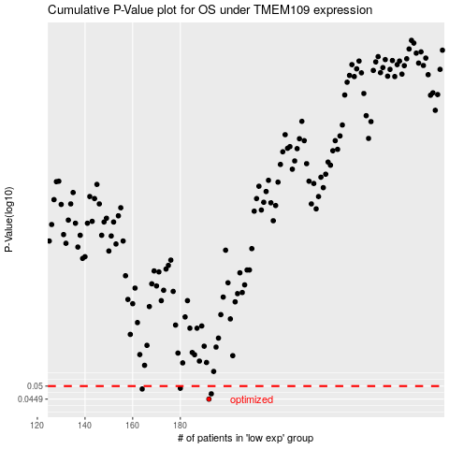

 |  |  |  |  |  | cases_OS | p_OS | rank | exp
 |  |  |  |  |  | 192 | 0.0449 | 27 | -0.24856364923
 |  |  |  |  |  | 193 | 0.0469 | 329 | -0.24488532693
 |  |  |  |  |  | 164 | 0.0488 | 119 | -0.41035167936
 |  |  |  |  |  | 180 | 0.0491 | 150 | -0.30984906228
 |  |  |  |  |  |  | cases_RFS | p_RFS | rank | exp
 |  |  |  |  |  |  | 191 | 0.0449 | 61 | -0.25776553297
 |  |  |  |  |  |  | 192 | 0.0469 | 27 | -0.24856364923
 |  |  |  |  |  |  | 163 | 0.0488 | 133 | -0.41280668681
 |  |  |  |  |  |  | 179 | 0.0491 | 296 | -0.3155042857

