TMEM110 _multivariate
Reported by Tex Li-Hsing Chi. tex@gate.sinica.edu.tw 2019-08-15

Table 2. The clinicopathological features of HNSCC cohort and TMEM110 expression. (Chi square test)
Cutoff at -0.153 (49.8%)
 |  | TMEM110 expression |  | TMEM110 expression |  | (Optimised)
 | Features | Low | (%) | High | (%) | Case no | P-value | Remark | Matthews
Gender | Female | 160 | 38.6 | 146 | 35.2 | 415 | 0.1254 | 0 | 0
2 | Male | 47 | 11.3 | 62 | 14.9
Age at diagnosis | <=65y | 145 | 34.9 | 129 | 31.1 | 415 | 0.1046 | 0 | 0
4 | >65y | 62 | 14.9 | 79 | 19
Clinical T Status | T1+T2 | 70 | 16.9 | 79 | 19 | 415 | 0.4343 | 0 | 0
6 | T3+T4 | 137 | 33 | 129 | 31.1
Clinical N Status | N0 | 99 | 23.9 | 117 | 28.2 | 415 | 0.1054 | 0 | 0
8 | N1-3 | 108 | 26 | 91 | 21.9
Clinical M Status | M0 | 204 | 49.2 | 208 | 50.1 | 415 | 0.1232 | 0 | 0
10 | M1 | 3 | 0.7 | 0 | 0
Clinical Stage | Stage I+II | 45 | 10.8 | 57 | 13.7 | 415 | 0.2202 | 0 | 0
12 | Stage III+IV | 162 | 39 | 151 | 36.4
Surgical Margin status | Negative | 161 | 38.8 | 157 | 37.8 | 415 | 0.6429 | 0 | 0
14 | Positive | 46 | 11.1 | 51 | 12.3
Tobacco Exposure | Low | 64 | 15.4 | 97 | 23.4 | 415 | 0.0012 | 1 | 0
16 | High | 143 | 34.5 | 111 | 26.7

Table 3. Univariate/Multivariate Cox's proportional hazards regression analyses on OS time of TMEM110 gene expression in HNSCC

 |  | Univariate |  |  |  | Multivariate
 | Features | HR | CI95%(L) | CI95%(H) | P-value | HR | CI95%(L) | CI95%(H) | P-value
1 | Female | 1 |  |  |  | 1
Gender | Male | 1.157 | 0.843 | 1.587 | 0.367 | 1.213 | 0.868 | 1.697 | 0.258
11 | <=65y | 1 |  |  |  | 1
Age at diagnosis | >65y | 1.329 | 0.99 | 1.784 | 0.058 | 1.406 | 1.033 | 1.913 | 0.03
12 | T1+T2 | 1 |  |  |  | 1
Clinical T Status | T3+T4 | 1.409 | 1.028 | 1.931 | 0.033 | 2.223 | 1.175 | 4.205 | 0.014
13 | N0 | 1 |  |  |  | 1
Clinical N Status | N1-3 | 1.185 | 0.89 | 1.577 | 0.246 | 1.237 | 0.867 | 1.765 | 0.242
14 | M0 | 1 |  |  |  | 1
Clinical M Status | M1 | 4.097 | 1.009 | 16.644 | 0.049 | 9.044 | 1.966 | 41.603 | 0.005
15 | Stage I+II | 1 |  |  |  | 1
Clinical Stage | Stage III+IV | 1.245 | 0.882 | 1.759 | 0.213 | 0.495 | 0.23 | 1.064 | 0.072
16 | Negative | 1 |  |  |  | 1
Surgical Margin status | Positive | 1.591 | 1.155 | 2.191 | 0.004 | 1.678 | 1.214 | 2.32 | 0.002
17 | Low | 1 |  |  |  | 1
Tobacco Exposure | High | 1.364 | 1.008 | 1.844 | 0.044 | 1.431 | 1.035 | 1.977 | 0.03
18 | Low | 1 |  |  |  | 1
RNAseq(z-score) | High | 0.885 | 0.664 | 1.18 | 0.405 | 0.893 | 0.662 | 1.205 | 0.46

Table 4. Univariate/Multivariate Cox's proportional hazards regression analyses on RFS time of TMEM110 gene expression in HNSCC

 |  | Univariate |  |  |  | Multivariate
 | Features | HR | CI95%(L) | CI95%(H) | P-value | HR | CI95%(L) | CI95%(H) | P-value
1 | Female | 1 |  |  |  | 1
Gender | Male | 1.157 | 0.843 | 1.587 | 0.367 | 1.213 | 0.868 | 1.697 | 0.258
11 | <=65y | 1 |  |  |  | 1
Age at diagnosis | >65y | 1.329 | 0.99 | 1.784 | 0.058 | 1.406 | 1.033 | 1.913 | 0.03
12 | T1+T2 | 1 |  |  |  | 1
Clinical T Status | T3+T4 | 1.409 | 1.028 | 1.931 | 0.033 | 2.223 | 1.175 | 4.205 | 0.014
13 | N0 | 1 |  |  |  | 1
Clinical N Status | N1-3 | 1.185 | 0.89 | 1.577 | 0.246 | 1.237 | 0.867 | 1.765 | 0.242
14 | M0 | 1 |  |  |  | 1
Clinical M Status | M1 | 4.097 | 1.009 | 16.644 | 0.049 | 9.044 | 1.966 | 41.603 | 0.005
15 | Stage I+II | 1 |  |  |  | 1
Clinical Stage | Stage III+IV | 1.245 | 0.882 | 1.759 | 0.213 | 0.495 | 0.23 | 1.064 | 0.072
16 | Negative | 1 |  |  |  | 1
Surgical Margin status | Positive | 1.591 | 1.155 | 2.191 | 0.004 | 1.678 | 1.214 | 2.32 | 0.002
17 | Low | 1 |  |  |  | 1
Tobacco Exposure | High | 1.364 | 1.008 | 1.844 | 0.044 | 1.431 | 1.035 | 1.977 | 0.03
18 | Low | 1 |  |  |  | 1
RNAseq(z-score) | High | 0.885 | 0.664 | 1.18 | 0.405 | 0.893 | 0.662 | 1.205 | 0.46

Kaplan-Meier survival estimate: Cutoff at -0.153 (49.8%)



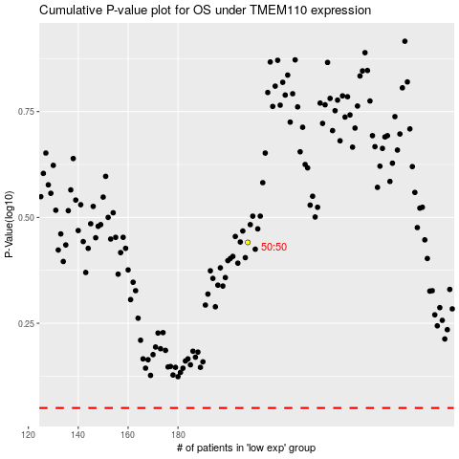

 |  |  |  |  |  | cases_OS | p_OS | rank | exp
 |  |  |  |  |  |  | cases_RFS | p_RFS | rank | exp

