TMEM119 _multivariate
Reported by Tex Li-Hsing Chi. tex@gate.sinica.edu.tw 2019-08-15

Table 2. The clinicopathological features of HNSCC cohort and TMEM119 expression. (Chi square test)
Cutoff at -0.294 (49.8%)
 |  | TMEM119 expression |  | TMEM119 expression |  | (Optimised)
 | Features | Low | (%) | High | (%) | Case no | P-value | Remark | Matthews
Gender | Female | 149 | 35.9 | 157 | 37.8 | 415 | 0.4848 | 0 | 0
2 | Male | 58 | 14 | 51 | 12.3
Age at diagnosis | <=65y | 145 | 34.9 | 129 | 31.1 | 415 | 0.1046 | 0 | 0
4 | >65y | 62 | 14.9 | 79 | 19
Clinical T Status | T1+T2 | 80 | 19.3 | 69 | 16.6 | 415 | 0.2891 | 0 | 0
6 | T3+T4 | 127 | 30.6 | 139 | 33.5
Clinical N Status | N0 | 110 | 26.5 | 106 | 25.5 | 415 | 0.7294 | 0 | 0
8 | N1-3 | 97 | 23.4 | 102 | 24.6
Clinical M Status | M0 | 204 | 49.2 | 208 | 50.1 | 415 | 0.1232 | 0 | 0
10 | M1 | 3 | 0.7 | 0 | 0
Clinical Stage | Stage I+II | 52 | 12.5 | 50 | 12 | 415 | 0.8871 | 0 | 0
12 | Stage III+IV | 155 | 37.3 | 158 | 38.1
Surgical Margin status | Negative | 155 | 37.3 | 163 | 39.3 | 415 | 0.4187 | 0 | 0
14 | Positive | 52 | 12.5 | 45 | 10.8
Tobacco Exposure | Low | 92 | 22.2 | 69 | 16.6 | 415 | 0.0206 | 1 | 0
16 | High | 115 | 27.7 | 139 | 33.5

Table 3. Univariate/Multivariate Cox's proportional hazards regression analyses on OS time of TMEM119 gene expression in HNSCC

 |  | Univariate |  |  |  | Multivariate
 | Features | HR | CI95%(L) | CI95%(H) | P-value | HR | CI95%(L) | CI95%(H) | P-value
1 | Female | 1 |  |  |  | 1
Gender | Male | 1.157 | 0.843 | 1.587 | 0.367 | 1.193 | 0.853 | 1.67 | 0.303
11 | <=65y | 1 |  |  |  | 1
Age at diagnosis | >65y | 1.329 | 0.99 | 1.784 | 0.058 | 1.407 | 1.034 | 1.912 | 0.03
12 | T1+T2 | 1 |  |  |  | 1
Clinical T Status | T3+T4 | 1.409 | 1.028 | 1.931 | 0.033 | 2.263 | 1.195 | 4.285 | 0.012
13 | N0 | 1 |  |  |  | 1
Clinical N Status | N1-3 | 1.185 | 0.89 | 1.577 | 0.246 | 1.256 | 0.88 | 1.792 | 0.21
14 | M0 | 1 |  |  |  | 1
Clinical M Status | M1 | 4.097 | 1.009 | 16.644 | 0.049 | 8.523 | 1.852 | 39.23 | 0.006
15 | Stage I+II | 1 |  |  |  | 1
Clinical Stage | Stage III+IV | 1.245 | 0.882 | 1.759 | 0.213 | 0.494 | 0.23 | 1.06 | 0.07
16 | Negative | 1 |  |  |  | 1
Surgical Margin status | Positive | 1.591 | 1.155 | 2.191 | 0.004 | 1.663 | 1.203 | 2.3 | 0.002
17 | Low | 1 |  |  |  | 1
Tobacco Exposure | High | 1.364 | 1.008 | 1.844 | 0.044 | 1.501 | 1.085 | 2.076 | 0.014
18 | Low | 1 |  |  |  | 1
RNAseq(z-score) | High | 0.828 | 0.621 | 1.104 | 0.199 | 0.784 | 0.585 | 1.05 | 0.103

Table 4. Univariate/Multivariate Cox's proportional hazards regression analyses on RFS time of TMEM119 gene expression in HNSCC

 |  | Univariate |  |  |  | Multivariate
 | Features | HR | CI95%(L) | CI95%(H) | P-value | HR | CI95%(L) | CI95%(H) | P-value
1 | Female | 1 |  |  |  | 1
Gender | Male | 1.157 | 0.843 | 1.587 | 0.367 | 1.193 | 0.853 | 1.67 | 0.303
11 | <=65y | 1 |  |  |  | 1
Age at diagnosis | >65y | 1.329 | 0.99 | 1.784 | 0.058 | 1.407 | 1.034 | 1.912 | 0.03
12 | T1+T2 | 1 |  |  |  | 1
Clinical T Status | T3+T4 | 1.409 | 1.028 | 1.931 | 0.033 | 2.263 | 1.195 | 4.285 | 0.012
13 | N0 | 1 |  |  |  | 1
Clinical N Status | N1-3 | 1.185 | 0.89 | 1.577 | 0.246 | 1.256 | 0.88 | 1.792 | 0.21
14 | M0 | 1 |  |  |  | 1
Clinical M Status | M1 | 4.097 | 1.009 | 16.644 | 0.049 | 8.523 | 1.852 | 39.23 | 0.006
15 | Stage I+II | 1 |  |  |  | 1
Clinical Stage | Stage III+IV | 1.245 | 0.882 | 1.759 | 0.213 | 0.494 | 0.23 | 1.06 | 0.07
16 | Negative | 1 |  |  |  | 1
Surgical Margin status | Positive | 1.591 | 1.155 | 2.191 | 0.004 | 1.663 | 1.203 | 2.3 | 0.002
17 | Low | 1 |  |  |  | 1
Tobacco Exposure | High | 1.364 | 1.008 | 1.844 | 0.044 | 1.501 | 1.085 | 2.076 | 0.014
18 | Low | 1 |  |  |  | 1
RNAseq(z-score) | High | 0.828 | 0.621 | 1.104 | 0.199 | 0.784 | 0.585 | 1.05 | 0.103

Kaplan-Meier survival estimate: Cutoff at -0.294 (49.8%)

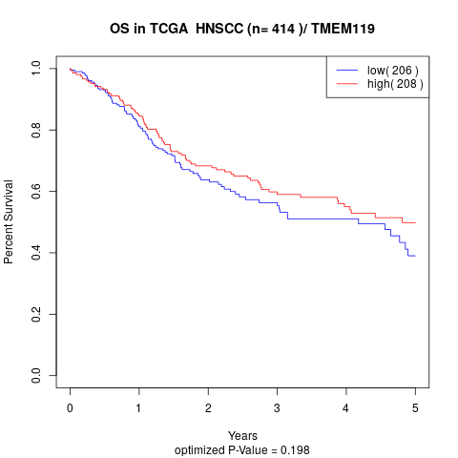

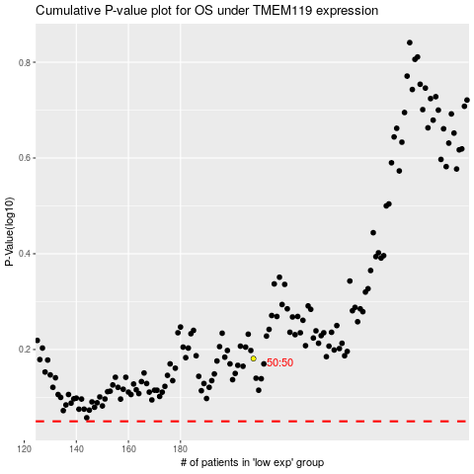

 |  |  |  |  |  | cases_OS | p_OS | rank | exp
 |  |  |  |  |  |  | cases_RFS | p_RFS | rank | exp

