TMEM120B _multivariate
Reported by Tex Li-Hsing Chi. tex@gate.sinica.edu.tw 2019-08-15

Table 2. The clinicopathological features of HNSCC cohort and TMEM120B expression. (Chi square test)
Cutoff at -0.122 (49.8%)
 |  | TMEM120B expression |  | TMEM120B expression |  | (Optimised)
 | Features | Low | (%) | High | (%) | Case no | P-value | Remark | Matthews
Gender | Female | 140 | 33.7 | 166 | 40 | 415 | 0.0068 | 1 | 0
2 | Male | 67 | 16.1 | 42 | 10.1
Age at diagnosis | <=65y | 130 | 31.3 | 144 | 34.7 | 415 | 0.2009 | 0 | 0
4 | >65y | 77 | 18.6 | 64 | 15.4
Clinical T Status | T1+T2 | 77 | 18.6 | 72 | 17.3 | 415 | 0.6556 | 0 | 0
6 | T3+T4 | 130 | 31.3 | 136 | 32.8
Clinical N Status | N0 | 105 | 25.3 | 111 | 26.7 | 415 | 0.6598 | 0 | 0
8 | N1-3 | 102 | 24.6 | 97 | 23.4
Clinical M Status | M0 | 205 | 49.4 | 207 | 49.9 | 415 | 0.6232 | 0 | 0
10 | M1 | 2 | 0.5 | 1 | 0.2
Clinical Stage | Stage I+II | 51 | 12.3 | 51 | 12.3 | 415 | 1 | 0 | 0
12 | Stage III+IV | 156 | 37.6 | 157 | 37.8
Surgical Margin status | Negative | 158 | 38.1 | 160 | 38.6 | 415 | 0.9081 | 0 | 0
14 | Positive | 49 | 11.8 | 48 | 11.6
Tobacco Exposure | Low | 91 | 21.9 | 70 | 16.9 | 415 | 0.0346 | 1 | 0
16 | High | 116 | 28 | 138 | 33.3

Table 3. Univariate/Multivariate Cox's proportional hazards regression analyses on OS time of TMEM120B gene expression in HNSCC

 |  | Univariate |  |  |  | Multivariate
 | Features | HR | CI95%(L) | CI95%(H) | P-value | HR | CI95%(L) | CI95%(H) | P-value
1 | Female | 1 |  |  |  | 1
Gender | Male | 1.157 | 0.843 | 1.587 | 0.367 | 1.189 | 0.849 | 1.666 | 0.313
11 | <=65y | 1 |  |  |  | 1
Age at diagnosis | >65y | 1.329 | 0.99 | 1.784 | 0.058 | 1.391 | 1.024 | 1.891 | 0.035
12 | T1+T2 | 1 |  |  |  | 1
Clinical T Status | T3+T4 | 1.409 | 1.028 | 1.931 | 0.033 | 2.21 | 1.168 | 4.181 | 0.015
13 | N0 | 1 |  |  |  | 1
Clinical N Status | N1-3 | 1.185 | 0.89 | 1.577 | 0.246 | 1.24 | 0.869 | 1.77 | 0.235
14 | M0 | 1 |  |  |  | 1
Clinical M Status | M1 | 4.097 | 1.009 | 16.644 | 0.049 | 9.244 | 2.012 | 42.467 | 0.004
15 | Stage I+II | 1 |  |  |  | 1
Clinical Stage | Stage III+IV | 1.245 | 0.882 | 1.759 | 0.213 | 0.501 | 0.233 | 1.076 | 0.076
16 | Negative | 1 |  |  |  | 1
Surgical Margin status | Positive | 1.591 | 1.155 | 2.191 | 0.004 | 1.678 | 1.214 | 2.32 | 0.002
17 | Low | 1 |  |  |  | 1
Tobacco Exposure | High | 1.364 | 1.008 | 1.844 | 0.044 | 1.459 | 1.059 | 2.01 | 0.021
18 | Low | 1 |  |  |  | 1
RNAseq(z-score) | High | 0.943 | 0.708 | 1.256 | 0.688 | 0.939 | 0.7 | 1.258 | 0.672

Table 4. Univariate/Multivariate Cox's proportional hazards regression analyses on RFS time of TMEM120B gene expression in HNSCC

 |  | Univariate |  |  |  | Multivariate
 | Features | HR | CI95%(L) | CI95%(H) | P-value | HR | CI95%(L) | CI95%(H) | P-value
1 | Female | 1 |  |  |  | 1
Gender | Male | 1.157 | 0.843 | 1.587 | 0.367 | 1.189 | 0.849 | 1.666 | 0.313
11 | <=65y | 1 |  |  |  | 1
Age at diagnosis | >65y | 1.329 | 0.99 | 1.784 | 0.058 | 1.391 | 1.024 | 1.891 | 0.035
12 | T1+T2 | 1 |  |  |  | 1
Clinical T Status | T3+T4 | 1.409 | 1.028 | 1.931 | 0.033 | 2.21 | 1.168 | 4.181 | 0.015
13 | N0 | 1 |  |  |  | 1
Clinical N Status | N1-3 | 1.185 | 0.89 | 1.577 | 0.246 | 1.24 | 0.869 | 1.77 | 0.235
14 | M0 | 1 |  |  |  | 1
Clinical M Status | M1 | 4.097 | 1.009 | 16.644 | 0.049 | 9.244 | 2.012 | 42.467 | 0.004
15 | Stage I+II | 1 |  |  |  | 1
Clinical Stage | Stage III+IV | 1.245 | 0.882 | 1.759 | 0.213 | 0.501 | 0.233 | 1.076 | 0.076
16 | Negative | 1 |  |  |  | 1
Surgical Margin status | Positive | 1.591 | 1.155 | 2.191 | 0.004 | 1.678 | 1.214 | 2.32 | 0.002
17 | Low | 1 |  |  |  | 1
Tobacco Exposure | High | 1.364 | 1.008 | 1.844 | 0.044 | 1.459 | 1.059 | 2.01 | 0.021
18 | Low | 1 |  |  |  | 1
RNAseq(z-score) | High | 0.943 | 0.708 | 1.256 | 0.688 | 0.939 | 0.7 | 1.258 | 0.672

Kaplan-Meier survival estimate: Cutoff at -0.122 (49.8%)



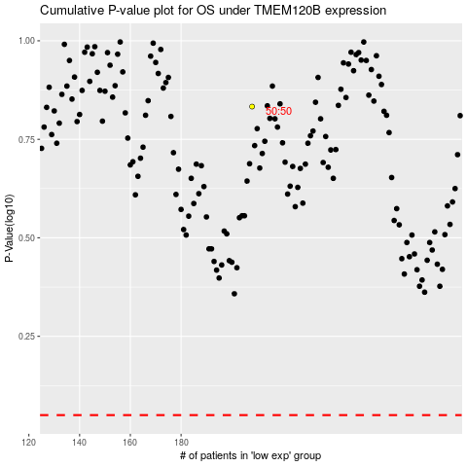

 |  |  |  |  |  | cases_OS | p_OS | rank | exp
 |  |  |  |  |  |  | cases_RFS | p_RFS | rank | exp

