TMEM125 _multivariate
Reported by Tex Li-Hsing Chi. tex@gate.sinica.edu.tw 2019-08-15

Table 2. The clinicopathological features of HNSCC cohort and TMEM125 expression. (Chi square test)
Cutoff at -0.357 (50.0%)
 |  | TMEM125 expression |  | TMEM125 expression |  | (Optimised)
 | Features | Low | (%) | High | (%) | Case no | P-value | Remark | Matthews
Gender | Female | 154 | 37.1 | 152 | 36.6 | 415 | 0.8463 | 0 | 0
2 | Male | 53 | 12.8 | 56 | 13.5
Age at diagnosis | <=65y | 133 | 32 | 141 | 34 | 415 | 0.5111 | 0 | 0
4 | >65y | 74 | 17.8 | 67 | 16.1
Clinical T Status | T1+T2 | 83 | 20 | 66 | 15.9 | 415 | 0.0941 | 0 | 0
6 | T3+T4 | 124 | 29.9 | 142 | 34.2
Clinical N Status | N0 | 104 | 25.1 | 112 | 27 | 415 | 0.5243 | 0 | 0
8 | N1-3 | 103 | 24.8 | 96 | 23.1
Clinical M Status | M0 | 206 | 49.6 | 206 | 49.6 | 415 | 1 | 0 | 0
10 | M1 | 1 | 0.2 | 2 | 0.5
Clinical Stage | Stage I+II | 58 | 14 | 44 | 10.6 | 415 | 0.131 | 0 | 0
12 | Stage III+IV | 149 | 35.9 | 164 | 39.5
Surgical Margin status | Negative | 164 | 39.5 | 154 | 37.1 | 415 | 0.2462 | 0 | 0
14 | Positive | 43 | 10.4 | 54 | 13
Tobacco Exposure | Low | 80 | 19.3 | 81 | 19.5 | 415 | 1 | 0 | 0
16 | High | 127 | 30.6 | 127 | 30.6

Table 3. Univariate/Multivariate Cox's proportional hazards regression analyses on OS time of TMEM125 gene expression in HNSCC

 |  | Univariate |  |  |  | Multivariate
 | Features | HR | CI95%(L) | CI95%(H) | P-value | HR | CI95%(L) | CI95%(H) | P-value
1 | Female | 1 |  |  |  | 1
Gender | Male | 1.157 | 0.843 | 1.587 | 0.367 | 1.231 | 0.881 | 1.72 | 0.222
11 | <=65y | 1 |  |  |  | 1
Age at diagnosis | >65y | 1.329 | 0.99 | 1.784 | 0.058 | 1.399 | 1.029 | 1.901 | 0.032
12 | T1+T2 | 1 |  |  |  | 1
Clinical T Status | T3+T4 | 1.409 | 1.028 | 1.931 | 0.033 | 2.188 | 1.157 | 4.137 | 0.016
13 | N0 | 1 |  |  |  | 1
Clinical N Status | N1-3 | 1.185 | 0.89 | 1.577 | 0.246 | 1.197 | 0.838 | 1.712 | 0.323
14 | M0 | 1 |  |  |  | 1
Clinical M Status | M1 | 4.097 | 1.009 | 16.644 | 0.049 | 10.425 | 2.267 | 47.952 | 0.003
15 | Stage I+II | 1 |  |  |  | 1
Clinical Stage | Stage III+IV | 1.245 | 0.882 | 1.759 | 0.213 | 0.53 | 0.246 | 1.139 | 0.104
16 | Negative | 1 |  |  |  | 1
Surgical Margin status | Positive | 1.591 | 1.155 | 2.191 | 0.004 | 1.718 | 1.242 | 2.376 | 0.001
17 | Low | 1 |  |  |  | 1
Tobacco Exposure | High | 1.364 | 1.008 | 1.844 | 0.044 | 1.474 | 1.07 | 2.03 | 0.018
18 | Low | 1 |  |  |  | 1
RNAseq(z-score) | High | 0.802 | 0.602 | 1.069 | 0.132 | 0.74 | 0.553 | 0.992 | 0.044

Table 4. Univariate/Multivariate Cox's proportional hazards regression analyses on RFS time of TMEM125 gene expression in HNSCC

 |  | Univariate |  |  |  | Multivariate
 | Features | HR | CI95%(L) | CI95%(H) | P-value | HR | CI95%(L) | CI95%(H) | P-value
1 | Female | 1 |  |  |  | 1
Gender | Male | 1.157 | 0.843 | 1.587 | 0.367 | 1.231 | 0.881 | 1.72 | 0.222
11 | <=65y | 1 |  |  |  | 1
Age at diagnosis | >65y | 1.329 | 0.99 | 1.784 | 0.058 | 1.399 | 1.029 | 1.901 | 0.032
12 | T1+T2 | 1 |  |  |  | 1
Clinical T Status | T3+T4 | 1.409 | 1.028 | 1.931 | 0.033 | 2.188 | 1.157 | 4.137 | 0.016
13 | N0 | 1 |  |  |  | 1
Clinical N Status | N1-3 | 1.185 | 0.89 | 1.577 | 0.246 | 1.197 | 0.838 | 1.712 | 0.323
14 | M0 | 1 |  |  |  | 1
Clinical M Status | M1 | 4.097 | 1.009 | 16.644 | 0.049 | 10.425 | 2.267 | 47.952 | 0.003
15 | Stage I+II | 1 |  |  |  | 1
Clinical Stage | Stage III+IV | 1.245 | 0.882 | 1.759 | 0.213 | 0.53 | 0.246 | 1.139 | 0.104
16 | Negative | 1 |  |  |  | 1
Surgical Margin status | Positive | 1.591 | 1.155 | 2.191 | 0.004 | 1.718 | 1.242 | 2.376 | 0.001
17 | Low | 1 |  |  |  | 1
Tobacco Exposure | High | 1.364 | 1.008 | 1.844 | 0.044 | 1.474 | 1.07 | 2.03 | 0.018
18 | Low | 1 |  |  |  | 1
RNAseq(z-score) | High | 0.802 | 0.602 | 1.069 | 0.132 | 0.74 | 0.553 | 0.992 | 0.044

Kaplan-Meier survival estimate: Cutoff at -0.357 (50.0%)



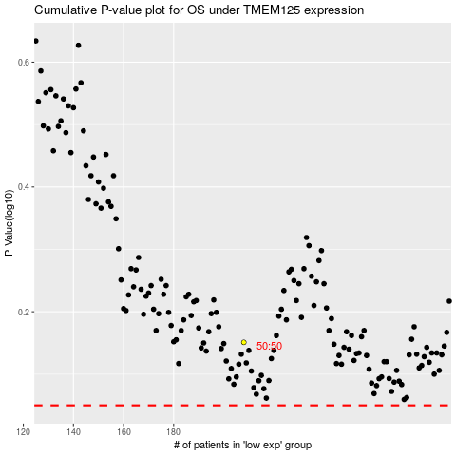

 |  |  |  |  |  | cases_OS | p_OS | rank | exp
 |  |  |  |  |  |  | cases_RFS | p_RFS | rank | exp

