TMEM126A _multivariate
Reported by Tex Li-Hsing Chi. tex@gate.sinica.edu.tw 2019-08-15

Table 2. The clinicopathological features of HNSCC cohort and TMEM126A expression. (Chi square test)
Cutoff at -0.245 (49.8%)
 |  | TMEM126A expression |  | TMEM126A expression |  | (Optimised)
 | Features | Low | (%) | High | (%) | Case no | P-value | Remark | Matthews
Gender | Female | 163 | 39.3 | 143 | 34.5 | 415 | 0.0277 | 1 | 0
2 | Male | 44 | 10.6 | 65 | 15.7
Age at diagnosis | <=65y | 138 | 33.3 | 136 | 32.8 | 415 | 0.8634 | 0 | 0
4 | >65y | 69 | 16.6 | 72 | 17.3
Clinical T Status | T1+T2 | 73 | 17.6 | 76 | 18.3 | 415 | 0.8666 | 0 | 0
6 | T3+T4 | 134 | 32.3 | 132 | 31.8
Clinical N Status | N0 | 99 | 23.9 | 117 | 28.2 | 415 | 0.1054 | 0 | 0
8 | N1-3 | 108 | 26 | 91 | 21.9
Clinical M Status | M0 | 205 | 49.4 | 207 | 49.9 | 415 | 0.6232 | 0 | 0
10 | M1 | 2 | 0.5 | 1 | 0.2
Clinical Stage | Stage I+II | 44 | 10.6 | 58 | 14 | 415 | 0.1459 | 0 | 0
12 | Stage III+IV | 163 | 39.3 | 150 | 36.1
Surgical Margin status | Negative | 156 | 37.6 | 162 | 39 | 415 | 0.5636 | 0 | 0
14 | Positive | 51 | 12.3 | 46 | 11.1
Tobacco Exposure | Low | 69 | 16.6 | 92 | 22.2 | 415 | 0.0266 | 1 | 0
16 | High | 138 | 33.3 | 116 | 28

Table 3. Univariate/Multivariate Cox's proportional hazards regression analyses on OS time of TMEM126A gene expression in HNSCC

 |  | Univariate |  |  |  | Multivariate
 | Features | HR | CI95%(L) | CI95%(H) | P-value | HR | CI95%(L) | CI95%(H) | P-value
1 | Female | 1 |  |  |  | 1
Gender | Male | 1.157 | 0.843 | 1.587 | 0.367 | 1.212 | 0.867 | 1.696 | 0.261
11 | <=65y | 1 |  |  |  | 1
Age at diagnosis | >65y | 1.329 | 0.99 | 1.784 | 0.058 | 1.389 | 1.022 | 1.888 | 0.036
12 | T1+T2 | 1 |  |  |  | 1
Clinical T Status | T3+T4 | 1.409 | 1.028 | 1.931 | 0.033 | 2.221 | 1.173 | 4.203 | 0.014
13 | N0 | 1 |  |  |  | 1
Clinical N Status | N1-3 | 1.185 | 0.89 | 1.577 | 0.246 | 1.239 | 0.869 | 1.769 | 0.237
14 | M0 | 1 |  |  |  | 1
Clinical M Status | M1 | 4.097 | 1.009 | 16.644 | 0.049 | 9.454 | 2.062 | 43.34 | 0.004
15 | Stage I+II | 1 |  |  |  | 1
Clinical Stage | Stage III+IV | 1.245 | 0.882 | 1.759 | 0.213 | 0.495 | 0.23 | 1.065 | 0.072
16 | Negative | 1 |  |  |  | 1
Surgical Margin status | Positive | 1.591 | 1.155 | 2.191 | 0.004 | 1.674 | 1.211 | 2.313 | 0.002
17 | Low | 1 |  |  |  | 1
Tobacco Exposure | High | 1.364 | 1.008 | 1.844 | 0.044 | 1.444 | 1.047 | 1.99 | 0.025
18 | Low | 1 |  |  |  | 1
RNAseq(z-score) | High | 0.896 | 0.671 | 1.197 | 0.459 | 0.917 | 0.682 | 1.233 | 0.567

Table 4. Univariate/Multivariate Cox's proportional hazards regression analyses on RFS time of TMEM126A gene expression in HNSCC

 |  | Univariate |  |  |  | Multivariate
 | Features | HR | CI95%(L) | CI95%(H) | P-value | HR | CI95%(L) | CI95%(H) | P-value
1 | Female | 1 |  |  |  | 1
Gender | Male | 1.157 | 0.843 | 1.587 | 0.367 | 1.212 | 0.867 | 1.696 | 0.261
11 | <=65y | 1 |  |  |  | 1
Age at diagnosis | >65y | 1.329 | 0.99 | 1.784 | 0.058 | 1.389 | 1.022 | 1.888 | 0.036
12 | T1+T2 | 1 |  |  |  | 1
Clinical T Status | T3+T4 | 1.409 | 1.028 | 1.931 | 0.033 | 2.221 | 1.173 | 4.203 | 0.014
13 | N0 | 1 |  |  |  | 1
Clinical N Status | N1-3 | 1.185 | 0.89 | 1.577 | 0.246 | 1.239 | 0.869 | 1.769 | 0.237
14 | M0 | 1 |  |  |  | 1
Clinical M Status | M1 | 4.097 | 1.009 | 16.644 | 0.049 | 9.454 | 2.062 | 43.34 | 0.004
15 | Stage I+II | 1 |  |  |  | 1
Clinical Stage | Stage III+IV | 1.245 | 0.882 | 1.759 | 0.213 | 0.495 | 0.23 | 1.065 | 0.072
16 | Negative | 1 |  |  |  | 1
Surgical Margin status | Positive | 1.591 | 1.155 | 2.191 | 0.004 | 1.674 | 1.211 | 2.313 | 0.002
17 | Low | 1 |  |  |  | 1
Tobacco Exposure | High | 1.364 | 1.008 | 1.844 | 0.044 | 1.444 | 1.047 | 1.99 | 0.025
18 | Low | 1 |  |  |  | 1
RNAseq(z-score) | High | 0.896 | 0.671 | 1.197 | 0.459 | 0.917 | 0.682 | 1.233 | 0.567

Kaplan-Meier survival estimate: Cutoff at -0.245 (49.8%)



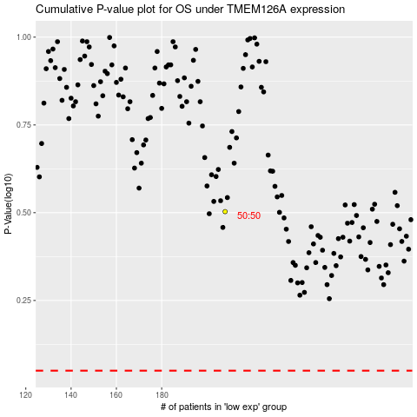

 |  |  |  |  |  | cases_OS | p_OS | rank | exp
 |  |  |  |  |  |  | cases_RFS | p_RFS | rank | exp

