TMEM127 _multivariate
Reported by Tex Li-Hsing Chi. tex@gate.sinica.edu.tw 2019-08-15

Table 2. The clinicopathological features of HNSCC cohort and TMEM127 expression. (Chi square test)
Cutoff at -0.124 (50.0%)
 |  | TMEM127 expression |  | TMEM127 expression |  | (Optimised)
 | Features | Low | (%) | High | (%) | Case no | P-value | Remark | Matthews
Gender | Female | 151 | 36.4 | 155 | 37.3 | 415 | 0.8007 | 0 | 0
2 | Male | 56 | 13.5 | 53 | 12.8
Age at diagnosis | <=65y | 136 | 32.8 | 138 | 33.3 | 415 | 0.9719 | 0 | 0
4 | >65y | 71 | 17.1 | 70 | 16.9
Clinical T Status | T1+T2 | 80 | 19.3 | 69 | 16.6 | 415 | 0.2891 | 0 | 0
6 | T3+T4 | 127 | 30.6 | 139 | 33.5
Clinical N Status | N0 | 101 | 24.3 | 115 | 27.7 | 415 | 0.2201 | 0 | 0
8 | N1-3 | 106 | 25.5 | 93 | 22.4
Clinical M Status | M0 | 205 | 49.4 | 207 | 49.9 | 415 | 0.6232 | 0 | 0
10 | M1 | 2 | 0.5 | 1 | 0.2
Clinical Stage | Stage I+II | 50 | 12 | 52 | 12.5 | 415 | 0.9315 | 0 | 0
12 | Stage III+IV | 157 | 37.8 | 156 | 37.6
Surgical Margin status | Negative | 148 | 35.7 | 170 | 41 | 415 | 0.015 | 1 | 0
14 | Positive | 59 | 14.2 | 38 | 9.2
Tobacco Exposure | Low | 84 | 20.2 | 77 | 18.6 | 415 | 0.4816 | 0 | 0
16 | High | 123 | 29.6 | 131 | 31.6

Table 3. Univariate/Multivariate Cox's proportional hazards regression analyses on OS time of TMEM127 gene expression in HNSCC

 |  | Univariate |  |  |  | Multivariate
 | Features | HR | CI95%(L) | CI95%(H) | P-value | HR | CI95%(L) | CI95%(H) | P-value
1 | Female | 1 |  |  |  | 1
Gender | Male | 1.157 | 0.843 | 1.587 | 0.367 | 1.196 | 0.856 | 1.672 | 0.294
11 | <=65y | 1 |  |  |  | 1
Age at diagnosis | >65y | 1.329 | 0.99 | 1.784 | 0.058 | 1.395 | 1.026 | 1.896 | 0.034
12 | T1+T2 | 1 |  |  |  | 1
Clinical T Status | T3+T4 | 1.409 | 1.028 | 1.931 | 0.033 | 2.233 | 1.179 | 4.229 | 0.014
13 | N0 | 1 |  |  |  | 1
Clinical N Status | N1-3 | 1.185 | 0.89 | 1.577 | 0.246 | 1.237 | 0.867 | 1.765 | 0.241
14 | M0 | 1 |  |  |  | 1
Clinical M Status | M1 | 4.097 | 1.009 | 16.644 | 0.049 | 9.407 | 2.052 | 43.118 | 0.004
15 | Stage I+II | 1 |  |  |  | 1
Clinical Stage | Stage III+IV | 1.245 | 0.882 | 1.759 | 0.213 | 0.5 | 0.233 | 1.074 | 0.075
16 | Negative | 1 |  |  |  | 1
Surgical Margin status | Positive | 1.591 | 1.155 | 2.191 | 0.004 | 1.649 | 1.189 | 2.287 | 0.003
17 | Low | 1 |  |  |  | 1
Tobacco Exposure | High | 1.364 | 1.008 | 1.844 | 0.044 | 1.454 | 1.055 | 2.003 | 0.022
18 | Low | 1 |  |  |  | 1
RNAseq(z-score) | High | 0.898 | 0.674 | 1.196 | 0.462 | 0.921 | 0.687 | 1.234 | 0.582

Table 4. Univariate/Multivariate Cox's proportional hazards regression analyses on RFS time of TMEM127 gene expression in HNSCC

 |  | Univariate |  |  |  | Multivariate
 | Features | HR | CI95%(L) | CI95%(H) | P-value | HR | CI95%(L) | CI95%(H) | P-value
1 | Female | 1 |  |  |  | 1
Gender | Male | 1.157 | 0.843 | 1.587 | 0.367 | 1.196 | 0.856 | 1.672 | 0.294
11 | <=65y | 1 |  |  |  | 1
Age at diagnosis | >65y | 1.329 | 0.99 | 1.784 | 0.058 | 1.395 | 1.026 | 1.896 | 0.034
12 | T1+T2 | 1 |  |  |  | 1
Clinical T Status | T3+T4 | 1.409 | 1.028 | 1.931 | 0.033 | 2.233 | 1.179 | 4.229 | 0.014
13 | N0 | 1 |  |  |  | 1
Clinical N Status | N1-3 | 1.185 | 0.89 | 1.577 | 0.246 | 1.237 | 0.867 | 1.765 | 0.241
14 | M0 | 1 |  |  |  | 1
Clinical M Status | M1 | 4.097 | 1.009 | 16.644 | 0.049 | 9.407 | 2.052 | 43.118 | 0.004
15 | Stage I+II | 1 |  |  |  | 1
Clinical Stage | Stage III+IV | 1.245 | 0.882 | 1.759 | 0.213 | 0.5 | 0.233 | 1.074 | 0.075
16 | Negative | 1 |  |  |  | 1
Surgical Margin status | Positive | 1.591 | 1.155 | 2.191 | 0.004 | 1.649 | 1.189 | 2.287 | 0.003
17 | Low | 1 |  |  |  | 1
Tobacco Exposure | High | 1.364 | 1.008 | 1.844 | 0.044 | 1.454 | 1.055 | 2.003 | 0.022
18 | Low | 1 |  |  |  | 1
RNAseq(z-score) | High | 0.898 | 0.674 | 1.196 | 0.462 | 0.921 | 0.687 | 1.234 | 0.582

Kaplan-Meier survival estimate: Cutoff at -0.124 (50.0%)



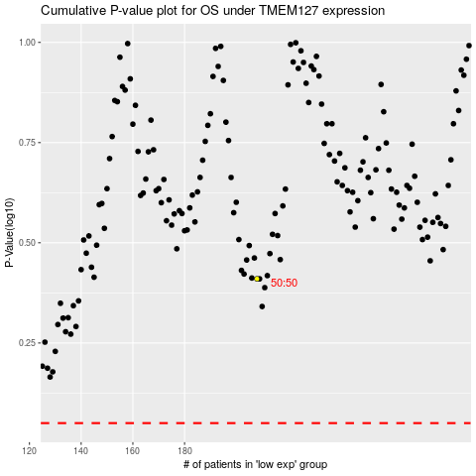

 |  |  |  |  |  | cases_OS | p_OS | rank | exp
 |  |  |  |  |  |  | cases_RFS | p_RFS | rank | exp

