TMEM131 _multivariate
Reported by Tex Li-Hsing Chi. tex@gate.sinica.edu.tw 2019-08-15

Table 2. The clinicopathological features of HNSCC cohort and TMEM131 expression. (Chi square test)
Cutoff at -0.037 (49.8%)
 |  | TMEM131 expression |  | TMEM131 expression |  | (Optimised)
 | Features | Low | (%) | High | (%) | Case no | P-value | Remark | Matthews
Gender | Female | 154 | 37.1 | 152 | 36.6 | 415 | 0.8463 | 0 | 0
2 | Male | 53 | 12.8 | 56 | 13.5
Age at diagnosis | <=65y | 132 | 31.8 | 142 | 34.2 | 415 | 0.3874 | 0 | 0
4 | >65y | 75 | 18.1 | 66 | 15.9
Clinical T Status | T1+T2 | 64 | 15.4 | 85 | 20.5 | 415 | 0.0445 | 1 | 0
6 | T3+T4 | 143 | 34.5 | 123 | 29.6
Clinical N Status | N0 | 99 | 23.9 | 117 | 28.2 | 415 | 0.1054 | 0 | 0
8 | N1-3 | 108 | 26 | 91 | 21.9
Clinical M Status | M0 | 205 | 49.4 | 207 | 49.9 | 415 | 0.6232 | 0 | 0
10 | M1 | 2 | 0.5 | 1 | 0.2
Clinical Stage | Stage I+II | 40 | 9.6 | 62 | 14.9 | 415 | 0.018 | 1 | 0
12 | Stage III+IV | 167 | 40.2 | 146 | 35.2
Surgical Margin status | Negative | 157 | 37.8 | 161 | 38.8 | 415 | 0.729 | 0 | 0
14 | Positive | 50 | 12 | 47 | 11.3
Tobacco Exposure | Low | 73 | 17.6 | 88 | 21.2 | 415 | 0.1587 | 0 | 0
16 | High | 134 | 32.3 | 120 | 28.9

Table 3. Univariate/Multivariate Cox's proportional hazards regression analyses on OS time of TMEM131 gene expression in HNSCC

 |  | Univariate |  |  |  | Multivariate
 | Features | HR | CI95%(L) | CI95%(H) | P-value | HR | CI95%(L) | CI95%(H) | P-value
1 | Female | 1 |  |  |  | 1
Gender | Male | 1.157 | 0.843 | 1.587 | 0.367 | 1.214 | 0.868 | 1.697 | 0.257
11 | <=65y | 1 |  |  |  | 1
Age at diagnosis | >65y | 1.329 | 0.99 | 1.784 | 0.058 | 1.407 | 1.033 | 1.917 | 0.03
12 | T1+T2 | 1 |  |  |  | 1
Clinical T Status | T3+T4 | 1.409 | 1.028 | 1.931 | 0.033 | 2.215 | 1.171 | 4.19 | 0.014
13 | N0 | 1 |  |  |  | 1
Clinical N Status | N1-3 | 1.185 | 0.89 | 1.577 | 0.246 | 1.256 | 0.879 | 1.795 | 0.211
14 | M0 | 1 |  |  |  | 1
Clinical M Status | M1 | 4.097 | 1.009 | 16.644 | 0.049 | 9.545 | 2.081 | 43.778 | 0.004
15 | Stage I+II | 1 |  |  |  | 1
Clinical Stage | Stage III+IV | 1.245 | 0.882 | 1.759 | 0.213 | 0.503 | 0.235 | 1.08 | 0.078
16 | Negative | 1 |  |  |  | 1
Surgical Margin status | Positive | 1.591 | 1.155 | 2.191 | 0.004 | 1.676 | 1.213 | 2.316 | 0.002
17 | Low | 1 |  |  |  | 1
Tobacco Exposure | High | 1.364 | 1.008 | 1.844 | 0.044 | 1.47 | 1.065 | 2.03 | 0.019
18 | Low | 1 |  |  |  | 1
RNAseq(z-score) | High | 0.958 | 0.719 | 1.277 | 0.771 | 1.1 | 0.819 | 1.478 | 0.527

Table 4. Univariate/Multivariate Cox's proportional hazards regression analyses on RFS time of TMEM131 gene expression in HNSCC

 |  | Univariate |  |  |  | Multivariate
 | Features | HR | CI95%(L) | CI95%(H) | P-value | HR | CI95%(L) | CI95%(H) | P-value
1 | Female | 1 |  |  |  | 1
Gender | Male | 1.157 | 0.843 | 1.587 | 0.367 | 1.214 | 0.868 | 1.697 | 0.257
11 | <=65y | 1 |  |  |  | 1
Age at diagnosis | >65y | 1.329 | 0.99 | 1.784 | 0.058 | 1.407 | 1.033 | 1.917 | 0.03
12 | T1+T2 | 1 |  |  |  | 1
Clinical T Status | T3+T4 | 1.409 | 1.028 | 1.931 | 0.033 | 2.215 | 1.171 | 4.19 | 0.014
13 | N0 | 1 |  |  |  | 1
Clinical N Status | N1-3 | 1.185 | 0.89 | 1.577 | 0.246 | 1.256 | 0.879 | 1.795 | 0.211
14 | M0 | 1 |  |  |  | 1
Clinical M Status | M1 | 4.097 | 1.009 | 16.644 | 0.049 | 9.545 | 2.081 | 43.778 | 0.004
15 | Stage I+II | 1 |  |  |  | 1
Clinical Stage | Stage III+IV | 1.245 | 0.882 | 1.759 | 0.213 | 0.503 | 0.235 | 1.08 | 0.078
16 | Negative | 1 |  |  |  | 1
Surgical Margin status | Positive | 1.591 | 1.155 | 2.191 | 0.004 | 1.676 | 1.213 | 2.316 | 0.002
17 | Low | 1 |  |  |  | 1
Tobacco Exposure | High | 1.364 | 1.008 | 1.844 | 0.044 | 1.47 | 1.065 | 2.03 | 0.019
18 | Low | 1 |  |  |  | 1
RNAseq(z-score) | High | 0.958 | 0.719 | 1.277 | 0.771 | 1.1 | 0.819 | 1.478 | 0.527

Kaplan-Meier survival estimate: Cutoff at -0.037 (49.8%)



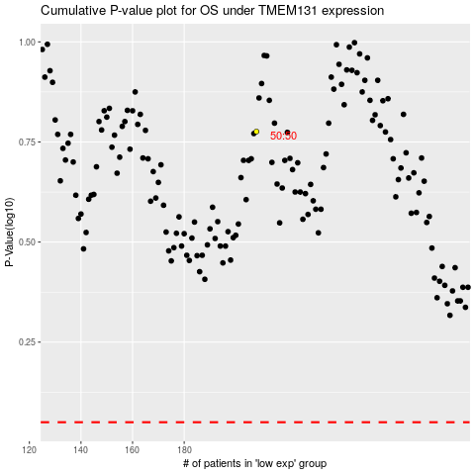

 |  |  |  |  |  | cases_OS | p_OS | rank | exp
 |  |  |  |  |  |  | cases_RFS | p_RFS | rank | exp

