TMEM132B _multivariate
Reported by Tex Li-Hsing Chi. tex@gate.sinica.edu.tw 2019-08-15

Table 2. The clinicopathological features of HNSCC cohort and TMEM132B expression. (Chi square test)
Cutoff at -0.211 (59.7%)
 |  | TMEM132B expression |  | TMEM132B expression |  | (Optimised)
 | Features | Low | (%) | High | (%) | Case no | P-value | Remark | Matthews
Gender | Female | 182 | 43.9 | 124 | 29.9 | 415 | 0.9343 | 0 | 0
2 | Male | 66 | 15.9 | 43 | 10.4
Age at diagnosis | <=65y | 160 | 38.6 | 114 | 27.5 | 415 | 0.4935 | 0 | 0
4 | >65y | 88 | 21.2 | 53 | 12.8
Clinical T Status | T1+T2 | 87 | 21 | 62 | 14.9 | 415 | 0.7478 | 0 | 0
6 | T3+T4 | 161 | 38.8 | 105 | 25.3
Clinical N Status | N0 | 120 | 28.9 | 96 | 23.1 | 415 | 0.0856 | 0 | 0
8 | N1-3 | 128 | 30.8 | 71 | 17.1
Clinical M Status | M0 | 245 | 59 | 167 | 40.2 | 415 | 0.2768 | 0 | 0
10 | M1 | 3 | 0.7 | 0 | 0
Clinical Stage | Stage I+II | 59 | 14.2 | 43 | 10.4 | 415 | 0.7353 | 0 | 0
12 | Stage III+IV | 189 | 45.5 | 124 | 29.9
Surgical Margin status | Negative | 178 | 42.9 | 140 | 33.7 | 415 | 0.0045 | 1 | 0
14 | Positive | 70 | 16.9 | 27 | 6.5
Tobacco Exposure | Low | 99 | 23.9 | 62 | 14.9 | 415 | 0.608 | 0 | 0
16 | High | 149 | 35.9 | 105 | 25.3

Table 3. Univariate/Multivariate Cox's proportional hazards regression analyses on OS time of TMEM132B gene expression in HNSCC

 |  | Univariate |  |  |  | Multivariate
 | Features | HR | CI95%(L) | CI95%(H) | P-value | HR | CI95%(L) | CI95%(H) | P-value
1 | Female | 1 |  |  |  | 1
Gender | Male | 1.157 | 0.843 | 1.587 | 0.367 | 1.173 | 0.838 | 1.642 | 0.353
11 | <=65y | 1 |  |  |  | 1
Age at diagnosis | >65y | 1.329 | 0.99 | 1.784 | 0.058 | 1.386 | 1.02 | 1.885 | 0.037
12 | T1+T2 | 1 |  |  |  | 1
Clinical T Status | T3+T4 | 1.409 | 1.028 | 1.931 | 0.033 | 2.207 | 1.167 | 4.176 | 0.015
13 | N0 | 1 |  |  |  | 1
Clinical N Status | N1-3 | 1.185 | 0.89 | 1.577 | 0.246 | 1.222 | 0.856 | 1.744 | 0.269
14 | M0 | 1 |  |  |  | 1
Clinical M Status | M1 | 4.097 | 1.009 | 16.644 | 0.049 | 8.581 | 1.864 | 39.512 | 0.006
15 | Stage I+II | 1 |  |  |  | 1
Clinical Stage | Stage III+IV | 1.245 | 0.882 | 1.759 | 0.213 | 0.514 | 0.239 | 1.104 | 0.088
16 | Negative | 1 |  |  |  | 1
Surgical Margin status | Positive | 1.591 | 1.155 | 2.191 | 0.004 | 1.625 | 1.173 | 2.25 | 0.003
17 | Low | 1 |  |  |  | 1
Tobacco Exposure | High | 1.364 | 1.008 | 1.844 | 0.044 | 1.453 | 1.053 | 2.003 | 0.023
18 | Low | 1 |  |  |  | 1
RNAseq(z-score) | High | 0.734 | 0.544 | 0.992 | 0.044 | 0.792 | 0.583 | 1.076 | 0.136

Table 4. Univariate/Multivariate Cox's proportional hazards regression analyses on RFS time of TMEM132B gene expression in HNSCC

 |  | Univariate |  |  |  | Multivariate
 | Features | HR | CI95%(L) | CI95%(H) | P-value | HR | CI95%(L) | CI95%(H) | P-value
1 | Female | 1 |  |  |  | 1
Gender | Male | 1.157 | 0.843 | 1.587 | 0.367 | 1.173 | 0.838 | 1.642 | 0.353
11 | <=65y | 1 |  |  |  | 1
Age at diagnosis | >65y | 1.329 | 0.99 | 1.784 | 0.058 | 1.386 | 1.02 | 1.885 | 0.037
12 | T1+T2 | 1 |  |  |  | 1
Clinical T Status | T3+T4 | 1.409 | 1.028 | 1.931 | 0.033 | 2.207 | 1.167 | 4.176 | 0.015
13 | N0 | 1 |  |  |  | 1
Clinical N Status | N1-3 | 1.185 | 0.89 | 1.577 | 0.246 | 1.222 | 0.856 | 1.744 | 0.269
14 | M0 | 1 |  |  |  | 1
Clinical M Status | M1 | 4.097 | 1.009 | 16.644 | 0.049 | 8.581 | 1.864 | 39.512 | 0.006
15 | Stage I+II | 1 |  |  |  | 1
Clinical Stage | Stage III+IV | 1.245 | 0.882 | 1.759 | 0.213 | 0.514 | 0.239 | 1.104 | 0.088
16 | Negative | 1 |  |  |  | 1
Surgical Margin status | Positive | 1.591 | 1.155 | 2.191 | 0.004 | 1.625 | 1.173 | 2.25 | 0.003
17 | Low | 1 |  |  |  | 1
Tobacco Exposure | High | 1.364 | 1.008 | 1.844 | 0.044 | 1.453 | 1.053 | 2.003 | 0.023
18 | Low | 1 |  |  |  | 1
RNAseq(z-score) | High | 0.734 | 0.544 | 0.992 | 0.044 | 0.792 | 0.583 | 1.076 | 0.136

Kaplan-Meier survival estimate: Cutoff at -0.211 (59.7%)

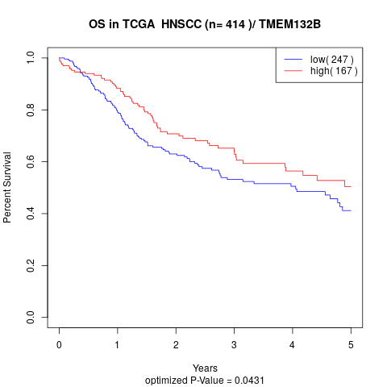

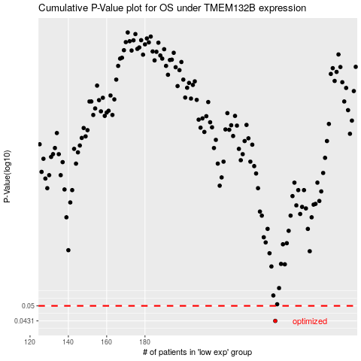

 |  |  |  |  |  | cases_OS | p_OS | rank | exp
 |  |  |  |  |  | 248 | 0.0431 | 407 | -0.21114318365
 |  |  |  |  |  |  | cases_RFS | p_RFS | rank | exp
 |  |  |  |  |  |  | 247 | 0.0431 | 284 | -0.21297842309

