TMEM132E _multivariate
Reported by Tex Li-Hsing Chi. tex@gate.sinica.edu.tw 2019-08-15

Table 2. The clinicopathological features of HNSCC cohort and TMEM132E expression. (Chi square test)
Cutoff at -0.042 (69.6%)
 |  | TMEM132E expression |  | TMEM132E expression |  | (Optimised)
 | Features | Low | (%) | High | (%) | Case no | P-value | Remark | Matthews
Gender | Female | 214 | 51.6 | 92 | 22.2 | 415 | 0.9215 | 0 | 0
2 | Male | 75 | 18.1 | 34 | 8.2
Age at diagnosis | <=65y | 193 | 46.5 | 81 | 19.5 | 415 | 0.7032 | 0 | 0
4 | >65y | 96 | 23.1 | 45 | 10.8
Clinical T Status | T1+T2 | 104 | 25.1 | 45 | 10.8 | 415 | 1 | 0 | 0
6 | T3+T4 | 185 | 44.6 | 81 | 19.5
Clinical N Status | N0 | 152 | 36.6 | 64 | 15.4 | 415 | 0.8174 | 0 | 0
8 | N1-3 | 137 | 33 | 62 | 14.9
Clinical M Status | M0 | 287 | 69.2 | 125 | 30.1 | 415 | 1 | 0 | 0
10 | M1 | 2 | 0.5 | 1 | 0.2
Clinical Stage | Stage I+II | 76 | 18.3 | 26 | 6.3 | 415 | 0.2679 | 0 | 0
12 | Stage III+IV | 213 | 51.3 | 100 | 24.1
Surgical Margin status | Negative | 223 | 53.7 | 95 | 22.9 | 415 | 0.7063 | 0 | 0
14 | Positive | 66 | 15.9 | 31 | 7.5
Tobacco Exposure | Low | 113 | 27.2 | 48 | 11.6 | 415 | 0.9129 | 0 | 0
16 | High | 176 | 42.4 | 78 | 18.8

Table 3. Univariate/Multivariate Cox's proportional hazards regression analyses on OS time of TMEM132E gene expression in HNSCC

 |  | Univariate |  |  |  | Multivariate
 | Features | HR | CI95%(L) | CI95%(H) | P-value | HR | CI95%(L) | CI95%(H) | P-value
1 | Female | 1 |  |  |  | 1
Gender | Male | 1.157 | 0.843 | 1.587 | 0.367 | 1.203 | 0.858 | 1.687 | 0.283
11 | <=65y | 1 |  |  |  | 1
Age at diagnosis | >65y | 1.329 | 0.99 | 1.784 | 0.058 | 1.399 | 1.03 | 1.901 | 0.032
12 | T1+T2 | 1 |  |  |  | 1
Clinical T Status | T3+T4 | 1.409 | 1.028 | 1.931 | 0.033 | 2.126 | 1.124 | 4.024 | 0.02
13 | N0 | 1 |  |  |  | 1
Clinical N Status | N1-3 | 1.185 | 0.89 | 1.577 | 0.246 | 1.233 | 0.863 | 1.76 | 0.25
14 | M0 | 1 |  |  |  | 1
Clinical M Status | M1 | 4.097 | 1.009 | 16.644 | 0.049 | 9.234 | 2.015 | 42.314 | 0.004
15 | Stage I+II | 1 |  |  |  | 1
Clinical Stage | Stage III+IV | 1.245 | 0.882 | 1.759 | 0.213 | 0.55 | 0.255 | 1.184 | 0.126
16 | Negative | 1 |  |  |  | 1
Surgical Margin status | Positive | 1.591 | 1.155 | 2.191 | 0.004 | 1.673 | 1.211 | 2.311 | 0.002
17 | Low | 1 |  |  |  | 1
Tobacco Exposure | High | 1.364 | 1.008 | 1.844 | 0.044 | 1.44 | 1.044 | 1.987 | 0.026
18 | Low | 1 |  |  |  | 1
RNAseq(z-score) | High | 0.707 | 0.511 | 0.978 | 0.036 | 0.702 | 0.506 | 0.974 | 0.034

Table 4. Univariate/Multivariate Cox's proportional hazards regression analyses on RFS time of TMEM132E gene expression in HNSCC

 |  | Univariate |  |  |  | Multivariate
 | Features | HR | CI95%(L) | CI95%(H) | P-value | HR | CI95%(L) | CI95%(H) | P-value
1 | Female | 1 |  |  |  | 1
Gender | Male | 1.157 | 0.843 | 1.587 | 0.367 | 1.203 | 0.858 | 1.687 | 0.283
11 | <=65y | 1 |  |  |  | 1
Age at diagnosis | >65y | 1.329 | 0.99 | 1.784 | 0.058 | 1.399 | 1.03 | 1.901 | 0.032
12 | T1+T2 | 1 |  |  |  | 1
Clinical T Status | T3+T4 | 1.409 | 1.028 | 1.931 | 0.033 | 2.126 | 1.124 | 4.024 | 0.02
13 | N0 | 1 |  |  |  | 1
Clinical N Status | N1-3 | 1.185 | 0.89 | 1.577 | 0.246 | 1.233 | 0.863 | 1.76 | 0.25
14 | M0 | 1 |  |  |  | 1
Clinical M Status | M1 | 4.097 | 1.009 | 16.644 | 0.049 | 9.234 | 2.015 | 42.314 | 0.004
15 | Stage I+II | 1 |  |  |  | 1
Clinical Stage | Stage III+IV | 1.245 | 0.882 | 1.759 | 0.213 | 0.55 | 0.255 | 1.184 | 0.126
16 | Negative | 1 |  |  |  | 1
Surgical Margin status | Positive | 1.591 | 1.155 | 2.191 | 0.004 | 1.673 | 1.211 | 2.311 | 0.002
17 | Low | 1 |  |  |  | 1
Tobacco Exposure | High | 1.364 | 1.008 | 1.844 | 0.044 | 1.44 | 1.044 | 1.987 | 0.026
18 | Low | 1 |  |  |  | 1
RNAseq(z-score) | High | 0.707 | 0.511 | 0.978 | 0.036 | 0.702 | 0.506 | 0.974 | 0.034

Kaplan-Meier survival estimate: Cutoff at -0.042 (69.6%)

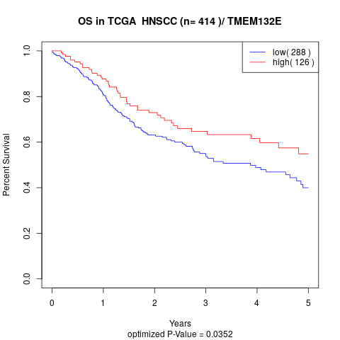

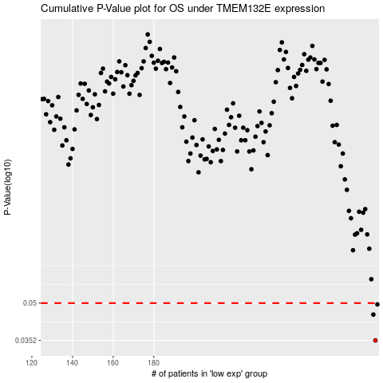

 |  |  |  |  |  | cases_OS | p_OS | rank | exp
 |  |  |  |  |  | 289 | 0.0352 | 403 | -0.041789092737
 |  |  |  |  |  | 288 | 0.0449 | 161 | -0.042725018192
 |  |  |  |  |  | 290 | 0.0494 | 234 | -0.041635504971
 |  |  |  |  |  |  | cases_RFS | p_RFS | rank | exp
 |  |  |  |  |  |  | 288 | 0.0352 | 161 | -0.042725018192
 |  |  |  |  |  |  | 287 | 0.0449 | 285 | -0.044731258397
 |  |  |  |  |  |  | 289 | 0.0494 | 403 | -0.041789092737

