TMEM133 _multivariate
Reported by Tex Li-Hsing Chi. tex@gate.sinica.edu.tw 2019-08-15

Table 2. The clinicopathological features of HNSCC cohort and TMEM133 expression. (Chi square test)
Cutoff at -0.176 (50.0%)
 |  | TMEM133 expression |  | TMEM133 expression |  | (Optimised)
 | Features | Low | (%) | High | (%) | Case no | P-value | Remark | Matthews
Gender | Female | 159 | 38.3 | 147 | 35.4 | 415 | 0.1905 | 0 | 0
2 | Male | 48 | 11.6 | 61 | 14.7
Age at diagnosis | <=65y | 141 | 34 | 133 | 32 | 415 | 0.4272 | 0 | 0
4 | >65y | 66 | 15.9 | 75 | 18.1
Clinical T Status | T1+T2 | 68 | 16.4 | 81 | 19.5 | 415 | 0.2336 | 0 | 0
6 | T3+T4 | 139 | 33.5 | 127 | 30.6
Clinical N Status | N0 | 102 | 24.6 | 114 | 27.5 | 415 | 0.3031 | 0 | 0
8 | N1-3 | 105 | 25.3 | 94 | 22.7
Clinical M Status | M0 | 205 | 49.4 | 207 | 49.9 | 415 | 0.6232 | 0 | 0
10 | M1 | 2 | 0.5 | 1 | 0.2
Clinical Stage | Stage I+II | 45 | 10.8 | 57 | 13.7 | 415 | 0.2202 | 0 | 0
12 | Stage III+IV | 162 | 39 | 151 | 36.4
Surgical Margin status | Negative | 146 | 35.2 | 172 | 41.4 | 415 | 0.0037 | 1 | 0
14 | Positive | 61 | 14.7 | 36 | 8.7
Tobacco Exposure | Low | 69 | 16.6 | 92 | 22.2 | 415 | 0.0266 | 1 | 0
16 | High | 138 | 33.3 | 116 | 28

Table 3. Univariate/Multivariate Cox's proportional hazards regression analyses on OS time of TMEM133 gene expression in HNSCC

 |  | Univariate |  |  |  | Multivariate
 | Features | HR | CI95%(L) | CI95%(H) | P-value | HR | CI95%(L) | CI95%(H) | P-value
1 | Female | 1 |  |  |  | 1
Gender | Male | 1.157 | 0.843 | 1.587 | 0.367 | 1.214 | 0.867 | 1.698 | 0.259
11 | <=65y | 1 |  |  |  | 1
Age at diagnosis | >65y | 1.329 | 0.99 | 1.784 | 0.058 | 1.379 | 1.015 | 1.874 | 0.04
12 | T1+T2 | 1 |  |  |  | 1
Clinical T Status | T3+T4 | 1.409 | 1.028 | 1.931 | 0.033 | 2.13 | 1.124 | 4.038 | 0.021
13 | N0 | 1 |  |  |  | 1
Clinical N Status | N1-3 | 1.185 | 0.89 | 1.577 | 0.246 | 1.222 | 0.855 | 1.745 | 0.271
14 | M0 | 1 |  |  |  | 1
Clinical M Status | M1 | 4.097 | 1.009 | 16.644 | 0.049 | 9.076 | 1.978 | 41.645 | 0.005
15 | Stage I+II | 1 |  |  |  | 1
Clinical Stage | Stage III+IV | 1.245 | 0.882 | 1.759 | 0.213 | 0.522 | 0.243 | 1.123 | 0.096
16 | Negative | 1 |  |  |  | 1
Surgical Margin status | Positive | 1.591 | 1.155 | 2.191 | 0.004 | 1.628 | 1.174 | 2.256 | 0.003
17 | Low | 1 |  |  |  | 1
Tobacco Exposure | High | 1.364 | 1.008 | 1.844 | 0.044 | 1.445 | 1.048 | 1.993 | 0.025
18 | Low | 1 |  |  |  | 1
RNAseq(z-score) | High | 0.759 | 0.569 | 1.012 | 0.06 | 0.842 | 0.628 | 1.129 | 0.252

Table 4. Univariate/Multivariate Cox's proportional hazards regression analyses on RFS time of TMEM133 gene expression in HNSCC

 |  | Univariate |  |  |  | Multivariate
 | Features | HR | CI95%(L) | CI95%(H) | P-value | HR | CI95%(L) | CI95%(H) | P-value
1 | Female | 1 |  |  |  | 1
Gender | Male | 1.157 | 0.843 | 1.587 | 0.367 | 1.214 | 0.867 | 1.698 | 0.259
11 | <=65y | 1 |  |  |  | 1
Age at diagnosis | >65y | 1.329 | 0.99 | 1.784 | 0.058 | 1.379 | 1.015 | 1.874 | 0.04
12 | T1+T2 | 1 |  |  |  | 1
Clinical T Status | T3+T4 | 1.409 | 1.028 | 1.931 | 0.033 | 2.13 | 1.124 | 4.038 | 0.021
13 | N0 | 1 |  |  |  | 1
Clinical N Status | N1-3 | 1.185 | 0.89 | 1.577 | 0.246 | 1.222 | 0.855 | 1.745 | 0.271
14 | M0 | 1 |  |  |  | 1
Clinical M Status | M1 | 4.097 | 1.009 | 16.644 | 0.049 | 9.076 | 1.978 | 41.645 | 0.005
15 | Stage I+II | 1 |  |  |  | 1
Clinical Stage | Stage III+IV | 1.245 | 0.882 | 1.759 | 0.213 | 0.522 | 0.243 | 1.123 | 0.096
16 | Negative | 1 |  |  |  | 1
Surgical Margin status | Positive | 1.591 | 1.155 | 2.191 | 0.004 | 1.628 | 1.174 | 2.256 | 0.003
17 | Low | 1 |  |  |  | 1
Tobacco Exposure | High | 1.364 | 1.008 | 1.844 | 0.044 | 1.445 | 1.048 | 1.993 | 0.025
18 | Low | 1 |  |  |  | 1
RNAseq(z-score) | High | 0.759 | 0.569 | 1.012 | 0.06 | 0.842 | 0.628 | 1.129 | 0.252

Kaplan-Meier survival estimate: Cutoff at -0.176 (50.0%)



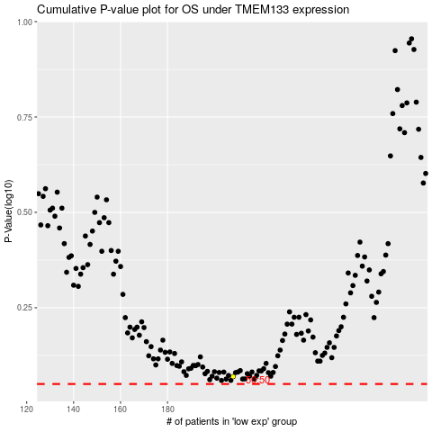

 |  |  |  |  |  | cases_OS | p_OS | rank | exp
 |  |  |  |  |  |  | cases_RFS | p_RFS | rank | exp

