TMEM134 _multivariate
Reported by Tex Li-Hsing Chi. tex@gate.sinica.edu.tw 2019-08-15

Table 2. The clinicopathological features of HNSCC cohort and TMEM134 expression. (Chi square test)
Cutoff at -0.268 (49.8%)
 |  | TMEM134 expression |  | TMEM134 expression |  | (Optimised)
 | Features | Low | (%) | High | (%) | Case no | P-value | Remark | Matthews
Gender | Female | 157 | 37.8 | 149 | 35.9 | 415 | 0.3881 | 0 | 0
2 | Male | 50 | 12 | 59 | 14.2
Age at diagnosis | <=65y | 135 | 32.5 | 139 | 33.5 | 415 | 0.8084 | 0 | 0
4 | >65y | 72 | 17.3 | 69 | 16.6
Clinical T Status | T1+T2 | 76 | 18.3 | 73 | 17.6 | 415 | 0.8092 | 0 | 0
6 | T3+T4 | 131 | 31.6 | 135 | 32.5
Clinical N Status | N0 | 101 | 24.3 | 115 | 27.7 | 415 | 0.2201 | 0 | 0
8 | N1-3 | 106 | 25.5 | 93 | 22.4
Clinical M Status | M0 | 205 | 49.4 | 207 | 49.9 | 415 | 0.6232 | 0 | 0
10 | M1 | 2 | 0.5 | 1 | 0.2
Clinical Stage | Stage I+II | 51 | 12.3 | 51 | 12.3 | 415 | 1 | 0 | 0
12 | Stage III+IV | 156 | 37.6 | 157 | 37.8
Surgical Margin status | Negative | 157 | 37.8 | 161 | 38.8 | 415 | 0.729 | 0 | 0
14 | Positive | 50 | 12 | 47 | 11.3
Tobacco Exposure | Low | 83 | 20 | 78 | 18.8 | 415 | 0.6152 | 0 | 0
16 | High | 124 | 29.9 | 130 | 31.3

Table 3. Univariate/Multivariate Cox's proportional hazards regression analyses on OS time of TMEM134 gene expression in HNSCC

 |  | Univariate |  |  |  | Multivariate
 | Features | HR | CI95%(L) | CI95%(H) | P-value | HR | CI95%(L) | CI95%(H) | P-value
1 | Female | 1 |  |  |  | 1
Gender | Male | 1.157 | 0.843 | 1.587 | 0.367 | 1.192 | 0.852 | 1.668 | 0.306
11 | <=65y | 1 |  |  |  | 1
Age at diagnosis | >65y | 1.329 | 0.99 | 1.784 | 0.058 | 1.4 | 1.029 | 1.904 | 0.032
12 | T1+T2 | 1 |  |  |  | 1
Clinical T Status | T3+T4 | 1.409 | 1.028 | 1.931 | 0.033 | 2.199 | 1.163 | 4.158 | 0.015
13 | N0 | 1 |  |  |  | 1
Clinical N Status | N1-3 | 1.185 | 0.89 | 1.577 | 0.246 | 1.251 | 0.876 | 1.788 | 0.218
14 | M0 | 1 |  |  |  | 1
Clinical M Status | M1 | 4.097 | 1.009 | 16.644 | 0.049 | 9.429 | 2.057 | 43.223 | 0.004
15 | Stage I+II | 1 |  |  |  | 1
Clinical Stage | Stage III+IV | 1.245 | 0.882 | 1.759 | 0.213 | 0.505 | 0.235 | 1.083 | 0.079
16 | Negative | 1 |  |  |  | 1
Surgical Margin status | Positive | 1.591 | 1.155 | 2.191 | 0.004 | 1.66 | 1.2 | 2.296 | 0.002
17 | Low | 1 |  |  |  | 1
Tobacco Exposure | High | 1.364 | 1.008 | 1.844 | 0.044 | 1.446 | 1.049 | 1.994 | 0.024
18 | Low | 1 |  |  |  | 1
RNAseq(z-score) | High | 1.108 | 0.831 | 1.476 | 0.485 | 1.081 | 0.807 | 1.447 | 0.602

Table 4. Univariate/Multivariate Cox's proportional hazards regression analyses on RFS time of TMEM134 gene expression in HNSCC

 |  | Univariate |  |  |  | Multivariate
 | Features | HR | CI95%(L) | CI95%(H) | P-value | HR | CI95%(L) | CI95%(H) | P-value
1 | Female | 1 |  |  |  | 1
Gender | Male | 1.157 | 0.843 | 1.587 | 0.367 | 1.192 | 0.852 | 1.668 | 0.306
11 | <=65y | 1 |  |  |  | 1
Age at diagnosis | >65y | 1.329 | 0.99 | 1.784 | 0.058 | 1.4 | 1.029 | 1.904 | 0.032
12 | T1+T2 | 1 |  |  |  | 1
Clinical T Status | T3+T4 | 1.409 | 1.028 | 1.931 | 0.033 | 2.199 | 1.163 | 4.158 | 0.015
13 | N0 | 1 |  |  |  | 1
Clinical N Status | N1-3 | 1.185 | 0.89 | 1.577 | 0.246 | 1.251 | 0.876 | 1.788 | 0.218
14 | M0 | 1 |  |  |  | 1
Clinical M Status | M1 | 4.097 | 1.009 | 16.644 | 0.049 | 9.429 | 2.057 | 43.223 | 0.004
15 | Stage I+II | 1 |  |  |  | 1
Clinical Stage | Stage III+IV | 1.245 | 0.882 | 1.759 | 0.213 | 0.505 | 0.235 | 1.083 | 0.079
16 | Negative | 1 |  |  |  | 1
Surgical Margin status | Positive | 1.591 | 1.155 | 2.191 | 0.004 | 1.66 | 1.2 | 2.296 | 0.002
17 | Low | 1 |  |  |  | 1
Tobacco Exposure | High | 1.364 | 1.008 | 1.844 | 0.044 | 1.446 | 1.049 | 1.994 | 0.024
18 | Low | 1 |  |  |  | 1
RNAseq(z-score) | High | 1.108 | 0.831 | 1.476 | 0.485 | 1.081 | 0.807 | 1.447 | 0.602

Kaplan-Meier survival estimate: Cutoff at -0.268 (49.8%)



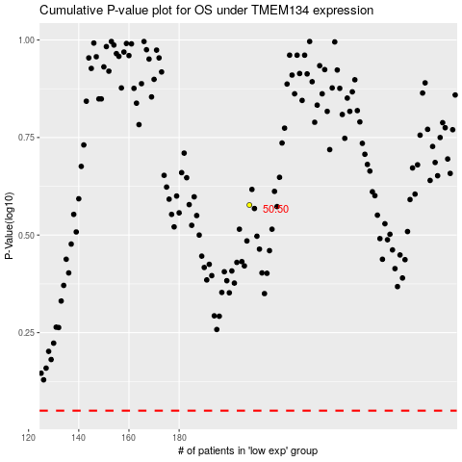

 |  |  |  |  |  | cases_OS | p_OS | rank | exp
 |  |  |  |  |  |  | cases_RFS | p_RFS | rank | exp

