TMEM135 _multivariate
Reported by Tex Li-Hsing Chi. tex@gate.sinica.edu.tw 2019-08-15

Table 2. The clinicopathological features of HNSCC cohort and TMEM135 expression. (Chi square test)
Cutoff at -0.234 (49.8%)
 |  | TMEM135 expression |  | TMEM135 expression |  | (Optimised)
 | Features | Low | (%) | High | (%) | Case no | P-value | Remark | Matthews
Gender | Female | 163 | 39.3 | 143 | 34.5 | 415 | 0.0277 | 1 | 0
2 | Male | 44 | 10.6 | 65 | 15.7
Age at diagnosis | <=65y | 147 | 35.4 | 127 | 30.6 | 415 | 0.0416 | 1 | 0
4 | >65y | 60 | 14.5 | 81 | 19.5
Clinical T Status | T1+T2 | 79 | 19 | 70 | 16.9 | 415 | 0.3924 | 0 | 0
6 | T3+T4 | 128 | 30.8 | 138 | 33.3
Clinical N Status | N0 | 97 | 23.4 | 119 | 28.7 | 415 | 0.0442 | 1 | 0
8 | N1-3 | 110 | 26.5 | 89 | 21.4
Clinical M Status | M0 | 204 | 49.2 | 208 | 50.1 | 415 | 0.1232 | 0 | 0
10 | M1 | 3 | 0.7 | 0 | 0
Clinical Stage | Stage I+II | 51 | 12.3 | 51 | 12.3 | 415 | 1 | 0 | 0
12 | Stage III+IV | 156 | 37.6 | 157 | 37.8
Surgical Margin status | Negative | 162 | 39 | 156 | 37.6 | 415 | 0.4867 | 0 | 0
14 | Positive | 45 | 10.8 | 52 | 12.5
Tobacco Exposure | Low | 67 | 16.1 | 94 | 22.7 | 415 | 0.0088 | 1 | 0
16 | High | 140 | 33.7 | 114 | 27.5

Table 3. Univariate/Multivariate Cox's proportional hazards regression analyses on OS time of TMEM135 gene expression in HNSCC

 |  | Univariate |  |  |  | Multivariate
 | Features | HR | CI95%(L) | CI95%(H) | P-value | HR | CI95%(L) | CI95%(H) | P-value
1 | Female | 1 |  |  |  | 1
Gender | Male | 1.157 | 0.843 | 1.587 | 0.367 | 1.196 | 0.856 | 1.67 | 0.294
11 | <=65y | 1 |  |  |  | 1
Age at diagnosis | >65y | 1.329 | 0.99 | 1.784 | 0.058 | 1.391 | 1.023 | 1.892 | 0.035
12 | T1+T2 | 1 |  |  |  | 1
Clinical T Status | T3+T4 | 1.409 | 1.028 | 1.931 | 0.033 | 2.187 | 1.157 | 4.134 | 0.016
13 | N0 | 1 |  |  |  | 1
Clinical N Status | N1-3 | 1.185 | 0.89 | 1.577 | 0.246 | 1.263 | 0.884 | 1.805 | 0.2
14 | M0 | 1 |  |  |  | 1
Clinical M Status | M1 | 4.097 | 1.009 | 16.644 | 0.049 | 10.045 | 2.178 | 46.326 | 0.003
15 | Stage I+II | 1 |  |  |  | 1
Clinical Stage | Stage III+IV | 1.245 | 0.882 | 1.759 | 0.213 | 0.502 | 0.234 | 1.077 | 0.077
16 | Negative | 1 |  |  |  | 1
Surgical Margin status | Positive | 1.591 | 1.155 | 2.191 | 0.004 | 1.663 | 1.204 | 2.299 | 0.002
17 | Low | 1 |  |  |  | 1
Tobacco Exposure | High | 1.364 | 1.008 | 1.844 | 0.044 | 1.493 | 1.078 | 2.066 | 0.016
18 | Low | 1 |  |  |  | 1
RNAseq(z-score) | High | 1.097 | 0.824 | 1.462 | 0.526 | 1.159 | 0.862 | 1.559 | 0.328

Table 4. Univariate/Multivariate Cox's proportional hazards regression analyses on RFS time of TMEM135 gene expression in HNSCC

 |  | Univariate |  |  |  | Multivariate
 | Features | HR | CI95%(L) | CI95%(H) | P-value | HR | CI95%(L) | CI95%(H) | P-value
1 | Female | 1 |  |  |  | 1
Gender | Male | 1.157 | 0.843 | 1.587 | 0.367 | 1.196 | 0.856 | 1.67 | 0.294
11 | <=65y | 1 |  |  |  | 1
Age at diagnosis | >65y | 1.329 | 0.99 | 1.784 | 0.058 | 1.391 | 1.023 | 1.892 | 0.035
12 | T1+T2 | 1 |  |  |  | 1
Clinical T Status | T3+T4 | 1.409 | 1.028 | 1.931 | 0.033 | 2.187 | 1.157 | 4.134 | 0.016
13 | N0 | 1 |  |  |  | 1
Clinical N Status | N1-3 | 1.185 | 0.89 | 1.577 | 0.246 | 1.263 | 0.884 | 1.805 | 0.2
14 | M0 | 1 |  |  |  | 1
Clinical M Status | M1 | 4.097 | 1.009 | 16.644 | 0.049 | 10.045 | 2.178 | 46.326 | 0.003
15 | Stage I+II | 1 |  |  |  | 1
Clinical Stage | Stage III+IV | 1.245 | 0.882 | 1.759 | 0.213 | 0.502 | 0.234 | 1.077 | 0.077
16 | Negative | 1 |  |  |  | 1
Surgical Margin status | Positive | 1.591 | 1.155 | 2.191 | 0.004 | 1.663 | 1.204 | 2.299 | 0.002
17 | Low | 1 |  |  |  | 1
Tobacco Exposure | High | 1.364 | 1.008 | 1.844 | 0.044 | 1.493 | 1.078 | 2.066 | 0.016
18 | Low | 1 |  |  |  | 1
RNAseq(z-score) | High | 1.097 | 0.824 | 1.462 | 0.526 | 1.159 | 0.862 | 1.559 | 0.328

Kaplan-Meier survival estimate: Cutoff at -0.234 (49.8%)



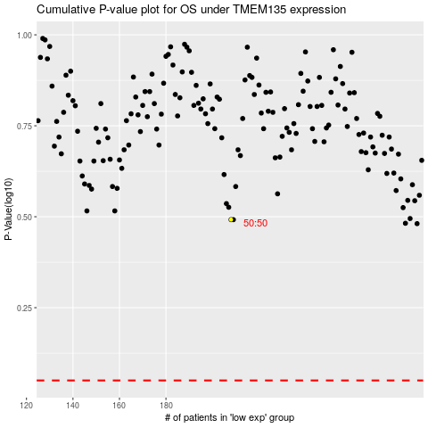

 |  |  |  |  |  | cases_OS | p_OS | rank | exp
 |  |  |  |  |  |  | cases_RFS | p_RFS | rank | exp

