TMEM136 _multivariate
Reported by Tex Li-Hsing Chi. tex@gate.sinica.edu.tw 2019-08-15

Table 2. The clinicopathological features of HNSCC cohort and TMEM136 expression. (Chi square test)
Cutoff at -0.28 (49.8%)
 |  | TMEM136 expression |  | TMEM136 expression |  | (Optimised)
 | Features | Low | (%) | High | (%) | Case no | P-value | Remark | Matthews
Gender | Female | 152 | 36.6 | 154 | 37.1 | 415 | 0.9766 | 0 | 0
2 | Male | 55 | 13.3 | 54 | 13
Age at diagnosis | <=65y | 140 | 33.7 | 134 | 32.3 | 415 | 0.5574 | 0 | 0
4 | >65y | 67 | 16.1 | 74 | 17.8
Clinical T Status | T1+T2 | 76 | 18.3 | 73 | 17.6 | 415 | 0.8092 | 0 | 0
6 | T3+T4 | 131 | 31.6 | 135 | 32.5
Clinical N Status | N0 | 104 | 25.1 | 112 | 27 | 415 | 0.5243 | 0 | 0
8 | N1-3 | 103 | 24.8 | 96 | 23.1
Clinical M Status | M0 | 205 | 49.4 | 207 | 49.9 | 415 | 0.6232 | 0 | 0
10 | M1 | 2 | 0.5 | 1 | 0.2
Clinical Stage | Stage I+II | 49 | 11.8 | 53 | 12.8 | 415 | 0.7535 | 0 | 0
12 | Stage III+IV | 158 | 38.1 | 155 | 37.3
Surgical Margin status | Negative | 163 | 39.3 | 155 | 37.3 | 415 | 0.3537 | 0 | 0
14 | Positive | 44 | 10.6 | 53 | 12.8
Tobacco Exposure | Low | 78 | 18.8 | 83 | 20 | 415 | 0.6873 | 0 | 0
16 | High | 129 | 31.1 | 125 | 30.1

Table 3. Univariate/Multivariate Cox's proportional hazards regression analyses on OS time of TMEM136 gene expression in HNSCC

 |  | Univariate |  |  |  | Multivariate
 | Features | HR | CI95%(L) | CI95%(H) | P-value | HR | CI95%(L) | CI95%(H) | P-value
1 | Female | 1 |  |  |  | 1
Gender | Male | 1.157 | 0.843 | 1.587 | 0.367 | 1.2 | 0.859 | 1.677 | 0.285
11 | <=65y | 1 |  |  |  | 1
Age at diagnosis | >65y | 1.329 | 0.99 | 1.784 | 0.058 | 1.391 | 1.023 | 1.892 | 0.035
12 | T1+T2 | 1 |  |  |  | 1
Clinical T Status | T3+T4 | 1.409 | 1.028 | 1.931 | 0.033 | 2.167 | 1.144 | 4.102 | 0.018
13 | N0 | 1 |  |  |  | 1
Clinical N Status | N1-3 | 1.185 | 0.89 | 1.577 | 0.246 | 1.235 | 0.865 | 1.764 | 0.244
14 | M0 | 1 |  |  |  | 1
Clinical M Status | M1 | 4.097 | 1.009 | 16.644 | 0.049 | 9.396 | 2.05 | 43.073 | 0.004
15 | Stage I+II | 1 |  |  |  | 1
Clinical Stage | Stage III+IV | 1.245 | 0.882 | 1.759 | 0.213 | 0.51 | 0.237 | 1.095 | 0.084
16 | Negative | 1 |  |  |  | 1
Surgical Margin status | Positive | 1.591 | 1.155 | 2.191 | 0.004 | 1.665 | 1.205 | 2.301 | 0.002
17 | Low | 1 |  |  |  | 1
Tobacco Exposure | High | 1.364 | 1.008 | 1.844 | 0.044 | 1.456 | 1.056 | 2.006 | 0.022
18 | Low | 1 |  |  |  | 1
RNAseq(z-score) | High | 1.173 | 0.878 | 1.566 | 0.281 | 1.126 | 0.842 | 1.506 | 0.424

Table 4. Univariate/Multivariate Cox's proportional hazards regression analyses on RFS time of TMEM136 gene expression in HNSCC

 |  | Univariate |  |  |  | Multivariate
 | Features | HR | CI95%(L) | CI95%(H) | P-value | HR | CI95%(L) | CI95%(H) | P-value
1 | Female | 1 |  |  |  | 1
Gender | Male | 1.157 | 0.843 | 1.587 | 0.367 | 1.2 | 0.859 | 1.677 | 0.285
11 | <=65y | 1 |  |  |  | 1
Age at diagnosis | >65y | 1.329 | 0.99 | 1.784 | 0.058 | 1.391 | 1.023 | 1.892 | 0.035
12 | T1+T2 | 1 |  |  |  | 1
Clinical T Status | T3+T4 | 1.409 | 1.028 | 1.931 | 0.033 | 2.167 | 1.144 | 4.102 | 0.018
13 | N0 | 1 |  |  |  | 1
Clinical N Status | N1-3 | 1.185 | 0.89 | 1.577 | 0.246 | 1.235 | 0.865 | 1.764 | 0.244
14 | M0 | 1 |  |  |  | 1
Clinical M Status | M1 | 4.097 | 1.009 | 16.644 | 0.049 | 9.396 | 2.05 | 43.073 | 0.004
15 | Stage I+II | 1 |  |  |  | 1
Clinical Stage | Stage III+IV | 1.245 | 0.882 | 1.759 | 0.213 | 0.51 | 0.237 | 1.095 | 0.084
16 | Negative | 1 |  |  |  | 1
Surgical Margin status | Positive | 1.591 | 1.155 | 2.191 | 0.004 | 1.665 | 1.205 | 2.301 | 0.002
17 | Low | 1 |  |  |  | 1
Tobacco Exposure | High | 1.364 | 1.008 | 1.844 | 0.044 | 1.456 | 1.056 | 2.006 | 0.022
18 | Low | 1 |  |  |  | 1
RNAseq(z-score) | High | 1.173 | 0.878 | 1.566 | 0.281 | 1.126 | 0.842 | 1.506 | 0.424

Kaplan-Meier survival estimate: Cutoff at -0.28 (49.8%)



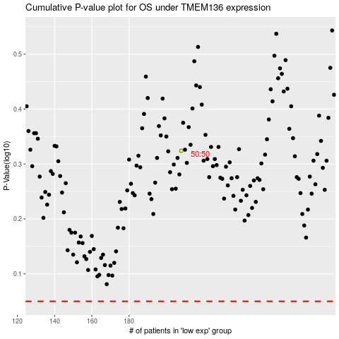

 |  |  |  |  |  | cases_OS | p_OS | rank | exp
 |  |  |  |  |  |  | cases_RFS | p_RFS | rank | exp

