TMEM138 _multivariate
Reported by Tex Li-Hsing Chi. tex@gate.sinica.edu.tw 2019-08-15

Table 2. The clinicopathological features of HNSCC cohort and TMEM138 expression. (Chi square test)
Cutoff at -0.096 (49.8%)
 |  | TMEM138 expression |  | TMEM138 expression |  | (Optimised)
 | Features | Low | (%) | High | (%) | Case no | P-value | Remark | Matthews
Gender | Female | 152 | 36.6 | 154 | 37.1 | 415 | 0.9766 | 0 | 0
2 | Male | 55 | 13.3 | 54 | 13
Age at diagnosis | <=65y | 136 | 32.8 | 138 | 33.3 | 415 | 0.9719 | 0 | 0
4 | >65y | 71 | 17.1 | 70 | 16.9
Clinical T Status | T1+T2 | 76 | 18.3 | 73 | 17.6 | 415 | 0.8092 | 0 | 0
6 | T3+T4 | 131 | 31.6 | 135 | 32.5
Clinical N Status | N0 | 103 | 24.8 | 113 | 27.2 | 415 | 0.4047 | 0 | 0
8 | N1-3 | 104 | 25.1 | 95 | 22.9
Clinical M Status | M0 | 206 | 49.6 | 206 | 49.6 | 415 | 1 | 0 | 0
10 | M1 | 1 | 0.2 | 2 | 0.5
Clinical Stage | Stage I+II | 47 | 11.3 | 55 | 13.3 | 415 | 0.4413 | 0 | 0
12 | Stage III+IV | 160 | 38.6 | 153 | 36.9
Surgical Margin status | Negative | 156 | 37.6 | 162 | 39 | 415 | 0.5636 | 0 | 0
14 | Positive | 51 | 12.3 | 46 | 11.1
Tobacco Exposure | Low | 85 | 20.5 | 76 | 18.3 | 415 | 0.3655 | 0 | 0
16 | High | 122 | 29.4 | 132 | 31.8

Table 3. Univariate/Multivariate Cox's proportional hazards regression analyses on OS time of TMEM138 gene expression in HNSCC

 |  | Univariate |  |  |  | Multivariate
 | Features | HR | CI95%(L) | CI95%(H) | P-value | HR | CI95%(L) | CI95%(H) | P-value
1 | Female | 1 |  |  |  | 1
Gender | Male | 1.157 | 0.843 | 1.587 | 0.367 | 1.215 | 0.869 | 1.698 | 0.254
11 | <=65y | 1 |  |  |  | 1
Age at diagnosis | >65y | 1.329 | 0.99 | 1.784 | 0.058 | 1.397 | 1.028 | 1.899 | 0.033
12 | T1+T2 | 1 |  |  |  | 1
Clinical T Status | T3+T4 | 1.409 | 1.028 | 1.931 | 0.033 | 2.26 | 1.194 | 4.279 | 0.012
13 | N0 | 1 |  |  |  | 1
Clinical N Status | N1-3 | 1.185 | 0.89 | 1.577 | 0.246 | 1.237 | 0.867 | 1.765 | 0.241
14 | M0 | 1 |  |  |  | 1
Clinical M Status | M1 | 4.097 | 1.009 | 16.644 | 0.049 | 10.208 | 2.213 | 47.092 | 0.003
15 | Stage I+II | 1 |  |  |  | 1
Clinical Stage | Stage III+IV | 1.245 | 0.882 | 1.759 | 0.213 | 0.487 | 0.226 | 1.047 | 0.065
16 | Negative | 1 |  |  |  | 1
Surgical Margin status | Positive | 1.591 | 1.155 | 2.191 | 0.004 | 1.676 | 1.213 | 2.316 | 0.002
17 | Low | 1 |  |  |  | 1
Tobacco Exposure | High | 1.364 | 1.008 | 1.844 | 0.044 | 1.487 | 1.077 | 2.055 | 0.016
18 | Low | 1 |  |  |  | 1
RNAseq(z-score) | High | 0.902 | 0.676 | 1.203 | 0.483 | 0.841 | 0.628 | 1.127 | 0.247

Table 4. Univariate/Multivariate Cox's proportional hazards regression analyses on RFS time of TMEM138 gene expression in HNSCC

 |  | Univariate |  |  |  | Multivariate
 | Features | HR | CI95%(L) | CI95%(H) | P-value | HR | CI95%(L) | CI95%(H) | P-value
1 | Female | 1 |  |  |  | 1
Gender | Male | 1.157 | 0.843 | 1.587 | 0.367 | 1.215 | 0.869 | 1.698 | 0.254
11 | <=65y | 1 |  |  |  | 1
Age at diagnosis | >65y | 1.329 | 0.99 | 1.784 | 0.058 | 1.397 | 1.028 | 1.899 | 0.033
12 | T1+T2 | 1 |  |  |  | 1
Clinical T Status | T3+T4 | 1.409 | 1.028 | 1.931 | 0.033 | 2.26 | 1.194 | 4.279 | 0.012
13 | N0 | 1 |  |  |  | 1
Clinical N Status | N1-3 | 1.185 | 0.89 | 1.577 | 0.246 | 1.237 | 0.867 | 1.765 | 0.241
14 | M0 | 1 |  |  |  | 1
Clinical M Status | M1 | 4.097 | 1.009 | 16.644 | 0.049 | 10.208 | 2.213 | 47.092 | 0.003
15 | Stage I+II | 1 |  |  |  | 1
Clinical Stage | Stage III+IV | 1.245 | 0.882 | 1.759 | 0.213 | 0.487 | 0.226 | 1.047 | 0.065
16 | Negative | 1 |  |  |  | 1
Surgical Margin status | Positive | 1.591 | 1.155 | 2.191 | 0.004 | 1.676 | 1.213 | 2.316 | 0.002
17 | Low | 1 |  |  |  | 1
Tobacco Exposure | High | 1.364 | 1.008 | 1.844 | 0.044 | 1.487 | 1.077 | 2.055 | 0.016
18 | Low | 1 |  |  |  | 1
RNAseq(z-score) | High | 0.902 | 0.676 | 1.203 | 0.483 | 0.841 | 0.628 | 1.127 | 0.247

Kaplan-Meier survival estimate: Cutoff at -0.096 (49.8%)



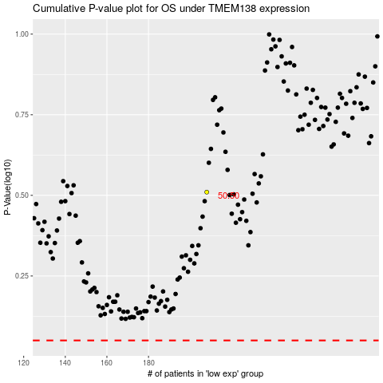

 |  |  |  |  |  | cases_OS | p_OS | rank | exp
 |  |  |  |  |  |  | cases_RFS | p_RFS | rank | exp

