TMEM143 _multivariate
Reported by Tex Li-Hsing Chi. tex@gate.sinica.edu.tw 2019-08-15

Table 2. The clinicopathological features of HNSCC cohort and TMEM143 expression. (Chi square test)
Cutoff at -0.202 (50.0%)
 |  | TMEM143 expression |  | TMEM143 expression |  | (Optimised)
 | Features | Low | (%) | High | (%) | Case no | P-value | Remark | Matthews
Gender | Female | 150 | 36.1 | 156 | 37.6 | 415 | 0.6344 | 0 | 0
2 | Male | 57 | 13.7 | 52 | 12.5
Age at diagnosis | <=65y | 142 | 34.2 | 132 | 31.8 | 415 | 0.3167 | 0 | 0
4 | >65y | 65 | 15.7 | 76 | 18.3
Clinical T Status | T1+T2 | 60 | 14.5 | 89 | 21.4 | 415 | 0.0047 | 1 | 0
6 | T3+T4 | 147 | 35.4 | 119 | 28.7
Clinical N Status | N0 | 102 | 24.6 | 114 | 27.5 | 415 | 0.3031 | 0 | 0
8 | N1-3 | 105 | 25.3 | 94 | 22.7
Clinical M Status | M0 | 205 | 49.4 | 207 | 49.9 | 415 | 0.6232 | 0 | 0
10 | M1 | 2 | 0.5 | 1 | 0.2
Clinical Stage | Stage I+II | 43 | 10.4 | 59 | 14.2 | 415 | 0.0925 | 0 | 0
12 | Stage III+IV | 164 | 39.5 | 149 | 35.9
Surgical Margin status | Negative | 158 | 38.1 | 160 | 38.6 | 415 | 0.9081 | 0 | 0
14 | Positive | 49 | 11.8 | 48 | 11.6
Tobacco Exposure | Low | 72 | 17.3 | 89 | 21.4 | 415 | 0.1071 | 0 | 0
16 | High | 135 | 32.5 | 119 | 28.7

Table 3. Univariate/Multivariate Cox's proportional hazards regression analyses on OS time of TMEM143 gene expression in HNSCC

 |  | Univariate |  |  |  | Multivariate
 | Features | HR | CI95%(L) | CI95%(H) | P-value | HR | CI95%(L) | CI95%(H) | P-value
1 | Female | 1 |  |  |  | 1
Gender | Male | 1.157 | 0.843 | 1.587 | 0.367 | 1.206 | 0.862 | 1.685 | 0.274
11 | <=65y | 1 |  |  |  | 1
Age at diagnosis | >65y | 1.329 | 0.99 | 1.784 | 0.058 | 1.391 | 1.023 | 1.891 | 0.035
12 | T1+T2 | 1 |  |  |  | 1
Clinical T Status | T3+T4 | 1.409 | 1.028 | 1.931 | 0.033 | 2.226 | 1.173 | 4.226 | 0.014
13 | N0 | 1 |  |  |  | 1
Clinical N Status | N1-3 | 1.185 | 0.89 | 1.577 | 0.246 | 1.24 | 0.869 | 1.769 | 0.236
14 | M0 | 1 |  |  |  | 1
Clinical M Status | M1 | 4.097 | 1.009 | 16.644 | 0.049 | 9.545 | 2.076 | 43.885 | 0.004
15 | Stage I+II | 1 |  |  |  | 1
Clinical Stage | Stage III+IV | 1.245 | 0.882 | 1.759 | 0.213 | 0.501 | 0.233 | 1.077 | 0.077
16 | Negative | 1 |  |  |  | 1
Surgical Margin status | Positive | 1.591 | 1.155 | 2.191 | 0.004 | 1.667 | 1.205 | 2.304 | 0.002
17 | Low | 1 |  |  |  | 1
Tobacco Exposure | High | 1.364 | 1.008 | 1.844 | 0.044 | 1.454 | 1.055 | 2.003 | 0.022
18 | Low | 1 |  |  |  | 1
RNAseq(z-score) | High | 0.994 | 0.747 | 1.324 | 0.968 | 1.045 | 0.782 | 1.398 | 0.765

Table 4. Univariate/Multivariate Cox's proportional hazards regression analyses on RFS time of TMEM143 gene expression in HNSCC

 |  | Univariate |  |  |  | Multivariate
 | Features | HR | CI95%(L) | CI95%(H) | P-value | HR | CI95%(L) | CI95%(H) | P-value
1 | Female | 1 |  |  |  | 1
Gender | Male | 1.157 | 0.843 | 1.587 | 0.367 | 1.206 | 0.862 | 1.685 | 0.274
11 | <=65y | 1 |  |  |  | 1
Age at diagnosis | >65y | 1.329 | 0.99 | 1.784 | 0.058 | 1.391 | 1.023 | 1.891 | 0.035
12 | T1+T2 | 1 |  |  |  | 1
Clinical T Status | T3+T4 | 1.409 | 1.028 | 1.931 | 0.033 | 2.226 | 1.173 | 4.226 | 0.014
13 | N0 | 1 |  |  |  | 1
Clinical N Status | N1-3 | 1.185 | 0.89 | 1.577 | 0.246 | 1.24 | 0.869 | 1.769 | 0.236
14 | M0 | 1 |  |  |  | 1
Clinical M Status | M1 | 4.097 | 1.009 | 16.644 | 0.049 | 9.545 | 2.076 | 43.885 | 0.004
15 | Stage I+II | 1 |  |  |  | 1
Clinical Stage | Stage III+IV | 1.245 | 0.882 | 1.759 | 0.213 | 0.501 | 0.233 | 1.077 | 0.077
16 | Negative | 1 |  |  |  | 1
Surgical Margin status | Positive | 1.591 | 1.155 | 2.191 | 0.004 | 1.667 | 1.205 | 2.304 | 0.002
17 | Low | 1 |  |  |  | 1
Tobacco Exposure | High | 1.364 | 1.008 | 1.844 | 0.044 | 1.454 | 1.055 | 2.003 | 0.022
18 | Low | 1 |  |  |  | 1
RNAseq(z-score) | High | 0.994 | 0.747 | 1.324 | 0.968 | 1.045 | 0.782 | 1.398 | 0.765

Kaplan-Meier survival estimate: Cutoff at -0.202 (50.0%)



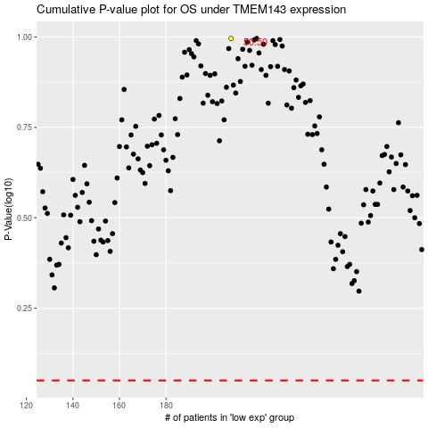

 |  |  |  |  |  | cases_OS | p_OS | rank | exp
 |  |  |  |  |  |  | cases_RFS | p_RFS | rank | exp

