TMEM14A _multivariate
Reported by Tex Li-Hsing Chi. tex@gate.sinica.edu.tw 2019-08-15

Table 2. The clinicopathological features of HNSCC cohort and TMEM14A expression. (Chi square test)
Cutoff at -0.286 (49.8%)
 |  | TMEM14A expression |  | TMEM14A expression |  | (Optimised)
 | Features | Low | (%) | High | (%) | Case no | P-value | Remark | Matthews
Gender | Female | 143 | 34.5 | 163 | 39.3 | 415 | 0.0416 | 1 | 0
2 | Male | 64 | 15.4 | 45 | 10.8
Age at diagnosis | <=65y | 132 | 31.8 | 142 | 34.2 | 415 | 0.3874 | 0 | 0
4 | >65y | 75 | 18.1 | 66 | 15.9
Clinical T Status | T1+T2 | 72 | 17.3 | 77 | 18.6 | 415 | 0.7095 | 0 | 0
6 | T3+T4 | 135 | 32.5 | 131 | 31.6
Clinical N Status | N0 | 111 | 26.7 | 105 | 25.3 | 415 | 0.5875 | 0 | 0
8 | N1-3 | 96 | 23.1 | 103 | 24.8
Clinical M Status | M0 | 206 | 49.6 | 206 | 49.6 | 415 | 1 | 0 | 0
10 | M1 | 1 | 0.2 | 2 | 0.5
Clinical Stage | Stage I+II | 54 | 13 | 48 | 11.6 | 415 | 0.5498 | 0 | 0
12 | Stage III+IV | 153 | 36.9 | 160 | 38.6
Surgical Margin status | Negative | 162 | 39 | 156 | 37.6 | 415 | 0.4867 | 0 | 0
14 | Positive | 45 | 10.8 | 52 | 12.5
Tobacco Exposure | Low | 97 | 23.4 | 64 | 15.4 | 415 | 9e-04 | 1 | 0
16 | High | 110 | 26.5 | 144 | 34.7

Table 3. Univariate/Multivariate Cox's proportional hazards regression analyses on OS time of TMEM14A gene expression in HNSCC

 |  | Univariate |  |  |  | Multivariate
 | Features | HR | CI95%(L) | CI95%(H) | P-value | HR | CI95%(L) | CI95%(H) | P-value
1 | Female | 1 |  |  |  | 1
Gender | Male | 1.157 | 0.843 | 1.587 | 0.367 | 1.199 | 0.858 | 1.675 | 0.287
11 | <=65y | 1 |  |  |  | 1
Age at diagnosis | >65y | 1.329 | 0.99 | 1.784 | 0.058 | 1.39 | 1.022 | 1.89 | 0.036
12 | T1+T2 | 1 |  |  |  | 1
Clinical T Status | T3+T4 | 1.409 | 1.028 | 1.931 | 0.033 | 2.181 | 1.151 | 4.132 | 0.017
13 | N0 | 1 |  |  |  | 1
Clinical N Status | N1-3 | 1.185 | 0.89 | 1.577 | 0.246 | 1.236 | 0.866 | 1.764 | 0.244
14 | M0 | 1 |  |  |  | 1
Clinical M Status | M1 | 4.097 | 1.009 | 16.644 | 0.049 | 9.483 | 2.068 | 43.494 | 0.004
15 | Stage I+II | 1 |  |  |  | 1
Clinical Stage | Stage III+IV | 1.245 | 0.882 | 1.759 | 0.213 | 0.513 | 0.238 | 1.107 | 0.089
16 | Negative | 1 |  |  |  | 1
Surgical Margin status | Positive | 1.591 | 1.155 | 2.191 | 0.004 | 1.673 | 1.211 | 2.311 | 0.002
17 | Low | 1 |  |  |  | 1
Tobacco Exposure | High | 1.364 | 1.008 | 1.844 | 0.044 | 1.47 | 1.061 | 2.037 | 0.021
18 | Low | 1 |  |  |  | 1
RNAseq(z-score) | High | 0.987 | 0.74 | 1.314 | 0.926 | 0.946 | 0.703 | 1.272 | 0.712

Table 4. Univariate/Multivariate Cox's proportional hazards regression analyses on RFS time of TMEM14A gene expression in HNSCC

 |  | Univariate |  |  |  | Multivariate
 | Features | HR | CI95%(L) | CI95%(H) | P-value | HR | CI95%(L) | CI95%(H) | P-value
1 | Female | 1 |  |  |  | 1
Gender | Male | 1.157 | 0.843 | 1.587 | 0.367 | 1.199 | 0.858 | 1.675 | 0.287
11 | <=65y | 1 |  |  |  | 1
Age at diagnosis | >65y | 1.329 | 0.99 | 1.784 | 0.058 | 1.39 | 1.022 | 1.89 | 0.036
12 | T1+T2 | 1 |  |  |  | 1
Clinical T Status | T3+T4 | 1.409 | 1.028 | 1.931 | 0.033 | 2.181 | 1.151 | 4.132 | 0.017
13 | N0 | 1 |  |  |  | 1
Clinical N Status | N1-3 | 1.185 | 0.89 | 1.577 | 0.246 | 1.236 | 0.866 | 1.764 | 0.244
14 | M0 | 1 |  |  |  | 1
Clinical M Status | M1 | 4.097 | 1.009 | 16.644 | 0.049 | 9.483 | 2.068 | 43.494 | 0.004
15 | Stage I+II | 1 |  |  |  | 1
Clinical Stage | Stage III+IV | 1.245 | 0.882 | 1.759 | 0.213 | 0.513 | 0.238 | 1.107 | 0.089
16 | Negative | 1 |  |  |  | 1
Surgical Margin status | Positive | 1.591 | 1.155 | 2.191 | 0.004 | 1.673 | 1.211 | 2.311 | 0.002
17 | Low | 1 |  |  |  | 1
Tobacco Exposure | High | 1.364 | 1.008 | 1.844 | 0.044 | 1.47 | 1.061 | 2.037 | 0.021
18 | Low | 1 |  |  |  | 1
RNAseq(z-score) | High | 0.987 | 0.74 | 1.314 | 0.926 | 0.946 | 0.703 | 1.272 | 0.712

Kaplan-Meier survival estimate: Cutoff at -0.286 (49.8%)



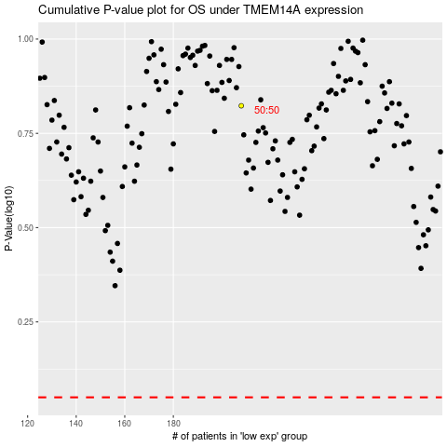

 |  |  |  |  |  | cases_OS | p_OS | rank | exp
 |  |  |  |  |  |  | cases_RFS | p_RFS | rank | exp

