TMEM14C _multivariate
Reported by Tex Li-Hsing Chi. tex@gate.sinica.edu.tw 2019-08-15

Table 2. The clinicopathological features of HNSCC cohort and TMEM14C expression. (Chi square test)
Cutoff at -0.278 (48.8%)
 |  | TMEM14C expression |  | TMEM14C expression |  | (Optimised)
 | Features | Low | (%) | High | (%) | Case no | P-value | Remark | Matthews
Gender | Female | 154 | 37.1 | 152 | 36.6 | 415 | 0.3093 | 0 | 0
2 | Male | 48 | 11.6 | 61 | 14.7
Age at diagnosis | <=65y | 133 | 32 | 141 | 34 | 415 | 1 | 0 | 0
4 | >65y | 69 | 16.6 | 72 | 17.3
Clinical T Status | T1+T2 | 70 | 16.9 | 79 | 19 | 415 | 0.6784 | 0 | 0
6 | T3+T4 | 132 | 31.8 | 134 | 32.3
Clinical N Status | N0 | 112 | 27 | 104 | 25.1 | 415 | 0.211 | 1 | 0
8 | N1-3 | 90 | 21.7 | 109 | 26.3
Clinical M Status | M0 | 201 | 48.4 | 211 | 50.8 | 415 | 1 | 0 | 0
10 | M1 | 1 | 0.2 | 2 | 0.5
Clinical Stage | Stage I+II | 49 | 11.8 | 53 | 12.8 | 415 | 0.973 | 0 | 0
12 | Stage III+IV | 153 | 36.9 | 160 | 38.6
Surgical Margin status | Negative | 159 | 38.3 | 159 | 38.3 | 415 | 0.3544 | 0 | 0
14 | Positive | 43 | 10.4 | 54 | 13
Tobacco Exposure | Low | 79 | 19 | 82 | 19.8 | 415 | 0.92 | 0 | 0
16 | High | 123 | 29.6 | 131 | 31.6

Table 3. Univariate/Multivariate Cox's proportional hazards regression analyses on OS time of TMEM14C gene expression in HNSCC

 |  | Univariate |  |  |  | Multivariate
 | Features | HR | CI95%(L) | CI95%(H) | P-value | HR | CI95%(L) | CI95%(H) | P-value
1 | Female | 1 |  |  |  | 1
Gender | Male | 1.157 | 0.843 | 1.587 | 0.367 | 1.174 | 0.841 | 1.639 | 0.345
11 | <=65y | 1 |  |  |  | 1
Age at diagnosis | >65y | 1.329 | 0.99 | 1.784 | 0.058 | 1.417 | 1.042 | 1.927 | 0.026
12 | T1+T2 | 1 |  |  |  | 1
Clinical T Status | T3+T4 | 1.409 | 1.028 | 1.931 | 0.033 | 2.225 | 1.176 | 4.208 | 0.014
13 | N0 | 1 |  |  |  | 1
Clinical N Status | N1-3 | 1.185 | 0.89 | 1.577 | 0.246 | 1.215 | 0.851 | 1.734 | 0.283
14 | M0 | 1 |  |  |  | 1
Clinical M Status | M1 | 4.097 | 1.009 | 16.644 | 0.049 | 8.702 | 1.893 | 39.999 | 0.005
15 | Stage I+II | 1 |  |  |  | 1
Clinical Stage | Stage III+IV | 1.245 | 0.882 | 1.759 | 0.213 | 0.516 | 0.24 | 1.106 | 0.089
16 | Negative | 1 |  |  |  | 1
Surgical Margin status | Positive | 1.591 | 1.155 | 2.191 | 0.004 | 1.634 | 1.182 | 2.26 | 0.003
17 | Low | 1 |  |  |  | 1
Tobacco Exposure | High | 1.364 | 1.008 | 1.844 | 0.044 | 1.435 | 1.042 | 1.974 | 0.027
18 | Low | 1 |  |  |  | 1
RNAseq(z-score) | High | 1.396 | 1.046 | 1.861 | 0.023 | 1.348 | 1.007 | 1.804 | 0.045

Table 4. Univariate/Multivariate Cox's proportional hazards regression analyses on RFS time of TMEM14C gene expression in HNSCC

 |  | Univariate |  |  |  | Multivariate
 | Features | HR | CI95%(L) | CI95%(H) | P-value | HR | CI95%(L) | CI95%(H) | P-value
1 | Female | 1 |  |  |  | 1
Gender | Male | 1.157 | 0.843 | 1.587 | 0.367 | 1.174 | 0.841 | 1.639 | 0.345
11 | <=65y | 1 |  |  |  | 1
Age at diagnosis | >65y | 1.329 | 0.99 | 1.784 | 0.058 | 1.417 | 1.042 | 1.927 | 0.026
12 | T1+T2 | 1 |  |  |  | 1
Clinical T Status | T3+T4 | 1.409 | 1.028 | 1.931 | 0.033 | 2.225 | 1.176 | 4.208 | 0.014
13 | N0 | 1 |  |  |  | 1
Clinical N Status | N1-3 | 1.185 | 0.89 | 1.577 | 0.246 | 1.215 | 0.851 | 1.734 | 0.283
14 | M0 | 1 |  |  |  | 1
Clinical M Status | M1 | 4.097 | 1.009 | 16.644 | 0.049 | 8.702 | 1.893 | 39.999 | 0.005
15 | Stage I+II | 1 |  |  |  | 1
Clinical Stage | Stage III+IV | 1.245 | 0.882 | 1.759 | 0.213 | 0.516 | 0.24 | 1.106 | 0.089
16 | Negative | 1 |  |  |  | 1
Surgical Margin status | Positive | 1.591 | 1.155 | 2.191 | 0.004 | 1.634 | 1.182 | 2.26 | 0.003
17 | Low | 1 |  |  |  | 1
Tobacco Exposure | High | 1.364 | 1.008 | 1.844 | 0.044 | 1.435 | 1.042 | 1.974 | 0.027
18 | Low | 1 |  |  |  | 1
RNAseq(z-score) | High | 1.396 | 1.046 | 1.861 | 0.023 | 1.348 | 1.007 | 1.804 | 0.045

Kaplan-Meier survival estimate: Cutoff at -0.278 (48.8%)

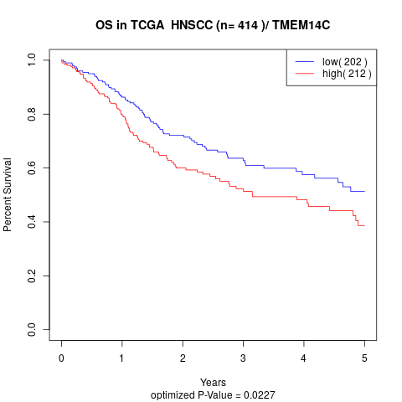

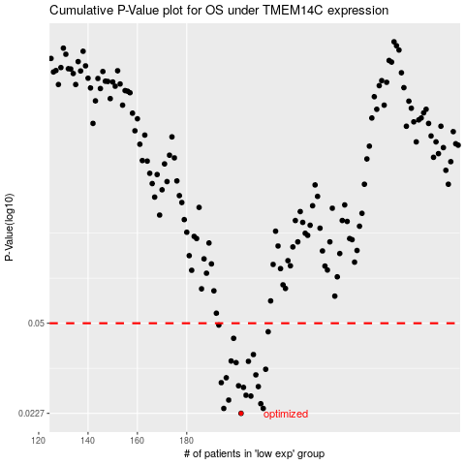

 |  |  |  |  |  | cases_OS | p_OS | rank | exp
 |  |  |  |  |  | 202 | 0.0227 | 107 | -0.27801356121
 |  |  |  |  |  | 211 | 0.0237 | 289 | -0.24702912232
 |  |  |  |  |  | 195 | 0.0237 | 373 | -0.29976716348
 |  |  |  |  |  | 210 | 0.0247 | 145 | -0.248014091
 |  |  |  |  |  | 197 | 0.0255 | 287 | -0.2951108831
 |  |  |  |  |  | 206 | 0.0264 | 247 | -0.26543089303
 |  |  |  |  |  | 204 | 0.0266 | 207 | -0.26868873468
 |  |  |  |  |  | 203 | 0.0285 | 144 | -0.26986624719
 |  |  |  |  |  | 209 | 0.0287 | 376 | -0.25099153179
 |  |  |  |  |  | 201 | 0.0289 | 165 | -0.27941642132
 |  |  |  |  |  | 194 | 0.0297 | 126 | -0.30475690127
 |  |  |  |  |  | 196 | 0.031 | 392 | -0.29739359721
 |  |  |  |  |  | 208 | 0.0318 | 238 | -0.25202727498
 |  |  |  |  |  | 212 | 0.0334 | 264 | -0.24572381776
 |  |  |  |  |  | 200 | 0.0354 | 174 | -0.28424684691
 |  |  |  |  |  | 205 | 0.0358 | 111 | -0.26688837853
 |  |  |  |  |  | 198 | 0.0359 | 90 | -0.29047214559
 |  |  |  |  |  | 207 | 0.038 | 157 | -0.25971875931
 |  |  |  |  |  | 199 | 0.0438 | 327 | -0.28997581038
 |  |  |  |  |  | 213 | 0.0464 | 12 | -0.241372755
 |  |  |  |  |  | 193 | 0.0492 | 219 | -0.31028447815
 |  |  |  |  |  |  | cases_RFS | p_RFS | rank | exp
 |  |  |  |  |  |  | 201 | 0.0227 | 165 | -0.27941642132
 |  |  |  |  |  |  | 194 | 0.0237 | 126 | -0.30475690127
 |  |  |  |  |  |  | 210 | 0.0237 | 145 | -0.248014091
 |  |  |  |  |  |  | 209 | 0.0247 | 376 | -0.25099153179
 |  |  |  |  |  |  | 196 | 0.0255 | 392 | -0.29739359721
 |  |  |  |  |  |  | 205 | 0.0264 | 111 | -0.26688837853
 |  |  |  |  |  |  | 203 | 0.0266 | 144 | -0.26986624719
 |  |  |  |  |  |  | 202 | 0.0285 | 107 | -0.27801356121
 |  |  |  |  |  |  | 208 | 0.0287 | 238 | -0.25202727498
 |  |  |  |  |  |  | 200 | 0.0289 | 174 | -0.28424684691
 |  |  |  |  |  |  | 193 | 0.0297 | 219 | -0.31028447815
 |  |  |  |  |  |  | 195 | 0.031 | 373 | -0.29976716348
 |  |  |  |  |  |  | 207 | 0.0318 | 157 | -0.25971875931
 |  |  |  |  |  |  | 211 | 0.0334 | 289 | -0.24702912232
 |  |  |  |  |  |  | 199 | 0.0354 | 327 | -0.28997581038
 |  |  |  |  |  |  | 204 | 0.0358 | 207 | -0.26868873468
 |  |  |  |  |  |  | 197 | 0.0359 | 287 | -0.2951108831
 |  |  |  |  |  |  | 206 | 0.038 | 247 | -0.26543089303
 |  |  |  |  |  |  | 198 | 0.0438 | 90 | -0.29047214559
 |  |  |  |  |  |  | 212 | 0.0464 | 264 | -0.24572381776
 |  |  |  |  |  |  | 192 | 0.0492 | 388 | -0.31259914028

