TMEM150A _multivariate
Reported by Tex Li-Hsing Chi. tex@gate.sinica.edu.tw 2019-08-15

Table 2. The clinicopathological features of HNSCC cohort and TMEM150A expression. (Chi square test)
Cutoff at -0.189 (50.0%)
 |  | TMEM150A expression |  | TMEM150A expression |  | (Optimised)
 | Features | Low | (%) | High | (%) | Case no | P-value | Remark | Matthews
Gender | Female | 152 | 36.6 | 154 | 37.1 | 415 | 0.9766 | 0 | 0
2 | Male | 55 | 13.3 | 54 | 13
Age at diagnosis | <=65y | 135 | 32.5 | 139 | 33.5 | 415 | 0.8084 | 0 | 0
4 | >65y | 72 | 17.3 | 69 | 16.6
Clinical T Status | T1+T2 | 86 | 20.7 | 63 | 15.2 | 415 | 0.0221 | 1 | 0
6 | T3+T4 | 121 | 29.2 | 145 | 34.9
Clinical N Status | N0 | 110 | 26.5 | 106 | 25.5 | 415 | 0.7294 | 0 | 0
8 | N1-3 | 97 | 23.4 | 102 | 24.6
Clinical M Status | M0 | 206 | 49.6 | 206 | 49.6 | 415 | 1 | 0 | 0
10 | M1 | 1 | 0.2 | 2 | 0.5
Clinical Stage | Stage I+II | 57 | 13.7 | 45 | 10.8 | 415 | 0.1998 | 0 | 0
12 | Stage III+IV | 150 | 36.1 | 163 | 39.3
Surgical Margin status | Negative | 155 | 37.3 | 163 | 39.3 | 415 | 0.4187 | 0 | 0
14 | Positive | 52 | 12.5 | 45 | 10.8
Tobacco Exposure | Low | 76 | 18.3 | 85 | 20.5 | 415 | 0.4207 | 0 | 0
16 | High | 131 | 31.6 | 123 | 29.6

Table 3. Univariate/Multivariate Cox's proportional hazards regression analyses on OS time of TMEM150A gene expression in HNSCC

 |  | Univariate |  |  |  | Multivariate
 | Features | HR | CI95%(L) | CI95%(H) | P-value | HR | CI95%(L) | CI95%(H) | P-value
1 | Female | 1 |  |  |  | 1
Gender | Male | 1.157 | 0.843 | 1.587 | 0.367 | 1.193 | 0.853 | 1.668 | 0.302
11 | <=65y | 1 |  |  |  | 1
Age at diagnosis | >65y | 1.329 | 0.99 | 1.784 | 0.058 | 1.407 | 1.033 | 1.917 | 0.03
12 | T1+T2 | 1 |  |  |  | 1
Clinical T Status | T3+T4 | 1.409 | 1.028 | 1.931 | 0.033 | 2.174 | 1.148 | 4.118 | 0.017
13 | N0 | 1 |  |  |  | 1
Clinical N Status | N1-3 | 1.185 | 0.89 | 1.577 | 0.246 | 1.235 | 0.865 | 1.763 | 0.245
14 | M0 | 1 |  |  |  | 1
Clinical M Status | M1 | 4.097 | 1.009 | 16.644 | 0.049 | 9.091 | 1.974 | 41.867 | 0.005
15 | Stage I+II | 1 |  |  |  | 1
Clinical Stage | Stage III+IV | 1.245 | 0.882 | 1.759 | 0.213 | 0.512 | 0.238 | 1.1 | 0.086
16 | Negative | 1 |  |  |  | 1
Surgical Margin status | Positive | 1.591 | 1.155 | 2.191 | 0.004 | 1.674 | 1.211 | 2.312 | 0.002
17 | Low | 1 |  |  |  | 1
Tobacco Exposure | High | 1.364 | 1.008 | 1.844 | 0.044 | 1.45 | 1.053 | 1.997 | 0.023
18 | Low | 1 |  |  |  | 1
RNAseq(z-score) | High | 1.102 | 0.828 | 1.468 | 0.506 | 1.087 | 0.813 | 1.455 | 0.573

Table 4. Univariate/Multivariate Cox's proportional hazards regression analyses on RFS time of TMEM150A gene expression in HNSCC

 |  | Univariate |  |  |  | Multivariate
 | Features | HR | CI95%(L) | CI95%(H) | P-value | HR | CI95%(L) | CI95%(H) | P-value
1 | Female | 1 |  |  |  | 1
Gender | Male | 1.157 | 0.843 | 1.587 | 0.367 | 1.193 | 0.853 | 1.668 | 0.302
11 | <=65y | 1 |  |  |  | 1
Age at diagnosis | >65y | 1.329 | 0.99 | 1.784 | 0.058 | 1.407 | 1.033 | 1.917 | 0.03
12 | T1+T2 | 1 |  |  |  | 1
Clinical T Status | T3+T4 | 1.409 | 1.028 | 1.931 | 0.033 | 2.174 | 1.148 | 4.118 | 0.017
13 | N0 | 1 |  |  |  | 1
Clinical N Status | N1-3 | 1.185 | 0.89 | 1.577 | 0.246 | 1.235 | 0.865 | 1.763 | 0.245
14 | M0 | 1 |  |  |  | 1
Clinical M Status | M1 | 4.097 | 1.009 | 16.644 | 0.049 | 9.091 | 1.974 | 41.867 | 0.005
15 | Stage I+II | 1 |  |  |  | 1
Clinical Stage | Stage III+IV | 1.245 | 0.882 | 1.759 | 0.213 | 0.512 | 0.238 | 1.1 | 0.086
16 | Negative | 1 |  |  |  | 1
Surgical Margin status | Positive | 1.591 | 1.155 | 2.191 | 0.004 | 1.674 | 1.211 | 2.312 | 0.002
17 | Low | 1 |  |  |  | 1
Tobacco Exposure | High | 1.364 | 1.008 | 1.844 | 0.044 | 1.45 | 1.053 | 1.997 | 0.023
18 | Low | 1 |  |  |  | 1
RNAseq(z-score) | High | 1.102 | 0.828 | 1.468 | 0.506 | 1.087 | 0.813 | 1.455 | 0.573

Kaplan-Meier survival estimate: Cutoff at -0.189 (50.0%)



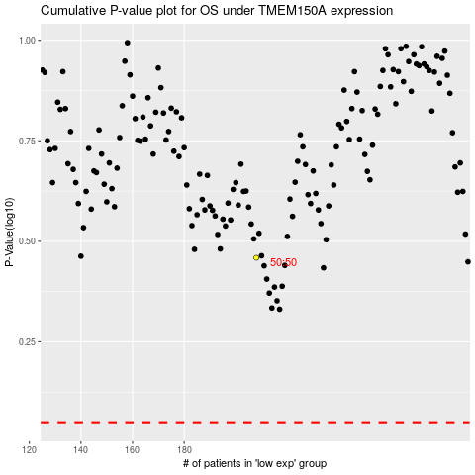

 |  |  |  |  |  | cases_OS | p_OS | rank | exp
 |  |  |  |  |  |  | cases_RFS | p_RFS | rank | exp

