TMEM150B _multivariate
Reported by Tex Li-Hsing Chi. tex@gate.sinica.edu.tw 2019-08-15

Table 2. The clinicopathological features of HNSCC cohort and TMEM150B expression. (Chi square test)
Cutoff at -0.269 (49.8%)
 |  | TMEM150B expression |  | TMEM150B expression |  | (Optimised)
 | Features | Low | (%) | High | (%) | Case no | P-value | Remark | Matthews
Gender | Female | 159 | 38.3 | 147 | 35.4 | 415 | 0.1905 | 0 | 0
2 | Male | 48 | 11.6 | 61 | 14.7
Age at diagnosis | <=65y | 140 | 33.7 | 134 | 32.3 | 415 | 0.5574 | 0 | 0
4 | >65y | 67 | 16.1 | 74 | 17.8
Clinical T Status | T1+T2 | 71 | 17.1 | 78 | 18.8 | 415 | 0.5638 | 0 | 0
6 | T3+T4 | 136 | 32.8 | 130 | 31.3
Clinical N Status | N0 | 115 | 27.7 | 101 | 24.3 | 415 | 0.184 | 1 | 0
8 | N1-3 | 92 | 22.2 | 107 | 25.8
Clinical M Status | M0 | 206 | 49.6 | 206 | 49.6 | 415 | 1 | 0 | 0
10 | M1 | 1 | 0.2 | 2 | 0.5
Clinical Stage | Stage I+II | 48 | 11.6 | 54 | 13 | 415 | 0.5878 | 0 | 0
12 | Stage III+IV | 159 | 38.3 | 154 | 37.1
Surgical Margin status | Negative | 155 | 37.3 | 163 | 39.3 | 415 | 0.4187 | 0 | 0
14 | Positive | 52 | 12.5 | 45 | 10.8
Tobacco Exposure | Low | 78 | 18.8 | 83 | 20 | 415 | 0.6873 | 0 | 0
16 | High | 129 | 31.1 | 125 | 30.1

Table 3. Univariate/Multivariate Cox's proportional hazards regression analyses on OS time of TMEM150B gene expression in HNSCC

 |  | Univariate |  |  |  | Multivariate
 | Features | HR | CI95%(L) | CI95%(H) | P-value | HR | CI95%(L) | CI95%(H) | P-value
1 | Female | 1 |  |  |  | 1
Gender | Male | 1.157 | 0.843 | 1.587 | 0.367 | 1.203 | 0.861 | 1.681 | 0.278
11 | <=65y | 1 |  |  |  | 1
Age at diagnosis | >65y | 1.329 | 0.99 | 1.784 | 0.058 | 1.391 | 1.023 | 1.892 | 0.035
12 | T1+T2 | 1 |  |  |  | 1
Clinical T Status | T3+T4 | 1.409 | 1.028 | 1.931 | 0.033 | 2.193 | 1.159 | 4.147 | 0.016
13 | N0 | 1 |  |  |  | 1
Clinical N Status | N1-3 | 1.185 | 0.89 | 1.577 | 0.246 | 1.23 | 0.859 | 1.76 | 0.258
14 | M0 | 1 |  |  |  | 1
Clinical M Status | M1 | 4.097 | 1.009 | 16.644 | 0.049 | 9.236 | 2.009 | 42.455 | 0.004
15 | Stage I+II | 1 |  |  |  | 1
Clinical Stage | Stage III+IV | 1.245 | 0.882 | 1.759 | 0.213 | 0.511 | 0.238 | 1.101 | 0.087
16 | Negative | 1 |  |  |  | 1
Surgical Margin status | Positive | 1.591 | 1.155 | 2.191 | 0.004 | 1.673 | 1.21 | 2.311 | 0.002
17 | Low | 1 |  |  |  | 1
Tobacco Exposure | High | 1.364 | 1.008 | 1.844 | 0.044 | 1.458 | 1.058 | 2.009 | 0.021
18 | Low | 1 |  |  |  | 1
RNAseq(z-score) | High | 1.056 | 0.792 | 1.407 | 0.71 | 1.059 | 0.792 | 1.417 | 0.699

Table 4. Univariate/Multivariate Cox's proportional hazards regression analyses on RFS time of TMEM150B gene expression in HNSCC

 |  | Univariate |  |  |  | Multivariate
 | Features | HR | CI95%(L) | CI95%(H) | P-value | HR | CI95%(L) | CI95%(H) | P-value
1 | Female | 1 |  |  |  | 1
Gender | Male | 1.157 | 0.843 | 1.587 | 0.367 | 1.203 | 0.861 | 1.681 | 0.278
11 | <=65y | 1 |  |  |  | 1
Age at diagnosis | >65y | 1.329 | 0.99 | 1.784 | 0.058 | 1.391 | 1.023 | 1.892 | 0.035
12 | T1+T2 | 1 |  |  |  | 1
Clinical T Status | T3+T4 | 1.409 | 1.028 | 1.931 | 0.033 | 2.193 | 1.159 | 4.147 | 0.016
13 | N0 | 1 |  |  |  | 1
Clinical N Status | N1-3 | 1.185 | 0.89 | 1.577 | 0.246 | 1.23 | 0.859 | 1.76 | 0.258
14 | M0 | 1 |  |  |  | 1
Clinical M Status | M1 | 4.097 | 1.009 | 16.644 | 0.049 | 9.236 | 2.009 | 42.455 | 0.004
15 | Stage I+II | 1 |  |  |  | 1
Clinical Stage | Stage III+IV | 1.245 | 0.882 | 1.759 | 0.213 | 0.511 | 0.238 | 1.101 | 0.087
16 | Negative | 1 |  |  |  | 1
Surgical Margin status | Positive | 1.591 | 1.155 | 2.191 | 0.004 | 1.673 | 1.21 | 2.311 | 0.002
17 | Low | 1 |  |  |  | 1
Tobacco Exposure | High | 1.364 | 1.008 | 1.844 | 0.044 | 1.458 | 1.058 | 2.009 | 0.021
18 | Low | 1 |  |  |  | 1
RNAseq(z-score) | High | 1.056 | 0.792 | 1.407 | 0.71 | 1.059 | 0.792 | 1.417 | 0.699

Kaplan-Meier survival estimate: Cutoff at -0.269 (49.8%)

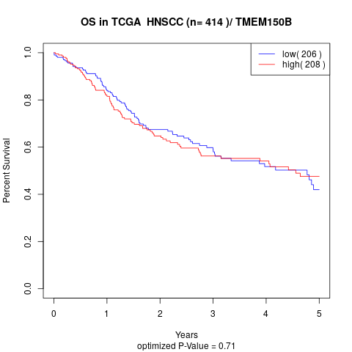

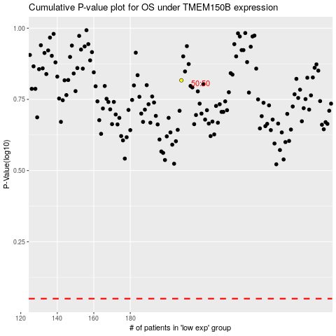

 |  |  |  |  |  | cases_OS | p_OS | rank | exp
 |  |  |  |  |  |  | cases_RFS | p_RFS | rank | exp

