TMEM151A _multivariate
Reported by Tex Li-Hsing Chi. tex@gate.sinica.edu.tw 2019-08-15

Table 2. The clinicopathological features of HNSCC cohort and TMEM151A expression. (Chi square test)
Cutoff at -0.215 (50.0%)
 |  | TMEM151A expression |  | TMEM151A expression |  | (Optimised)
 | Features | Low | (%) | High | (%) | Case no | P-value | Remark | Matthews
Gender | Female | 159 | 38.3 | 147 | 35.4 | 415 | 0.1905 | 0 | 0
2 | Male | 48 | 11.6 | 61 | 14.7
Age at diagnosis | <=65y | 137 | 33 | 137 | 33 | 415 | 1 | 0 | 0
4 | >65y | 70 | 16.9 | 71 | 17.1
Clinical T Status | T1+T2 | 78 | 18.8 | 71 | 17.1 | 415 | 0.5152 | 0 | 0
6 | T3+T4 | 129 | 31.1 | 137 | 33
Clinical N Status | N0 | 102 | 24.6 | 114 | 27.5 | 415 | 0.3031 | 0 | 0
8 | N1-3 | 105 | 25.3 | 94 | 22.7
Clinical M Status | M0 | 205 | 49.4 | 207 | 49.9 | 415 | 0.6232 | 0 | 0
10 | M1 | 2 | 0.5 | 1 | 0.2
Clinical Stage | Stage I+II | 53 | 12.8 | 49 | 11.8 | 415 | 0.7113 | 0 | 0
12 | Stage III+IV | 154 | 37.1 | 159 | 38.3
Surgical Margin status | Negative | 167 | 40.2 | 151 | 36.4 | 415 | 0.0632 | 0 | 0
14 | Positive | 40 | 9.6 | 57 | 13.7
Tobacco Exposure | Low | 86 | 20.7 | 75 | 18.1 | 415 | 0.2687 | 0 | 0
16 | High | 121 | 29.2 | 133 | 32

Table 3. Univariate/Multivariate Cox's proportional hazards regression analyses on OS time of TMEM151A gene expression in HNSCC

 |  | Univariate |  |  |  | Multivariate
 | Features | HR | CI95%(L) | CI95%(H) | P-value | HR | CI95%(L) | CI95%(H) | P-value
1 | Female | 1 |  |  |  | 1
Gender | Male | 1.157 | 0.843 | 1.587 | 0.367 | 1.218 | 0.869 | 1.708 | 0.252
11 | <=65y | 1 |  |  |  | 1
Age at diagnosis | >65y | 1.329 | 0.99 | 1.784 | 0.058 | 1.385 | 1.018 | 1.884 | 0.038
12 | T1+T2 | 1 |  |  |  | 1
Clinical T Status | T3+T4 | 1.409 | 1.028 | 1.931 | 0.033 | 2.206 | 1.167 | 4.172 | 0.015
13 | N0 | 1 |  |  |  | 1
Clinical N Status | N1-3 | 1.185 | 0.89 | 1.577 | 0.246 | 1.231 | 0.862 | 1.758 | 0.252
14 | M0 | 1 |  |  |  | 1
Clinical M Status | M1 | 4.097 | 1.009 | 16.644 | 0.049 | 9.4 | 2.051 | 43.091 | 0.004
15 | Stage I+II | 1 |  |  |  | 1
Clinical Stage | Stage III+IV | 1.245 | 0.882 | 1.759 | 0.213 | 0.504 | 0.235 | 1.081 | 0.078
16 | Negative | 1 |  |  |  | 1
Surgical Margin status | Positive | 1.591 | 1.155 | 2.191 | 0.004 | 1.691 | 1.22 | 2.344 | 0.002
17 | Low | 1 |  |  |  | 1
Tobacco Exposure | High | 1.364 | 1.008 | 1.844 | 0.044 | 1.468 | 1.063 | 2.028 | 0.02
18 | Low | 1 |  |  |  | 1
RNAseq(z-score) | High | 1.012 | 0.76 | 1.349 | 0.934 | 0.924 | 0.687 | 1.241 | 0.598

Table 4. Univariate/Multivariate Cox's proportional hazards regression analyses on RFS time of TMEM151A gene expression in HNSCC

 |  | Univariate |  |  |  | Multivariate
 | Features | HR | CI95%(L) | CI95%(H) | P-value | HR | CI95%(L) | CI95%(H) | P-value
1 | Female | 1 |  |  |  | 1
Gender | Male | 1.157 | 0.843 | 1.587 | 0.367 | 1.218 | 0.869 | 1.708 | 0.252
11 | <=65y | 1 |  |  |  | 1
Age at diagnosis | >65y | 1.329 | 0.99 | 1.784 | 0.058 | 1.385 | 1.018 | 1.884 | 0.038
12 | T1+T2 | 1 |  |  |  | 1
Clinical T Status | T3+T4 | 1.409 | 1.028 | 1.931 | 0.033 | 2.206 | 1.167 | 4.172 | 0.015
13 | N0 | 1 |  |  |  | 1
Clinical N Status | N1-3 | 1.185 | 0.89 | 1.577 | 0.246 | 1.231 | 0.862 | 1.758 | 0.252
14 | M0 | 1 |  |  |  | 1
Clinical M Status | M1 | 4.097 | 1.009 | 16.644 | 0.049 | 9.4 | 2.051 | 43.091 | 0.004
15 | Stage I+II | 1 |  |  |  | 1
Clinical Stage | Stage III+IV | 1.245 | 0.882 | 1.759 | 0.213 | 0.504 | 0.235 | 1.081 | 0.078
16 | Negative | 1 |  |  |  | 1
Surgical Margin status | Positive | 1.591 | 1.155 | 2.191 | 0.004 | 1.691 | 1.22 | 2.344 | 0.002
17 | Low | 1 |  |  |  | 1
Tobacco Exposure | High | 1.364 | 1.008 | 1.844 | 0.044 | 1.468 | 1.063 | 2.028 | 0.02
18 | Low | 1 |  |  |  | 1
RNAseq(z-score) | High | 1.012 | 0.76 | 1.349 | 0.934 | 0.924 | 0.687 | 1.241 | 0.598

Kaplan-Meier survival estimate: Cutoff at -0.215 (50.0%)



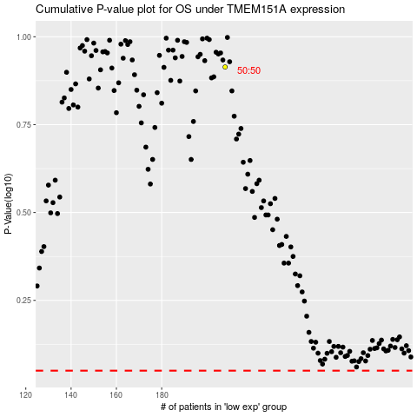

 |  |  |  |  |  | cases_OS | p_OS | rank | exp
 |  |  |  |  |  |  | cases_RFS | p_RFS | rank | exp

