TMEM154 _multivariate
Reported by Tex Li-Hsing Chi. tex@gate.sinica.edu.tw 2019-08-15

Table 2. The clinicopathological features of HNSCC cohort and TMEM154 expression. (Chi square test)
Cutoff at -0.227 (49.8%)
 |  | TMEM154 expression |  | TMEM154 expression |  | (Optimised)
 | Features | Low | (%) | High | (%) | Case no | P-value | Remark | Matthews
Gender | Female | 157 | 37.8 | 149 | 35.9 | 415 | 0.3881 | 0 | 0
2 | Male | 50 | 12 | 59 | 14.2
Age at diagnosis | <=65y | 141 | 34 | 133 | 32 | 415 | 0.4272 | 0 | 0
4 | >65y | 66 | 15.9 | 75 | 18.1
Clinical T Status | T1+T2 | 79 | 19 | 70 | 16.9 | 415 | 0.3924 | 0 | 0
6 | T3+T4 | 128 | 30.8 | 138 | 33.3
Clinical N Status | N0 | 102 | 24.6 | 114 | 27.5 | 415 | 0.3031 | 0 | 0
8 | N1-3 | 105 | 25.3 | 94 | 22.7
Clinical M Status | M0 | 206 | 49.6 | 206 | 49.6 | 415 | 1 | 0 | 0
10 | M1 | 1 | 0.2 | 2 | 0.5
Clinical Stage | Stage I+II | 51 | 12.3 | 51 | 12.3 | 415 | 1 | 0 | 0
12 | Stage III+IV | 156 | 37.6 | 157 | 37.8
Surgical Margin status | Negative | 161 | 38.8 | 157 | 37.8 | 415 | 0.6429 | 0 | 0
14 | Positive | 46 | 11.1 | 51 | 12.3
Tobacco Exposure | Low | 74 | 17.8 | 87 | 21 | 415 | 0.227 | 0 | 0
16 | High | 133 | 32 | 121 | 29.2

Table 3. Univariate/Multivariate Cox's proportional hazards regression analyses on OS time of TMEM154 gene expression in HNSCC

 |  | Univariate |  |  |  | Multivariate
 | Features | HR | CI95%(L) | CI95%(H) | P-value | HR | CI95%(L) | CI95%(H) | P-value
1 | Female | 1 |  |  |  | 1
Gender | Male | 1.157 | 0.843 | 1.587 | 0.367 | 1.199 | 0.858 | 1.675 | 0.288
11 | <=65y | 1 |  |  |  | 1
Age at diagnosis | >65y | 1.329 | 0.99 | 1.784 | 0.058 | 1.393 | 1.024 | 1.893 | 0.035
12 | T1+T2 | 1 |  |  |  | 1
Clinical T Status | T3+T4 | 1.409 | 1.028 | 1.931 | 0.033 | 2.196 | 1.161 | 4.153 | 0.016
13 | N0 | 1 |  |  |  | 1
Clinical N Status | N1-3 | 1.185 | 0.89 | 1.577 | 0.246 | 1.249 | 0.874 | 1.787 | 0.222
14 | M0 | 1 |  |  |  | 1
Clinical M Status | M1 | 4.097 | 1.009 | 16.644 | 0.049 | 9.323 | 2.032 | 42.774 | 0.004
15 | Stage I+II | 1 |  |  |  | 1
Clinical Stage | Stage III+IV | 1.245 | 0.882 | 1.759 | 0.213 | 0.503 | 0.234 | 1.08 | 0.078
16 | Negative | 1 |  |  |  | 1
Surgical Margin status | Positive | 1.591 | 1.155 | 2.191 | 0.004 | 1.676 | 1.212 | 2.316 | 0.002
17 | Low | 1 |  |  |  | 1
Tobacco Exposure | High | 1.364 | 1.008 | 1.844 | 0.044 | 1.459 | 1.057 | 2.012 | 0.021
18 | Low | 1 |  |  |  | 1
RNAseq(z-score) | High | 1.032 | 0.774 | 1.376 | 0.831 | 1.051 | 0.785 | 1.408 | 0.736

Table 4. Univariate/Multivariate Cox's proportional hazards regression analyses on RFS time of TMEM154 gene expression in HNSCC

 |  | Univariate |  |  |  | Multivariate
 | Features | HR | CI95%(L) | CI95%(H) | P-value | HR | CI95%(L) | CI95%(H) | P-value
1 | Female | 1 |  |  |  | 1
Gender | Male | 1.157 | 0.843 | 1.587 | 0.367 | 1.199 | 0.858 | 1.675 | 0.288
11 | <=65y | 1 |  |  |  | 1
Age at diagnosis | >65y | 1.329 | 0.99 | 1.784 | 0.058 | 1.393 | 1.024 | 1.893 | 0.035
12 | T1+T2 | 1 |  |  |  | 1
Clinical T Status | T3+T4 | 1.409 | 1.028 | 1.931 | 0.033 | 2.196 | 1.161 | 4.153 | 0.016
13 | N0 | 1 |  |  |  | 1
Clinical N Status | N1-3 | 1.185 | 0.89 | 1.577 | 0.246 | 1.249 | 0.874 | 1.787 | 0.222
14 | M0 | 1 |  |  |  | 1
Clinical M Status | M1 | 4.097 | 1.009 | 16.644 | 0.049 | 9.323 | 2.032 | 42.774 | 0.004
15 | Stage I+II | 1 |  |  |  | 1
Clinical Stage | Stage III+IV | 1.245 | 0.882 | 1.759 | 0.213 | 0.503 | 0.234 | 1.08 | 0.078
16 | Negative | 1 |  |  |  | 1
Surgical Margin status | Positive | 1.591 | 1.155 | 2.191 | 0.004 | 1.676 | 1.212 | 2.316 | 0.002
17 | Low | 1 |  |  |  | 1
Tobacco Exposure | High | 1.364 | 1.008 | 1.844 | 0.044 | 1.459 | 1.057 | 2.012 | 0.021
18 | Low | 1 |  |  |  | 1
RNAseq(z-score) | High | 1.032 | 0.774 | 1.376 | 0.831 | 1.051 | 0.785 | 1.408 | 0.736

Kaplan-Meier survival estimate: Cutoff at -0.227 (49.8%)



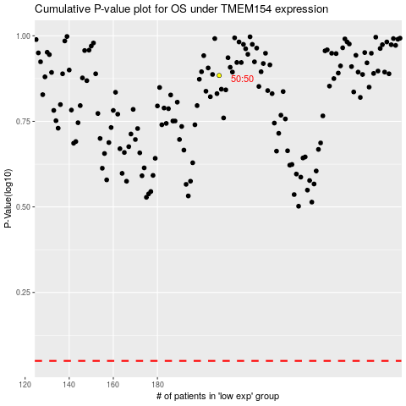

 |  |  |  |  |  | cases_OS | p_OS | rank | exp
 |  |  |  |  |  |  | cases_RFS | p_RFS | rank | exp

