TMEM158 _multivariate
Reported by Tex Li-Hsing Chi. tex@gate.sinica.edu.tw 2019-08-15

Table 2. The clinicopathological features of HNSCC cohort and TMEM158 expression. (Chi square test)
Cutoff at -0.25 (50.0%)
 |  | TMEM158 expression |  | TMEM158 expression |  | (Optimised)
 | Features | Low | (%) | High | (%) | Case no | P-value | Remark | Matthews
Gender | Female | 151 | 36.4 | 155 | 37.3 | 415 | 0.8007 | 0 | 0
2 | Male | 56 | 13.5 | 53 | 12.8
Age at diagnosis | <=65y | 136 | 32.8 | 138 | 33.3 | 415 | 0.9719 | 0 | 0
4 | >65y | 71 | 17.1 | 70 | 16.9
Clinical T Status | T1+T2 | 91 | 21.9 | 58 | 14 | 415 | 9e-04 | 1 | 0
6 | T3+T4 | 116 | 28 | 150 | 36.1
Clinical N Status | N0 | 111 | 26.7 | 105 | 25.3 | 415 | 0.5875 | 0 | 0
8 | N1-3 | 96 | 23.1 | 103 | 24.8
Clinical M Status | M0 | 204 | 49.2 | 208 | 50.1 | 415 | 0.1232 | 0 | 0
10 | M1 | 3 | 0.7 | 0 | 0
Clinical Stage | Stage I+II | 58 | 14 | 44 | 10.6 | 415 | 0.131 | 0 | 0
12 | Stage III+IV | 149 | 35.9 | 164 | 39.5
Surgical Margin status | Negative | 161 | 38.8 | 157 | 37.8 | 415 | 0.6429 | 0 | 0
14 | Positive | 46 | 11.1 | 51 | 12.3
Tobacco Exposure | Low | 100 | 24.1 | 61 | 14.7 | 415 | 1e-04 | 1 | 0
16 | High | 107 | 25.8 | 147 | 35.4

Table 3. Univariate/Multivariate Cox's proportional hazards regression analyses on OS time of TMEM158 gene expression in HNSCC

 |  | Univariate |  |  |  | Multivariate
 | Features | HR | CI95%(L) | CI95%(H) | P-value | HR | CI95%(L) | CI95%(H) | P-value
1 | Female | 1 |  |  |  | 1
Gender | Male | 1.157 | 0.843 | 1.587 | 0.367 | 1.202 | 0.861 | 1.679 | 0.28
11 | <=65y | 1 |  |  |  | 1
Age at diagnosis | >65y | 1.329 | 0.99 | 1.784 | 0.058 | 1.391 | 1.023 | 1.891 | 0.035
12 | T1+T2 | 1 |  |  |  | 1
Clinical T Status | T3+T4 | 1.409 | 1.028 | 1.931 | 0.033 | 2.227 | 1.17 | 4.241 | 0.015
13 | N0 | 1 |  |  |  | 1
Clinical N Status | N1-3 | 1.185 | 0.89 | 1.577 | 0.246 | 1.245 | 0.872 | 1.779 | 0.228
14 | M0 | 1 |  |  |  | 1
Clinical M Status | M1 | 4.097 | 1.009 | 16.644 | 0.049 | 9.318 | 2.029 | 42.802 | 0.004
15 | Stage I+II | 1 |  |  |  | 1
Clinical Stage | Stage III+IV | 1.245 | 0.882 | 1.759 | 0.213 | 0.499 | 0.231 | 1.077 | 0.077
16 | Negative | 1 |  |  |  | 1
Surgical Margin status | Positive | 1.591 | 1.155 | 2.191 | 0.004 | 1.674 | 1.211 | 2.313 | 0.002
17 | Low | 1 |  |  |  | 1
Tobacco Exposure | High | 1.364 | 1.008 | 1.844 | 0.044 | 1.469 | 1.052 | 2.05 | 0.024
18 | Low | 1 |  |  |  | 1
RNAseq(z-score) | High | 1.105 | 0.83 | 1.472 | 0.493 | 0.964 | 0.71 | 1.309 | 0.815

Table 4. Univariate/Multivariate Cox's proportional hazards regression analyses on RFS time of TMEM158 gene expression in HNSCC

 |  | Univariate |  |  |  | Multivariate
 | Features | HR | CI95%(L) | CI95%(H) | P-value | HR | CI95%(L) | CI95%(H) | P-value
1 | Female | 1 |  |  |  | 1
Gender | Male | 1.157 | 0.843 | 1.587 | 0.367 | 1.202 | 0.861 | 1.679 | 0.28
11 | <=65y | 1 |  |  |  | 1
Age at diagnosis | >65y | 1.329 | 0.99 | 1.784 | 0.058 | 1.391 | 1.023 | 1.891 | 0.035
12 | T1+T2 | 1 |  |  |  | 1
Clinical T Status | T3+T4 | 1.409 | 1.028 | 1.931 | 0.033 | 2.227 | 1.17 | 4.241 | 0.015
13 | N0 | 1 |  |  |  | 1
Clinical N Status | N1-3 | 1.185 | 0.89 | 1.577 | 0.246 | 1.245 | 0.872 | 1.779 | 0.228
14 | M0 | 1 |  |  |  | 1
Clinical M Status | M1 | 4.097 | 1.009 | 16.644 | 0.049 | 9.318 | 2.029 | 42.802 | 0.004
15 | Stage I+II | 1 |  |  |  | 1
Clinical Stage | Stage III+IV | 1.245 | 0.882 | 1.759 | 0.213 | 0.499 | 0.231 | 1.077 | 0.077
16 | Negative | 1 |  |  |  | 1
Surgical Margin status | Positive | 1.591 | 1.155 | 2.191 | 0.004 | 1.674 | 1.211 | 2.313 | 0.002
17 | Low | 1 |  |  |  | 1
Tobacco Exposure | High | 1.364 | 1.008 | 1.844 | 0.044 | 1.469 | 1.052 | 2.05 | 0.024
18 | Low | 1 |  |  |  | 1
RNAseq(z-score) | High | 1.105 | 0.83 | 1.472 | 0.493 | 0.964 | 0.71 | 1.309 | 0.815

Kaplan-Meier survival estimate: Cutoff at -0.25 (50.0%)



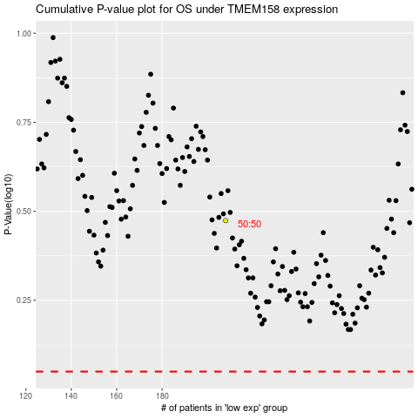

 |  |  |  |  |  | cases_OS | p_OS | rank | exp
 |  |  |  |  |  |  | cases_RFS | p_RFS | rank | exp

