TMEM161A _multivariate
Reported by Tex Li-Hsing Chi. tex@gate.sinica.edu.tw 2019-08-15

Table 2. The clinicopathological features of HNSCC cohort and TMEM161A expression. (Chi square test)
Cutoff at -0.197 (49.8%)
 |  | TMEM161A expression |  | TMEM161A expression |  | (Optimised)
 | Features | Low | (%) | High | (%) | Case no | P-value | Remark | Matthews
Gender | Female | 142 | 34.2 | 164 | 39.5 | 415 | 0.0238 | 1 | 0
2 | Male | 65 | 15.7 | 44 | 10.6
Age at diagnosis | <=65y | 137 | 33 | 137 | 33 | 415 | 1 | 0 | 0
4 | >65y | 70 | 16.9 | 71 | 17.1
Clinical T Status | T1+T2 | 83 | 20 | 66 | 15.9 | 415 | 0.0941 | 0 | 0
6 | T3+T4 | 124 | 29.9 | 142 | 34.2
Clinical N Status | N0 | 105 | 25.3 | 111 | 26.7 | 415 | 0.6598 | 0 | 0
8 | N1-3 | 102 | 24.6 | 97 | 23.4
Clinical M Status | M0 | 205 | 49.4 | 207 | 49.9 | 415 | 0.6232 | 0 | 0
10 | M1 | 2 | 0.5 | 1 | 0.2
Clinical Stage | Stage I+II | 59 | 14.2 | 43 | 10.4 | 415 | 0.0822 | 0 | 0
12 | Stage III+IV | 148 | 35.7 | 165 | 39.8
Surgical Margin status | Negative | 159 | 38.3 | 159 | 38.3 | 415 | 1 | 0 | 0
14 | Positive | 48 | 11.6 | 49 | 11.8
Tobacco Exposure | Low | 94 | 22.7 | 67 | 16.1 | 415 | 0.0065 | 1 | 0
16 | High | 113 | 27.2 | 141 | 34

Table 3. Univariate/Multivariate Cox's proportional hazards regression analyses on OS time of TMEM161A gene expression in HNSCC

 |  | Univariate |  |  |  | Multivariate
 | Features | HR | CI95%(L) | CI95%(H) | P-value | HR | CI95%(L) | CI95%(H) | P-value
1 | Female | 1 |  |  |  | 1
Gender | Male | 1.157 | 0.843 | 1.587 | 0.367 | 1.179 | 0.842 | 1.649 | 0.338
11 | <=65y | 1 |  |  |  | 1
Age at diagnosis | >65y | 1.329 | 0.99 | 1.784 | 0.058 | 1.402 | 1.03 | 1.907 | 0.031
12 | T1+T2 | 1 |  |  |  | 1
Clinical T Status | T3+T4 | 1.409 | 1.028 | 1.931 | 0.033 | 2.219 | 1.172 | 4.201 | 0.014
13 | N0 | 1 |  |  |  | 1
Clinical N Status | N1-3 | 1.185 | 0.89 | 1.577 | 0.246 | 1.234 | 0.864 | 1.761 | 0.247
14 | M0 | 1 |  |  |  | 1
Clinical M Status | M1 | 4.097 | 1.009 | 16.644 | 0.049 | 9.284 | 2.024 | 42.575 | 0.004
15 | Stage I+II | 1 |  |  |  | 1
Clinical Stage | Stage III+IV | 1.245 | 0.882 | 1.759 | 0.213 | 0.51 | 0.237 | 1.096 | 0.085
16 | Negative | 1 |  |  |  | 1
Surgical Margin status | Positive | 1.591 | 1.155 | 2.191 | 0.004 | 1.676 | 1.213 | 2.317 | 0.002
17 | Low | 1 |  |  |  | 1
Tobacco Exposure | High | 1.364 | 1.008 | 1.844 | 0.044 | 1.478 | 1.071 | 2.04 | 0.017
18 | Low | 1 |  |  |  | 1
RNAseq(z-score) | High | 0.939 | 0.705 | 1.252 | 0.668 | 0.877 | 0.652 | 1.179 | 0.385

Table 4. Univariate/Multivariate Cox's proportional hazards regression analyses on RFS time of TMEM161A gene expression in HNSCC

 |  | Univariate |  |  |  | Multivariate
 | Features | HR | CI95%(L) | CI95%(H) | P-value | HR | CI95%(L) | CI95%(H) | P-value
1 | Female | 1 |  |  |  | 1
Gender | Male | 1.157 | 0.843 | 1.587 | 0.367 | 1.179 | 0.842 | 1.649 | 0.338
11 | <=65y | 1 |  |  |  | 1
Age at diagnosis | >65y | 1.329 | 0.99 | 1.784 | 0.058 | 1.402 | 1.03 | 1.907 | 0.031
12 | T1+T2 | 1 |  |  |  | 1
Clinical T Status | T3+T4 | 1.409 | 1.028 | 1.931 | 0.033 | 2.219 | 1.172 | 4.201 | 0.014
13 | N0 | 1 |  |  |  | 1
Clinical N Status | N1-3 | 1.185 | 0.89 | 1.577 | 0.246 | 1.234 | 0.864 | 1.761 | 0.247
14 | M0 | 1 |  |  |  | 1
Clinical M Status | M1 | 4.097 | 1.009 | 16.644 | 0.049 | 9.284 | 2.024 | 42.575 | 0.004
15 | Stage I+II | 1 |  |  |  | 1
Clinical Stage | Stage III+IV | 1.245 | 0.882 | 1.759 | 0.213 | 0.51 | 0.237 | 1.096 | 0.085
16 | Negative | 1 |  |  |  | 1
Surgical Margin status | Positive | 1.591 | 1.155 | 2.191 | 0.004 | 1.676 | 1.213 | 2.317 | 0.002
17 | Low | 1 |  |  |  | 1
Tobacco Exposure | High | 1.364 | 1.008 | 1.844 | 0.044 | 1.478 | 1.071 | 2.04 | 0.017
18 | Low | 1 |  |  |  | 1
RNAseq(z-score) | High | 0.939 | 0.705 | 1.252 | 0.668 | 0.877 | 0.652 | 1.179 | 0.385

Kaplan-Meier survival estimate: Cutoff at -0.197 (49.8%)



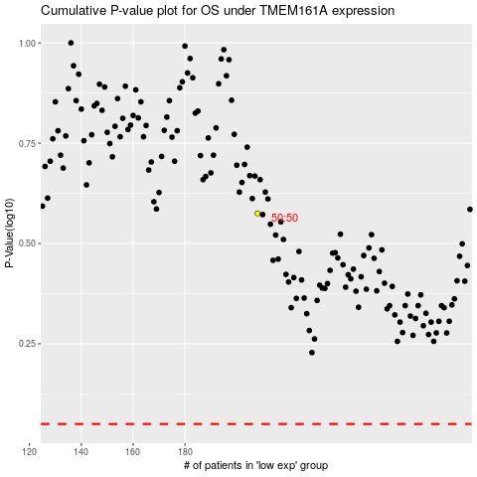

 |  |  |  |  |  | cases_OS | p_OS | rank | exp
 |  |  |  |  |  |  | cases_RFS | p_RFS | rank | exp

