TMEM163 _multivariate
Reported by Tex Li-Hsing Chi. tex@gate.sinica.edu.tw 2019-08-15

Table 2. The clinicopathological features of HNSCC cohort and TMEM163 expression. (Chi square test)
Cutoff at -0.255 (49.8%)
 |  | TMEM163 expression |  | TMEM163 expression |  | (Optimised)
 | Features | Low | (%) | High | (%) | Case no | P-value | Remark | Matthews
Gender | Female | 146 | 35.2 | 160 | 38.6 | 415 | 0.1714 | 0 | 0
2 | Male | 61 | 14.7 | 48 | 11.6
Age at diagnosis | <=65y | 141 | 34 | 133 | 32 | 415 | 0.4272 | 0 | 0
4 | >65y | 66 | 15.9 | 75 | 18.1
Clinical T Status | T1+T2 | 77 | 18.6 | 72 | 17.3 | 415 | 0.6556 | 0 | 0
6 | T3+T4 | 130 | 31.3 | 136 | 32.8
Clinical N Status | N0 | 113 | 27.2 | 103 | 24.8 | 415 | 0.3495 | 1 | 0
8 | N1-3 | 94 | 22.7 | 105 | 25.3
Clinical M Status | M0 | 205 | 49.4 | 207 | 49.9 | 415 | 0.6232 | 0 | 0
10 | M1 | 2 | 0.5 | 1 | 0.2
Clinical Stage | Stage I+II | 55 | 13.3 | 47 | 11.3 | 415 | 0.4087 | 0 | 0
12 | Stage III+IV | 152 | 36.6 | 161 | 38.8
Surgical Margin status | Negative | 156 | 37.6 | 162 | 39 | 415 | 0.5636 | 0 | 0
14 | Positive | 51 | 12.3 | 46 | 11.1
Tobacco Exposure | Low | 94 | 22.7 | 67 | 16.1 | 415 | 0.0065 | 1 | 0
16 | High | 113 | 27.2 | 141 | 34

Table 3. Univariate/Multivariate Cox's proportional hazards regression analyses on OS time of TMEM163 gene expression in HNSCC

 |  | Univariate |  |  |  | Multivariate
 | Features | HR | CI95%(L) | CI95%(H) | P-value | HR | CI95%(L) | CI95%(H) | P-value
1 | Female | 1 |  |  |  | 1
Gender | Male | 1.157 | 0.843 | 1.587 | 0.367 | 1.214 | 0.869 | 1.696 | 0.254
11 | <=65y | 1 |  |  |  | 1
Age at diagnosis | >65y | 1.329 | 0.99 | 1.784 | 0.058 | 1.385 | 1.019 | 1.883 | 0.038
12 | T1+T2 | 1 |  |  |  | 1
Clinical T Status | T3+T4 | 1.409 | 1.028 | 1.931 | 0.033 | 2.226 | 1.177 | 4.212 | 0.014
13 | N0 | 1 |  |  |  | 1
Clinical N Status | N1-3 | 1.185 | 0.89 | 1.577 | 0.246 | 1.232 | 0.863 | 1.758 | 0.25
14 | M0 | 1 |  |  |  | 1
Clinical M Status | M1 | 4.097 | 1.009 | 16.644 | 0.049 | 9.631 | 2.099 | 44.199 | 0.004
15 | Stage I+II | 1 |  |  |  | 1
Clinical Stage | Stage III+IV | 1.245 | 0.882 | 1.759 | 0.213 | 0.501 | 0.233 | 1.075 | 0.076
16 | Negative | 1 |  |  |  | 1
Surgical Margin status | Positive | 1.591 | 1.155 | 2.191 | 0.004 | 1.678 | 1.214 | 2.319 | 0.002
17 | Low | 1 |  |  |  | 1
Tobacco Exposure | High | 1.364 | 1.008 | 1.844 | 0.044 | 1.426 | 1.033 | 1.968 | 0.031
18 | Low | 1 |  |  |  | 1
RNAseq(z-score) | High | 1.156 | 0.868 | 1.539 | 0.322 | 1.14 | 0.852 | 1.526 | 0.378

Table 4. Univariate/Multivariate Cox's proportional hazards regression analyses on RFS time of TMEM163 gene expression in HNSCC

 |  | Univariate |  |  |  | Multivariate
 | Features | HR | CI95%(L) | CI95%(H) | P-value | HR | CI95%(L) | CI95%(H) | P-value
1 | Female | 1 |  |  |  | 1
Gender | Male | 1.157 | 0.843 | 1.587 | 0.367 | 1.214 | 0.869 | 1.696 | 0.254
11 | <=65y | 1 |  |  |  | 1
Age at diagnosis | >65y | 1.329 | 0.99 | 1.784 | 0.058 | 1.385 | 1.019 | 1.883 | 0.038
12 | T1+T2 | 1 |  |  |  | 1
Clinical T Status | T3+T4 | 1.409 | 1.028 | 1.931 | 0.033 | 2.226 | 1.177 | 4.212 | 0.014
13 | N0 | 1 |  |  |  | 1
Clinical N Status | N1-3 | 1.185 | 0.89 | 1.577 | 0.246 | 1.232 | 0.863 | 1.758 | 0.25
14 | M0 | 1 |  |  |  | 1
Clinical M Status | M1 | 4.097 | 1.009 | 16.644 | 0.049 | 9.631 | 2.099 | 44.199 | 0.004
15 | Stage I+II | 1 |  |  |  | 1
Clinical Stage | Stage III+IV | 1.245 | 0.882 | 1.759 | 0.213 | 0.501 | 0.233 | 1.075 | 0.076
16 | Negative | 1 |  |  |  | 1
Surgical Margin status | Positive | 1.591 | 1.155 | 2.191 | 0.004 | 1.678 | 1.214 | 2.319 | 0.002
17 | Low | 1 |  |  |  | 1
Tobacco Exposure | High | 1.364 | 1.008 | 1.844 | 0.044 | 1.426 | 1.033 | 1.968 | 0.031
18 | Low | 1 |  |  |  | 1
RNAseq(z-score) | High | 1.156 | 0.868 | 1.539 | 0.322 | 1.14 | 0.852 | 1.526 | 0.378

Kaplan-Meier survival estimate: Cutoff at -0.255 (49.8%)



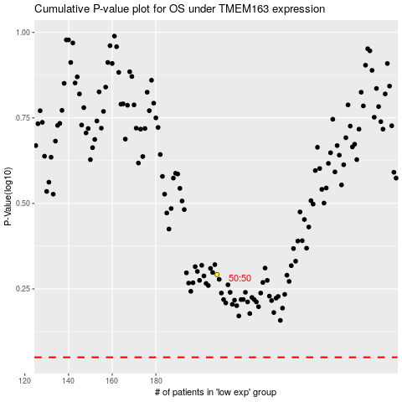

 |  |  |  |  |  | cases_OS | p_OS | rank | exp
 |  |  |  |  |  |  | cases_RFS | p_RFS | rank | exp

