TMEM164 _multivariate
Reported by Tex Li-Hsing Chi. tex@gate.sinica.edu.tw 2019-08-15

Table 2. The clinicopathological features of HNSCC cohort and TMEM164 expression. (Chi square test)
Cutoff at -0.227 (49.8%)
 |  | TMEM164 expression |  | TMEM164 expression |  | (Optimised)
 | Features | Low | (%) | High | (%) | Case no | P-value | Remark | Matthews
Gender | Female | 153 | 36.9 | 153 | 36.9 | 415 | 1 | 0 | 0
2 | Male | 54 | 13 | 55 | 13.3
Age at diagnosis | <=65y | 129 | 31.1 | 145 | 34.9 | 415 | 0.1372 | 0 | 0
4 | >65y | 78 | 18.8 | 63 | 15.2
Clinical T Status | T1+T2 | 62 | 14.9 | 87 | 21 | 415 | 0.0156 | 1 | 0
6 | T3+T4 | 145 | 34.9 | 121 | 29.2
Clinical N Status | N0 | 106 | 25.5 | 110 | 26.5 | 415 | 0.8075 | 0 | 0
8 | N1-3 | 101 | 24.3 | 98 | 23.6
Clinical M Status | M0 | 207 | 49.9 | 205 | 49.4 | 415 | 0.2482 | 0 | 0
10 | M1 | 0 | 0 | 3 | 0.7
Clinical Stage | Stage I+II | 45 | 10.8 | 57 | 13.7 | 415 | 0.2202 | 0 | 0
12 | Stage III+IV | 162 | 39 | 151 | 36.4
Surgical Margin status | Negative | 158 | 38.1 | 160 | 38.6 | 415 | 0.9081 | 0 | 0
14 | Positive | 49 | 11.8 | 48 | 11.6
Tobacco Exposure | Low | 78 | 18.8 | 83 | 20 | 415 | 0.6873 | 0 | 0
16 | High | 129 | 31.1 | 125 | 30.1

Table 3. Univariate/Multivariate Cox's proportional hazards regression analyses on OS time of TMEM164 gene expression in HNSCC

 |  | Univariate |  |  |  | Multivariate
 | Features | HR | CI95%(L) | CI95%(H) | P-value | HR | CI95%(L) | CI95%(H) | P-value
1 | Female | 1 |  |  |  | 1
Gender | Male | 1.157 | 0.843 | 1.587 | 0.367 | 1.234 | 0.882 | 1.726 | 0.22
11 | <=65y | 1 |  |  |  | 1
Age at diagnosis | >65y | 1.329 | 0.99 | 1.784 | 0.058 | 1.423 | 1.046 | 1.935 | 0.024
12 | T1+T2 | 1 |  |  |  | 1
Clinical T Status | T3+T4 | 1.409 | 1.028 | 1.931 | 0.033 | 2.429 | 1.276 | 4.625 | 0.007
13 | N0 | 1 |  |  |  | 1
Clinical N Status | N1-3 | 1.185 | 0.89 | 1.577 | 0.246 | 1.267 | 0.887 | 1.809 | 0.194
14 | M0 | 1 |  |  |  | 1
Clinical M Status | M1 | 4.097 | 1.009 | 16.644 | 0.049 | 8.836 | 1.924 | 40.585 | 0.005
15 | Stage I+II | 1 |  |  |  | 1
Clinical Stage | Stage III+IV | 1.245 | 0.882 | 1.759 | 0.213 | 0.463 | 0.215 | 1 | 0.05
16 | Negative | 1 |  |  |  | 1
Surgical Margin status | Positive | 1.591 | 1.155 | 2.191 | 0.004 | 1.713 | 1.238 | 2.371 | 0.001
17 | Low | 1 |  |  |  | 1
Tobacco Exposure | High | 1.364 | 1.008 | 1.844 | 0.044 | 1.47 | 1.067 | 2.024 | 0.018
18 | Low | 1 |  |  |  | 1
RNAseq(z-score) | High | 1.232 | 0.923 | 1.645 | 0.158 | 1.367 | 1.016 | 1.839 | 0.039

Table 4. Univariate/Multivariate Cox's proportional hazards regression analyses on RFS time of TMEM164 gene expression in HNSCC

 |  | Univariate |  |  |  | Multivariate
 | Features | HR | CI95%(L) | CI95%(H) | P-value | HR | CI95%(L) | CI95%(H) | P-value
1 | Female | 1 |  |  |  | 1
Gender | Male | 1.157 | 0.843 | 1.587 | 0.367 | 1.234 | 0.882 | 1.726 | 0.22
11 | <=65y | 1 |  |  |  | 1
Age at diagnosis | >65y | 1.329 | 0.99 | 1.784 | 0.058 | 1.423 | 1.046 | 1.935 | 0.024
12 | T1+T2 | 1 |  |  |  | 1
Clinical T Status | T3+T4 | 1.409 | 1.028 | 1.931 | 0.033 | 2.429 | 1.276 | 4.625 | 0.007
13 | N0 | 1 |  |  |  | 1
Clinical N Status | N1-3 | 1.185 | 0.89 | 1.577 | 0.246 | 1.267 | 0.887 | 1.809 | 0.194
14 | M0 | 1 |  |  |  | 1
Clinical M Status | M1 | 4.097 | 1.009 | 16.644 | 0.049 | 8.836 | 1.924 | 40.585 | 0.005
15 | Stage I+II | 1 |  |  |  | 1
Clinical Stage | Stage III+IV | 1.245 | 0.882 | 1.759 | 0.213 | 0.463 | 0.215 | 1 | 0.05
16 | Negative | 1 |  |  |  | 1
Surgical Margin status | Positive | 1.591 | 1.155 | 2.191 | 0.004 | 1.713 | 1.238 | 2.371 | 0.001
17 | Low | 1 |  |  |  | 1
Tobacco Exposure | High | 1.364 | 1.008 | 1.844 | 0.044 | 1.47 | 1.067 | 2.024 | 0.018
18 | Low | 1 |  |  |  | 1
RNAseq(z-score) | High | 1.232 | 0.923 | 1.645 | 0.158 | 1.367 | 1.016 | 1.839 | 0.039

Kaplan-Meier survival estimate: Cutoff at -0.227 (49.8%)



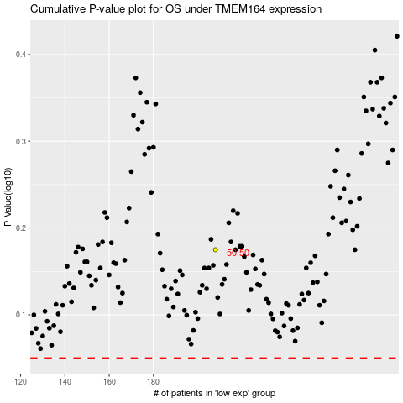

 |  |  |  |  |  | cases_OS | p_OS | rank | exp
 |  |  |  |  |  |  | cases_RFS | p_RFS | rank | exp

