TMEM17 _multivariate
Reported by Tex Li-Hsing Chi. tex@gate.sinica.edu.tw 2019-08-15

Table 2. The clinicopathological features of HNSCC cohort and TMEM17 expression. (Chi square test)
Cutoff at -0.178 (49.8%)
 |  | TMEM17 expression |  | TMEM17 expression |  | (Optimised)
 | Features | Low | (%) | High | (%) | Case no | P-value | Remark | Matthews
Gender | Female | 149 | 35.9 | 157 | 37.8 | 415 | 0.4848 | 0 | 0
2 | Male | 58 | 14 | 51 | 12.3
Age at diagnosis | <=65y | 129 | 31.1 | 145 | 34.9 | 415 | 0.1372 | 0 | 0
4 | >65y | 78 | 18.8 | 63 | 15.2
Clinical T Status | T1+T2 | 68 | 16.4 | 81 | 19.5 | 415 | 0.2336 | 0 | 0
6 | T3+T4 | 139 | 33.5 | 127 | 30.6
Clinical N Status | N0 | 107 | 25.8 | 109 | 26.3 | 415 | 0.9624 | 0 | 0
8 | N1-3 | 100 | 24.1 | 99 | 23.9
Clinical M Status | M0 | 207 | 49.9 | 205 | 49.4 | 415 | 0.2482 | 0 | 0
10 | M1 | 0 | 0 | 3 | 0.7
Clinical Stage | Stage I+II | 44 | 10.6 | 58 | 14 | 415 | 0.1459 | 0 | 0
12 | Stage III+IV | 163 | 39.3 | 150 | 36.1
Surgical Margin status | Negative | 163 | 39.3 | 155 | 37.3 | 415 | 0.3537 | 0 | 0
14 | Positive | 44 | 10.6 | 53 | 12.8
Tobacco Exposure | Low | 84 | 20.2 | 77 | 18.6 | 415 | 0.4816 | 0 | 0
16 | High | 123 | 29.6 | 131 | 31.6

Table 3. Univariate/Multivariate Cox's proportional hazards regression analyses on OS time of TMEM17 gene expression in HNSCC

 |  | Univariate |  |  |  | Multivariate
 | Features | HR | CI95%(L) | CI95%(H) | P-value | HR | CI95%(L) | CI95%(H) | P-value
1 | Female | 1 |  |  |  | 1
Gender | Male | 1.157 | 0.843 | 1.587 | 0.367 | 1.201 | 0.86 | 1.677 | 0.283
11 | <=65y | 1 |  |  |  | 1
Age at diagnosis | >65y | 1.329 | 0.99 | 1.784 | 0.058 | 1.388 | 1.021 | 1.888 | 0.036
12 | T1+T2 | 1 |  |  |  | 1
Clinical T Status | T3+T4 | 1.409 | 1.028 | 1.931 | 0.033 | 2.206 | 1.167 | 4.171 | 0.015
13 | N0 | 1 |  |  |  | 1
Clinical N Status | N1-3 | 1.185 | 0.89 | 1.577 | 0.246 | 1.245 | 0.872 | 1.778 | 0.227
14 | M0 | 1 |  |  |  | 1
Clinical M Status | M1 | 4.097 | 1.009 | 16.644 | 0.049 | 9.628 | 2.084 | 44.481 | 0.004
15 | Stage I+II | 1 |  |  |  | 1
Clinical Stage | Stage III+IV | 1.245 | 0.882 | 1.759 | 0.213 | 0.5 | 0.233 | 1.076 | 0.076
16 | Negative | 1 |  |  |  | 1
Surgical Margin status | Positive | 1.591 | 1.155 | 2.191 | 0.004 | 1.675 | 1.212 | 2.315 | 0.002
17 | Low | 1 |  |  |  | 1
Tobacco Exposure | High | 1.364 | 1.008 | 1.844 | 0.044 | 1.461 | 1.058 | 2.017 | 0.021
18 | Low | 1 |  |  |  | 1
RNAseq(z-score) | High | 0.999 | 0.75 | 1.331 | 0.997 | 0.957 | 0.714 | 1.282 | 0.767

Table 4. Univariate/Multivariate Cox's proportional hazards regression analyses on RFS time of TMEM17 gene expression in HNSCC

 |  | Univariate |  |  |  | Multivariate
 | Features | HR | CI95%(L) | CI95%(H) | P-value | HR | CI95%(L) | CI95%(H) | P-value
1 | Female | 1 |  |  |  | 1
Gender | Male | 1.157 | 0.843 | 1.587 | 0.367 | 1.201 | 0.86 | 1.677 | 0.283
11 | <=65y | 1 |  |  |  | 1
Age at diagnosis | >65y | 1.329 | 0.99 | 1.784 | 0.058 | 1.388 | 1.021 | 1.888 | 0.036
12 | T1+T2 | 1 |  |  |  | 1
Clinical T Status | T3+T4 | 1.409 | 1.028 | 1.931 | 0.033 | 2.206 | 1.167 | 4.171 | 0.015
13 | N0 | 1 |  |  |  | 1
Clinical N Status | N1-3 | 1.185 | 0.89 | 1.577 | 0.246 | 1.245 | 0.872 | 1.778 | 0.227
14 | M0 | 1 |  |  |  | 1
Clinical M Status | M1 | 4.097 | 1.009 | 16.644 | 0.049 | 9.628 | 2.084 | 44.481 | 0.004
15 | Stage I+II | 1 |  |  |  | 1
Clinical Stage | Stage III+IV | 1.245 | 0.882 | 1.759 | 0.213 | 0.5 | 0.233 | 1.076 | 0.076
16 | Negative | 1 |  |  |  | 1
Surgical Margin status | Positive | 1.591 | 1.155 | 2.191 | 0.004 | 1.675 | 1.212 | 2.315 | 0.002
17 | Low | 1 |  |  |  | 1
Tobacco Exposure | High | 1.364 | 1.008 | 1.844 | 0.044 | 1.461 | 1.058 | 2.017 | 0.021
18 | Low | 1 |  |  |  | 1
RNAseq(z-score) | High | 0.999 | 0.75 | 1.331 | 0.997 | 0.957 | 0.714 | 1.282 | 0.767

Kaplan-Meier survival estimate: Cutoff at -0.178 (49.8%)



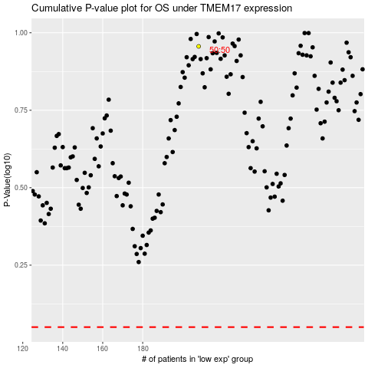

 |  |  |  |  |  | cases_OS | p_OS | rank | exp
 |  |  |  |  |  |  | cases_RFS | p_RFS | rank | exp

