TMEM170A _multivariate
Reported by Tex Li-Hsing Chi. tex@gate.sinica.edu.tw 2019-08-15

Table 2. The clinicopathological features of HNSCC cohort and TMEM170A expression. (Chi square test)
Cutoff at -0.089 (49.8%)
 |  | TMEM170A expression |  | TMEM170A expression |  | (Optimised)
 | Features | Low | (%) | High | (%) | Case no | P-value | Remark | Matthews
Gender | Female | 148 | 35.7 | 158 | 38.1 | 415 | 0.3567 | 0 | 0
2 | Male | 59 | 14.2 | 50 | 12
Age at diagnosis | <=65y | 130 | 31.3 | 144 | 34.7 | 415 | 0.2009 | 0 | 0
4 | >65y | 77 | 18.6 | 64 | 15.4
Clinical T Status | T1+T2 | 75 | 18.1 | 74 | 17.8 | 415 | 0.9707 | 0 | 0
6 | T3+T4 | 132 | 31.8 | 134 | 32.3
Clinical N Status | N0 | 115 | 27.7 | 101 | 24.3 | 415 | 0.184 | 1 | 0
8 | N1-3 | 92 | 22.2 | 107 | 25.8
Clinical M Status | M0 | 206 | 49.6 | 206 | 49.6 | 415 | 1 | 0 | 0
10 | M1 | 1 | 0.2 | 2 | 0.5
Clinical Stage | Stage I+II | 52 | 12.5 | 50 | 12 | 415 | 0.8871 | 0 | 0
12 | Stage III+IV | 155 | 37.3 | 158 | 38.1
Surgical Margin status | Negative | 160 | 38.6 | 158 | 38.1 | 415 | 0.8167 | 0 | 0
14 | Positive | 47 | 11.3 | 50 | 12
Tobacco Exposure | Low | 95 | 22.9 | 66 | 15.9 | 415 | 0.0035 | 1 | 0
16 | High | 112 | 27 | 142 | 34.2

Table 3. Univariate/Multivariate Cox's proportional hazards regression analyses on OS time of TMEM170A gene expression in HNSCC

 |  | Univariate |  |  |  | Multivariate
 | Features | HR | CI95%(L) | CI95%(H) | P-value | HR | CI95%(L) | CI95%(H) | P-value
1 | Female | 1 |  |  |  | 1
Gender | Male | 1.157 | 0.843 | 1.587 | 0.367 | 1.202 | 0.861 | 1.68 | 0.28
11 | <=65y | 1 |  |  |  | 1
Age at diagnosis | >65y | 1.329 | 0.99 | 1.784 | 0.058 | 1.394 | 1.026 | 1.895 | 0.034
12 | T1+T2 | 1 |  |  |  | 1
Clinical T Status | T3+T4 | 1.409 | 1.028 | 1.931 | 0.033 | 2.2 | 1.163 | 4.161 | 0.015
13 | N0 | 1 |  |  |  | 1
Clinical N Status | N1-3 | 1.185 | 0.89 | 1.577 | 0.246 | 1.232 | 0.862 | 1.76 | 0.252
14 | M0 | 1 |  |  |  | 1
Clinical M Status | M1 | 4.097 | 1.009 | 16.644 | 0.049 | 9.356 | 2.041 | 42.894 | 0.004
15 | Stage I+II | 1 |  |  |  | 1
Clinical Stage | Stage III+IV | 1.245 | 0.882 | 1.759 | 0.213 | 0.51 | 0.237 | 1.096 | 0.084
16 | Negative | 1 |  |  |  | 1
Surgical Margin status | Positive | 1.591 | 1.155 | 2.191 | 0.004 | 1.676 | 1.212 | 2.316 | 0.002
17 | Low | 1 |  |  |  | 1
Tobacco Exposure | High | 1.364 | 1.008 | 1.844 | 0.044 | 1.435 | 1.038 | 1.985 | 0.029
18 | Low | 1 |  |  |  | 1
RNAseq(z-score) | High | 1.114 | 0.836 | 1.483 | 0.461 | 1.075 | 0.802 | 1.441 | 0.628

Table 4. Univariate/Multivariate Cox's proportional hazards regression analyses on RFS time of TMEM170A gene expression in HNSCC

 |  | Univariate |  |  |  | Multivariate
 | Features | HR | CI95%(L) | CI95%(H) | P-value | HR | CI95%(L) | CI95%(H) | P-value
1 | Female | 1 |  |  |  | 1
Gender | Male | 1.157 | 0.843 | 1.587 | 0.367 | 1.202 | 0.861 | 1.68 | 0.28
11 | <=65y | 1 |  |  |  | 1
Age at diagnosis | >65y | 1.329 | 0.99 | 1.784 | 0.058 | 1.394 | 1.026 | 1.895 | 0.034
12 | T1+T2 | 1 |  |  |  | 1
Clinical T Status | T3+T4 | 1.409 | 1.028 | 1.931 | 0.033 | 2.2 | 1.163 | 4.161 | 0.015
13 | N0 | 1 |  |  |  | 1
Clinical N Status | N1-3 | 1.185 | 0.89 | 1.577 | 0.246 | 1.232 | 0.862 | 1.76 | 0.252
14 | M0 | 1 |  |  |  | 1
Clinical M Status | M1 | 4.097 | 1.009 | 16.644 | 0.049 | 9.356 | 2.041 | 42.894 | 0.004
15 | Stage I+II | 1 |  |  |  | 1
Clinical Stage | Stage III+IV | 1.245 | 0.882 | 1.759 | 0.213 | 0.51 | 0.237 | 1.096 | 0.084
16 | Negative | 1 |  |  |  | 1
Surgical Margin status | Positive | 1.591 | 1.155 | 2.191 | 0.004 | 1.676 | 1.212 | 2.316 | 0.002
17 | Low | 1 |  |  |  | 1
Tobacco Exposure | High | 1.364 | 1.008 | 1.844 | 0.044 | 1.435 | 1.038 | 1.985 | 0.029
18 | Low | 1 |  |  |  | 1
RNAseq(z-score) | High | 1.114 | 0.836 | 1.483 | 0.461 | 1.075 | 0.802 | 1.441 | 0.628

Kaplan-Meier survival estimate: Cutoff at -0.089 (49.8%)



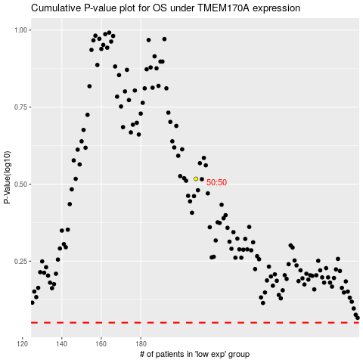

 |  |  |  |  |  | cases_OS | p_OS | rank | exp
 |  |  |  |  |  |  | cases_RFS | p_RFS | rank | exp

