TMEM171 _multivariate
Reported by Tex Li-Hsing Chi. tex@gate.sinica.edu.tw 2019-08-15

Table 2. The clinicopathological features of HNSCC cohort and TMEM171 expression. (Chi square test)
Cutoff at 0.074 (65.0%)
 |  | TMEM171 expression |  | TMEM171 expression |  | (Optimised)
 | Features | Low | (%) | High | (%) | Case no | P-value | Remark | Matthews
Gender | Female | 198 | 47.7 | 108 | 26 | 415 | 1 | 0 | 0
2 | Male | 71 | 17.1 | 38 | 9.2
Age at diagnosis | <=65y | 173 | 41.7 | 101 | 24.3 | 415 | 0.373 | 0 | 0
4 | >65y | 96 | 23.1 | 45 | 10.8
Clinical T Status | T1+T2 | 96 | 23.1 | 53 | 12.8 | 415 | 0.9862 | 0 | 0
6 | T3+T4 | 173 | 41.7 | 93 | 22.4
Clinical N Status | N0 | 146 | 35.2 | 70 | 16.9 | 415 | 0.2586 | 0 | 0
8 | N1-3 | 123 | 29.6 | 76 | 18.3
Clinical M Status | M0 | 269 | 64.8 | 143 | 34.5 | 415 | 0.043 | 1 | 0
10 | M1 | 0 | 0 | 3 | 0.7
Clinical Stage | Stage I+II | 68 | 16.4 | 34 | 8.2 | 415 | 0.741 | 0 | 0
12 | Stage III+IV | 201 | 48.4 | 112 | 27
Surgical Margin status | Negative | 214 | 51.6 | 104 | 25.1 | 415 | 0.0682 | 0 | 0
14 | Positive | 55 | 13.3 | 42 | 10.1
Tobacco Exposure | Low | 105 | 25.3 | 56 | 13.5 | 415 | 0.9163 | 0 | 0
16 | High | 164 | 39.5 | 90 | 21.7

Table 3. Univariate/Multivariate Cox's proportional hazards regression analyses on OS time of TMEM171 gene expression in HNSCC

 |  | Univariate |  |  |  | Multivariate
 | Features | HR | CI95%(L) | CI95%(H) | P-value | HR | CI95%(L) | CI95%(H) | P-value
1 | Female | 1 |  |  |  | 1
Gender | Male | 1.157 | 0.843 | 1.587 | 0.367 | 1.204 | 0.86 | 1.683 | 0.279
11 | <=65y | 1 |  |  |  | 1
Age at diagnosis | >65y | 1.329 | 0.99 | 1.784 | 0.058 | 1.394 | 1.025 | 1.896 | 0.034
12 | T1+T2 | 1 |  |  |  | 1
Clinical T Status | T3+T4 | 1.409 | 1.028 | 1.931 | 0.033 | 2.22 | 1.174 | 4.198 | 0.014
13 | N0 | 1 |  |  |  | 1
Clinical N Status | N1-3 | 1.185 | 0.89 | 1.577 | 0.246 | 1.22 | 0.854 | 1.741 | 0.275
14 | M0 | 1 |  |  |  | 1
Clinical M Status | M1 | 4.097 | 1.009 | 16.644 | 0.049 | 8.126 | 1.758 | 37.568 | 0.007
15 | Stage I+II | 1 |  |  |  | 1
Clinical Stage | Stage III+IV | 1.245 | 0.882 | 1.759 | 0.213 | 0.507 | 0.236 | 1.089 | 0.082
16 | Negative | 1 |  |  |  | 1
Surgical Margin status | Positive | 1.591 | 1.155 | 2.191 | 0.004 | 1.635 | 1.182 | 2.262 | 0.003
17 | Low | 1 |  |  |  | 1
Tobacco Exposure | High | 1.364 | 1.008 | 1.844 | 0.044 | 1.472 | 1.067 | 2.032 | 0.019
18 | Low | 1 |  |  |  | 1
RNAseq(z-score) | High | 1.346 | 1.006 | 1.801 | 0.045 | 1.297 | 0.965 | 1.744 | 0.085

Table 4. Univariate/Multivariate Cox's proportional hazards regression analyses on RFS time of TMEM171 gene expression in HNSCC

 |  | Univariate |  |  |  | Multivariate
 | Features | HR | CI95%(L) | CI95%(H) | P-value | HR | CI95%(L) | CI95%(H) | P-value
1 | Female | 1 |  |  |  | 1
Gender | Male | 1.157 | 0.843 | 1.587 | 0.367 | 1.204 | 0.86 | 1.683 | 0.279
11 | <=65y | 1 |  |  |  | 1
Age at diagnosis | >65y | 1.329 | 0.99 | 1.784 | 0.058 | 1.394 | 1.025 | 1.896 | 0.034
12 | T1+T2 | 1 |  |  |  | 1
Clinical T Status | T3+T4 | 1.409 | 1.028 | 1.931 | 0.033 | 2.22 | 1.174 | 4.198 | 0.014
13 | N0 | 1 |  |  |  | 1
Clinical N Status | N1-3 | 1.185 | 0.89 | 1.577 | 0.246 | 1.22 | 0.854 | 1.741 | 0.275
14 | M0 | 1 |  |  |  | 1
Clinical M Status | M1 | 4.097 | 1.009 | 16.644 | 0.049 | 8.126 | 1.758 | 37.568 | 0.007
15 | Stage I+II | 1 |  |  |  | 1
Clinical Stage | Stage III+IV | 1.245 | 0.882 | 1.759 | 0.213 | 0.507 | 0.236 | 1.089 | 0.082
16 | Negative | 1 |  |  |  | 1
Surgical Margin status | Positive | 1.591 | 1.155 | 2.191 | 0.004 | 1.635 | 1.182 | 2.262 | 0.003
17 | Low | 1 |  |  |  | 1
Tobacco Exposure | High | 1.364 | 1.008 | 1.844 | 0.044 | 1.472 | 1.067 | 2.032 | 0.019
18 | Low | 1 |  |  |  | 1
RNAseq(z-score) | High | 1.346 | 1.006 | 1.801 | 0.045 | 1.297 | 0.965 | 1.744 | 0.085

Kaplan-Meier survival estimate: Cutoff at 0.074 (65.0%)



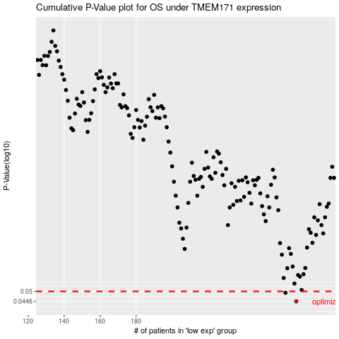

 |  |  |  |  |  | cases_OS | p_OS | rank | exp
 |  |  |  |  |  | 269 | 0.0446 | 38 | 0.074296223771
 |  |  |  |  |  | 263 | 0.0492 | 67 | 0.036313480177
 |  |  |  |  |  |  | cases_RFS | p_RFS | rank | exp
 |  |  |  |  |  |  | 268 | 0.0446 | 300 | 0.06954131952
 |  |  |  |  |  |  | 262 | 0.0492 | 290 | 0.0362181526

