TMEM176A _multivariate
Reported by Tex Li-Hsing Chi. tex@gate.sinica.edu.tw 2019-08-15

Table 2. The clinicopathological features of HNSCC cohort and TMEM176A expression. (Chi square test)
Cutoff at -0.309 (49.8%)
 |  | TMEM176A expression |  | TMEM176A expression |  | (Optimised)
 | Features | Low | (%) | High | (%) | Case no | P-value | Remark | Matthews
Gender | Female | 159 | 38.3 | 147 | 35.4 | 415 | 0.1905 | 0 | 0
2 | Male | 48 | 11.6 | 61 | 14.7
Age at diagnosis | <=65y | 143 | 34.5 | 131 | 31.6 | 415 | 0.2269 | 0 | 0
4 | >65y | 64 | 15.4 | 77 | 18.6
Clinical T Status | T1+T2 | 75 | 18.1 | 74 | 17.8 | 415 | 0.9707 | 0 | 0
6 | T3+T4 | 132 | 31.8 | 134 | 32.3
Clinical N Status | N0 | 119 | 28.7 | 97 | 23.4 | 415 | 0.0345 | 1 | 0
8 | N1-3 | 88 | 21.2 | 111 | 26.7
Clinical M Status | M0 | 205 | 49.4 | 207 | 49.9 | 415 | 0.6232 | 0 | 0
10 | M1 | 2 | 0.5 | 1 | 0.2
Clinical Stage | Stage I+II | 55 | 13.3 | 47 | 11.3 | 415 | 0.4087 | 0 | 0
12 | Stage III+IV | 152 | 36.6 | 161 | 38.8
Surgical Margin status | Negative | 154 | 37.1 | 164 | 39.5 | 415 | 0.2984 | 0 | 0
14 | Positive | 53 | 12.8 | 44 | 10.6
Tobacco Exposure | Low | 77 | 18.6 | 84 | 20.2 | 415 | 0.5459 | 0 | 0
16 | High | 130 | 31.3 | 124 | 29.9

Table 3. Univariate/Multivariate Cox's proportional hazards regression analyses on OS time of TMEM176A gene expression in HNSCC

 |  | Univariate |  |  |  | Multivariate
 | Features | HR | CI95%(L) | CI95%(H) | P-value | HR | CI95%(L) | CI95%(H) | P-value
1 | Female | 1 |  |  |  | 1
Gender | Male | 1.157 | 0.843 | 1.587 | 0.367 | 1.204 | 0.861 | 1.682 | 0.277
11 | <=65y | 1 |  |  |  | 1
Age at diagnosis | >65y | 1.329 | 0.99 | 1.784 | 0.058 | 1.396 | 1.027 | 1.897 | 0.033
12 | T1+T2 | 1 |  |  |  | 1
Clinical T Status | T3+T4 | 1.409 | 1.028 | 1.931 | 0.033 | 2.194 | 1.16 | 4.149 | 0.016
13 | N0 | 1 |  |  |  | 1
Clinical N Status | N1-3 | 1.185 | 0.89 | 1.577 | 0.246 | 1.263 | 0.882 | 1.807 | 0.203
14 | M0 | 1 |  |  |  | 1
Clinical M Status | M1 | 4.097 | 1.009 | 16.644 | 0.049 | 9.19 | 2.002 | 42.178 | 0.004
15 | Stage I+II | 1 |  |  |  | 1
Clinical Stage | Stage III+IV | 1.245 | 0.882 | 1.759 | 0.213 | 0.503 | 0.235 | 1.08 | 0.078
16 | Negative | 1 |  |  |  | 1
Surgical Margin status | Positive | 1.591 | 1.155 | 2.191 | 0.004 | 1.667 | 1.206 | 2.303 | 0.002
17 | Low | 1 |  |  |  | 1
Tobacco Exposure | High | 1.364 | 1.008 | 1.844 | 0.044 | 1.445 | 1.048 | 1.993 | 0.025
18 | Low | 1 |  |  |  | 1
RNAseq(z-score) | High | 0.909 | 0.682 | 1.211 | 0.515 | 0.9 | 0.673 | 1.204 | 0.478

Table 4. Univariate/Multivariate Cox's proportional hazards regression analyses on RFS time of TMEM176A gene expression in HNSCC

 |  | Univariate |  |  |  | Multivariate
 | Features | HR | CI95%(L) | CI95%(H) | P-value | HR | CI95%(L) | CI95%(H) | P-value
1 | Female | 1 |  |  |  | 1
Gender | Male | 1.157 | 0.843 | 1.587 | 0.367 | 1.204 | 0.861 | 1.682 | 0.277
11 | <=65y | 1 |  |  |  | 1
Age at diagnosis | >65y | 1.329 | 0.99 | 1.784 | 0.058 | 1.396 | 1.027 | 1.897 | 0.033
12 | T1+T2 | 1 |  |  |  | 1
Clinical T Status | T3+T4 | 1.409 | 1.028 | 1.931 | 0.033 | 2.194 | 1.16 | 4.149 | 0.016
13 | N0 | 1 |  |  |  | 1
Clinical N Status | N1-3 | 1.185 | 0.89 | 1.577 | 0.246 | 1.263 | 0.882 | 1.807 | 0.203
14 | M0 | 1 |  |  |  | 1
Clinical M Status | M1 | 4.097 | 1.009 | 16.644 | 0.049 | 9.19 | 2.002 | 42.178 | 0.004
15 | Stage I+II | 1 |  |  |  | 1
Clinical Stage | Stage III+IV | 1.245 | 0.882 | 1.759 | 0.213 | 0.503 | 0.235 | 1.08 | 0.078
16 | Negative | 1 |  |  |  | 1
Surgical Margin status | Positive | 1.591 | 1.155 | 2.191 | 0.004 | 1.667 | 1.206 | 2.303 | 0.002
17 | Low | 1 |  |  |  | 1
Tobacco Exposure | High | 1.364 | 1.008 | 1.844 | 0.044 | 1.445 | 1.048 | 1.993 | 0.025
18 | Low | 1 |  |  |  | 1
RNAseq(z-score) | High | 0.909 | 0.682 | 1.211 | 0.515 | 0.9 | 0.673 | 1.204 | 0.478

Kaplan-Meier survival estimate: Cutoff at -0.309 (49.8%)



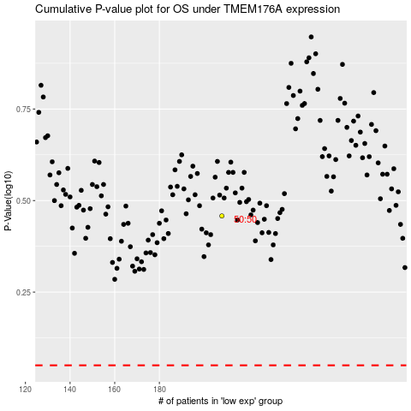

 |  |  |  |  |  | cases_OS | p_OS | rank | exp
 |  |  |  |  |  |  | cases_RFS | p_RFS | rank | exp

