TMEM179B _multivariate
Reported by Tex Li-Hsing Chi. tex@gate.sinica.edu.tw 2019-08-15

Table 2. The clinicopathological features of HNSCC cohort and TMEM179B expression. (Chi square test)
Cutoff at -0.237 (47.8%)
 |  | TMEM179B expression |  | TMEM179B expression |  | (Optimised)
 | Features | Low | (%) | High | (%) | Case no | P-value | Remark | Matthews
Gender | Female | 158 | 38.1 | 148 | 35.7 | 415 | 0.0162 | 1 | 0
2 | Male | 41 | 9.9 | 68 | 16.4
Age at diagnosis | <=65y | 134 | 32.3 | 140 | 33.7 | 415 | 0.6613 | 0 | 0
4 | >65y | 65 | 15.7 | 76 | 18.3
Clinical T Status | T1+T2 | 81 | 19.5 | 68 | 16.4 | 415 | 0.0637 | 0 | 0
6 | T3+T4 | 118 | 28.4 | 148 | 35.7
Clinical N Status | N0 | 103 | 24.8 | 113 | 27.2 | 415 | 0.9881 | 0 | 0
8 | N1-3 | 96 | 23.1 | 103 | 24.8
Clinical M Status | M0 | 198 | 47.7 | 214 | 51.6 | 415 | 1 | 0 | 0
10 | M1 | 1 | 0.2 | 2 | 0.5
Clinical Stage | Stage I+II | 52 | 12.5 | 50 | 12 | 415 | 0.5546 | 0 | 0
12 | Stage III+IV | 147 | 35.4 | 166 | 40
Surgical Margin status | Negative | 152 | 36.6 | 166 | 40 | 415 | 1 | 0 | 0
14 | Positive | 47 | 11.3 | 50 | 12
Tobacco Exposure | Low | 82 | 19.8 | 79 | 19 | 415 | 0.3646 | 0 | 0
16 | High | 117 | 28.2 | 137 | 33

Table 3. Univariate/Multivariate Cox's proportional hazards regression analyses on OS time of TMEM179B gene expression in HNSCC

 |  | Univariate |  |  |  | Multivariate
 | Features | HR | CI95%(L) | CI95%(H) | P-value | HR | CI95%(L) | CI95%(H) | P-value
1 | Female | 1 |  |  |  | 1
Gender | Male | 1.157 | 0.843 | 1.587 | 0.367 | 1.149 | 0.819 | 1.61 | 0.421
11 | <=65y | 1 |  |  |  | 1
Age at diagnosis | >65y | 1.329 | 0.99 | 1.784 | 0.058 | 1.423 | 1.046 | 1.937 | 0.025
12 | T1+T2 | 1 |  |  |  | 1
Clinical T Status | T3+T4 | 1.409 | 1.028 | 1.931 | 0.033 | 2.071 | 1.091 | 3.93 | 0.026
13 | N0 | 1 |  |  |  | 1
Clinical N Status | N1-3 | 1.185 | 0.89 | 1.577 | 0.246 | 1.236 | 0.866 | 1.764 | 0.242
14 | M0 | 1 |  |  |  | 1
Clinical M Status | M1 | 4.097 | 1.009 | 16.644 | 0.049 | 8.254 | 1.788 | 38.104 | 0.007
15 | Stage I+II | 1 |  |  |  | 1
Clinical Stage | Stage III+IV | 1.245 | 0.882 | 1.759 | 0.213 | 0.523 | 0.244 | 1.125 | 0.097
16 | Negative | 1 |  |  |  | 1
Surgical Margin status | Positive | 1.591 | 1.155 | 2.191 | 0.004 | 1.638 | 1.185 | 2.264 | 0.003
17 | Low | 1 |  |  |  | 1
Tobacco Exposure | High | 1.364 | 1.008 | 1.844 | 0.044 | 1.424 | 1.033 | 1.962 | 0.031
18 | Low | 1 |  |  |  | 1
RNAseq(z-score) | High | 1.449 | 1.083 | 1.939 | 0.012 | 1.304 | 0.967 | 1.758 | 0.082

Table 4. Univariate/Multivariate Cox's proportional hazards regression analyses on RFS time of TMEM179B gene expression in HNSCC

 |  | Univariate |  |  |  | Multivariate
 | Features | HR | CI95%(L) | CI95%(H) | P-value | HR | CI95%(L) | CI95%(H) | P-value
1 | Female | 1 |  |  |  | 1
Gender | Male | 1.157 | 0.843 | 1.587 | 0.367 | 1.149 | 0.819 | 1.61 | 0.421
11 | <=65y | 1 |  |  |  | 1
Age at diagnosis | >65y | 1.329 | 0.99 | 1.784 | 0.058 | 1.423 | 1.046 | 1.937 | 0.025
12 | T1+T2 | 1 |  |  |  | 1
Clinical T Status | T3+T4 | 1.409 | 1.028 | 1.931 | 0.033 | 2.071 | 1.091 | 3.93 | 0.026
13 | N0 | 1 |  |  |  | 1
Clinical N Status | N1-3 | 1.185 | 0.89 | 1.577 | 0.246 | 1.236 | 0.866 | 1.764 | 0.242
14 | M0 | 1 |  |  |  | 1
Clinical M Status | M1 | 4.097 | 1.009 | 16.644 | 0.049 | 8.254 | 1.788 | 38.104 | 0.007
15 | Stage I+II | 1 |  |  |  | 1
Clinical Stage | Stage III+IV | 1.245 | 0.882 | 1.759 | 0.213 | 0.523 | 0.244 | 1.125 | 0.097
16 | Negative | 1 |  |  |  | 1
Surgical Margin status | Positive | 1.591 | 1.155 | 2.191 | 0.004 | 1.638 | 1.185 | 2.264 | 0.003
17 | Low | 1 |  |  |  | 1
Tobacco Exposure | High | 1.364 | 1.008 | 1.844 | 0.044 | 1.424 | 1.033 | 1.962 | 0.031
18 | Low | 1 |  |  |  | 1
RNAseq(z-score) | High | 1.449 | 1.083 | 1.939 | 0.012 | 1.304 | 0.967 | 1.758 | 0.082

Kaplan-Meier survival estimate: Cutoff at -0.237 (47.8%)

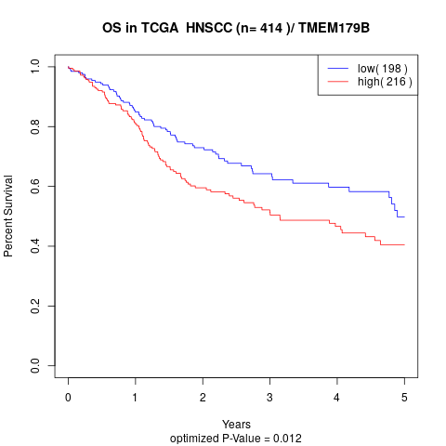

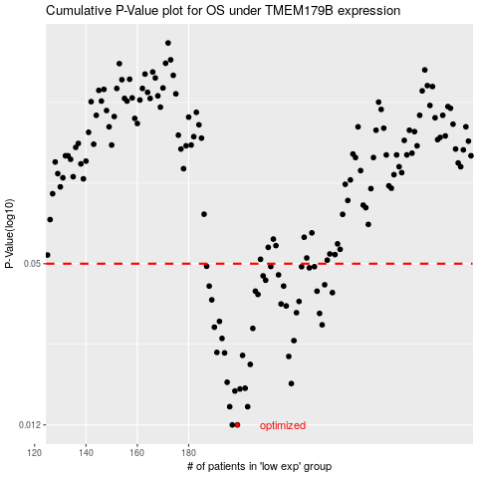

 |  |  |  |  |  | cases_OS | p_OS | rank | exp
 |  |  |  |  |  | 199 | 0.012 | 69 | -0.23651001795
 |  |  |  |  |  | 197 | 0.012 | 253 | -0.24342282643
 |  |  |  |  |  | 196 | 0.0141 | 11 | -0.25547934328
 |  |  |  |  |  | 203 | 0.0141 | 344 | -0.22423564066
 |  |  |  |  |  | 198 | 0.0162 | 45 | -0.24278812113
 |  |  |  |  |  | 200 | 0.0165 | 326 | -0.2359180458
 |  |  |  |  |  | 202 | 0.0166 | 96 | -0.22972068992
 |  |  |  |  |  | 220 | 0.0173 | 398 | -0.14483613125
 |  |  |  |  |  | 195 | 0.0175 | 174 | -0.25843605802
 |  |  |  |  |  | 204 | 0.0205 | 80 | -0.20607562356
 |  |  |  |  |  | 219 | 0.022 | 126 | -0.14859271623
 |  |  |  |  |  | 201 | 0.0222 | 282 | -0.23542228879
 |  |  |  |  |  | 194 | 0.0227 | 73 | -0.25981688941
 |  |  |  |  |  | 191 | 0.0228 | 208 | -0.26286877062
 |  |  |  |  |  | 221 | 0.0253 | 185 | -0.14319103593
 |  |  |  |  |  | 193 | 0.0258 | 353 | -0.260080629
 |  |  |  |  |  | 205 | 0.0282 | 191 | -0.20598203009
 |  |  |  |  |  | 190 | 0.0285 | 84 | -0.26752563564
 |  |  |  |  |  | 232 | 0.0291 | 198 | -0.085819287229
 |  |  |  |  |  | 192 | 0.03 | 330 | -0.26120427497
 |  |  |  |  |  | 231 | 0.0322 | 331 | -0.087249143777
 |  |  |  |  |  | 222 | 0.0324 | 256 | -0.13671604565
 |  |  |  |  |  | 218 | 0.0344 | 184 | -0.15022863571
 |  |  |  |  |  | 216 | 0.035 | 273 | -0.1594464128
 |  |  |  |  |  | 223 | 0.0358 | 79 | -0.13184263102
 |  |  |  |  |  | 189 | 0.0363 | 71 | -0.26796502684
 |  |  |  |  |  | 207 | 0.0381 | 64 | -0.20465520501
 |  |  |  |  |  | 236 | 0.0387 | 155 | -0.070373480777
 |  |  |  |  |  | 206 | 0.0392 | 25 | -0.20499392424
 |  |  |  |  |  | 230 | 0.0392 | 164 | -0.087469888041
 |  |  |  |  |  | 188 | 0.041 | 29 | -0.27685955253
 |  |  |  |  |  | 217 | 0.041 | 288 | -0.15448595886
 |  |  |  |  |  | 233 | 0.0415 | 206 | -0.08430973204
 |  |  |  |  |  | 210 | 0.0432 | 38 | -0.19601393224
 |  |  |  |  |  | 209 | 0.0449 | 94 | -0.20108895297
 |  |  |  |  |  | 215 | 0.0453 | 50 | -0.16255177598
 |  |  |  |  |  | 227 | 0.0482 | 264 | -0.11876681048
 |  |  |  |  |  | 224 | 0.0487 | 52 | -0.13012124523
 |  |  |  |  |  | 229 | 0.0487 | 129 | -0.091816872167
 |  |  |  |  |  | 212 | 0.0488 | 284 | -0.17994731532
 |  |  |  |  |  | 187 | 0.0489 | 392 | -0.27724782124
 |  |  |  |  |  |  | cases_RFS | p_RFS | rank | exp
 |  |  |  |  |  |  | 196 | 0.012 | 11 | -0.25547934328
 |  |  |  |  |  |  | 198 | 0.012 | 45 | -0.24278812113
 |  |  |  |  |  |  | 202 | 0.0141 | 96 | -0.22972068992
 |  |  |  |  |  |  | 195 | 0.0141 | 174 | -0.25843605802
 |  |  |  |  |  |  | 197 | 0.0162 | 253 | -0.24342282643
 |  |  |  |  |  |  | 199 | 0.0165 | 69 | -0.23651001795
 |  |  |  |  |  |  | 201 | 0.0166 | 282 | -0.23542228879
 |  |  |  |  |  |  | 219 | 0.0173 | 126 | -0.14859271623
 |  |  |  |  |  |  | 194 | 0.0175 | 73 | -0.25981688941
 |  |  |  |  |  |  | 203 | 0.0205 | 344 | -0.22423564066
 |  |  |  |  |  |  | 218 | 0.022 | 184 | -0.15022863571
 |  |  |  |  |  |  | 200 | 0.0222 | 326 | -0.2359180458
 |  |  |  |  |  |  | 193 | 0.0227 | 353 | -0.260080629
 |  |  |  |  |  |  | 190 | 0.0228 | 84 | -0.26752563564
 |  |  |  |  |  |  | 220 | 0.0253 | 398 | -0.14483613125
 |  |  |  |  |  |  | 192 | 0.0258 | 330 | -0.26120427497
 |  |  |  |  |  |  | 204 | 0.0282 | 80 | -0.20607562356
 |  |  |  |  |  |  | 189 | 0.0285 | 71 | -0.26796502684
 |  |  |  |  |  |  | 231 | 0.0291 | 331 | -0.087249143777
 |  |  |  |  |  |  | 191 | 0.03 | 208 | -0.26286877062
 |  |  |  |  |  |  | 230 | 0.0322 | 164 | -0.087469888041
 |  |  |  |  |  |  | 221 | 0.0324 | 185 | -0.14319103593
 |  |  |  |  |  |  | 217 | 0.0344 | 288 | -0.15448595886
 |  |  |  |  |  |  | 215 | 0.035 | 50 | -0.16255177598
 |  |  |  |  |  |  | 222 | 0.0358 | 256 | -0.13671604565
 |  |  |  |  |  |  | 188 | 0.0363 | 29 | -0.27685955253
 |  |  |  |  |  |  | 206 | 0.0381 | 25 | -0.20499392424
 |  |  |  |  |  |  | 235 | 0.0387 | 403 | -0.07338918299
 |  |  |  |  |  |  | 229 | 0.0392 | 129 | -0.091816872167
 |  |  |  |  |  |  | 205 | 0.0392 | 191 | -0.20598203009
 |  |  |  |  |  |  | 216 | 0.041 | 273 | -0.1594464128
 |  |  |  |  |  |  | 187 | 0.041 | 392 | -0.27724782124
 |  |  |  |  |  |  | 232 | 0.0415 | 198 | -0.085819287229
 |  |  |  |  |  |  | 209 | 0.0432 | 94 | -0.20108895297
 |  |  |  |  |  |  | 208 | 0.0449 | 156 | -0.20441139009
 |  |  |  |  |  |  | 214 | 0.0453 | 51 | -0.1715598198
 |  |  |  |  |  |  | 226 | 0.0482 | 415 | -0.12323439124
 |  |  |  |  |  |  | 223 | 0.0487 | 79 | -0.13184263102
 |  |  |  |  |  |  | 228 | 0.0487 | 120 | -0.11376572073
 |  |  |  |  |  |  | 211 | 0.0488 | 170 | -0.18038827951
 |  |  |  |  |  |  | 186 | 0.0489 | 177 | -0.30772311361

