TMEM180 _multivariate
Reported by Tex Li-Hsing Chi. tex@gate.sinica.edu.tw 2019-08-15

Table 2. The clinicopathological features of HNSCC cohort and TMEM180 expression. (Chi square test)
Cutoff at -0.201 (50.0%)
 |  | TMEM180 expression |  | TMEM180 expression |  | (Optimised)
 | Features | Low | (%) | High | (%) | Case no | P-value | Remark | Matthews
Gender | Female | 141 | 34 | 165 | 39.8 | 415 | 0.013 | 1 | 0
2 | Male | 66 | 15.9 | 43 | 10.4
Age at diagnosis | <=65y | 138 | 33.3 | 136 | 32.8 | 415 | 0.8634 | 0 | 0
4 | >65y | 69 | 16.6 | 72 | 17.3
Clinical T Status | T1+T2 | 75 | 18.1 | 74 | 17.8 | 415 | 0.9707 | 0 | 0
6 | T3+T4 | 132 | 31.8 | 134 | 32.3
Clinical N Status | N0 | 110 | 26.5 | 106 | 25.5 | 415 | 0.7294 | 0 | 0
8 | N1-3 | 97 | 23.4 | 102 | 24.6
Clinical M Status | M0 | 204 | 49.2 | 208 | 50.1 | 415 | 0.1232 | 0 | 0
10 | M1 | 3 | 0.7 | 0 | 0
Clinical Stage | Stage I+II | 55 | 13.3 | 47 | 11.3 | 415 | 0.4087 | 0 | 0
12 | Stage III+IV | 152 | 36.6 | 161 | 38.8
Surgical Margin status | Negative | 161 | 38.8 | 157 | 37.8 | 415 | 0.6429 | 0 | 0
14 | Positive | 46 | 11.1 | 51 | 12.3
Tobacco Exposure | Low | 82 | 19.8 | 79 | 19 | 415 | 0.763 | 0 | 0
16 | High | 125 | 30.1 | 129 | 31.1

Table 3. Univariate/Multivariate Cox's proportional hazards regression analyses on OS time of TMEM180 gene expression in HNSCC

 |  | Univariate |  |  |  | Multivariate
 | Features | HR | CI95%(L) | CI95%(H) | P-value | HR | CI95%(L) | CI95%(H) | P-value
1 | Female | 1 |  |  |  | 1
Gender | Male | 1.157 | 0.843 | 1.587 | 0.367 | 1.179 | 0.842 | 1.649 | 0.337
11 | <=65y | 1 |  |  |  | 1
Age at diagnosis | >65y | 1.329 | 0.99 | 1.784 | 0.058 | 1.41 | 1.037 | 1.917 | 0.029
12 | T1+T2 | 1 |  |  |  | 1
Clinical T Status | T3+T4 | 1.409 | 1.028 | 1.931 | 0.033 | 2.141 | 1.131 | 4.053 | 0.019
13 | N0 | 1 |  |  |  | 1
Clinical N Status | N1-3 | 1.185 | 0.89 | 1.577 | 0.246 | 1.245 | 0.873 | 1.774 | 0.226
14 | M0 | 1 |  |  |  | 1
Clinical M Status | M1 | 4.097 | 1.009 | 16.644 | 0.049 | 8.238 | 1.777 | 38.19 | 0.007
15 | Stage I+II | 1 |  |  |  | 1
Clinical Stage | Stage III+IV | 1.245 | 0.882 | 1.759 | 0.213 | 0.531 | 0.247 | 1.145 | 0.107
16 | Negative | 1 |  |  |  | 1
Surgical Margin status | Positive | 1.591 | 1.155 | 2.191 | 0.004 | 1.671 | 1.21 | 2.308 | 0.002
17 | Low | 1 |  |  |  | 1
Tobacco Exposure | High | 1.364 | 1.008 | 1.844 | 0.044 | 1.45 | 1.052 | 1.999 | 0.023
18 | Low | 1 |  |  |  | 1
RNAseq(z-score) | High | 0.82 | 0.615 | 1.093 | 0.176 | 0.819 | 0.611 | 1.099 | 0.184

Table 4. Univariate/Multivariate Cox's proportional hazards regression analyses on RFS time of TMEM180 gene expression in HNSCC

 |  | Univariate |  |  |  | Multivariate
 | Features | HR | CI95%(L) | CI95%(H) | P-value | HR | CI95%(L) | CI95%(H) | P-value
1 | Female | 1 |  |  |  | 1
Gender | Male | 1.157 | 0.843 | 1.587 | 0.367 | 1.179 | 0.842 | 1.649 | 0.337
11 | <=65y | 1 |  |  |  | 1
Age at diagnosis | >65y | 1.329 | 0.99 | 1.784 | 0.058 | 1.41 | 1.037 | 1.917 | 0.029
12 | T1+T2 | 1 |  |  |  | 1
Clinical T Status | T3+T4 | 1.409 | 1.028 | 1.931 | 0.033 | 2.141 | 1.131 | 4.053 | 0.019
13 | N0 | 1 |  |  |  | 1
Clinical N Status | N1-3 | 1.185 | 0.89 | 1.577 | 0.246 | 1.245 | 0.873 | 1.774 | 0.226
14 | M0 | 1 |  |  |  | 1
Clinical M Status | M1 | 4.097 | 1.009 | 16.644 | 0.049 | 8.238 | 1.777 | 38.19 | 0.007
15 | Stage I+II | 1 |  |  |  | 1
Clinical Stage | Stage III+IV | 1.245 | 0.882 | 1.759 | 0.213 | 0.531 | 0.247 | 1.145 | 0.107
16 | Negative | 1 |  |  |  | 1
Surgical Margin status | Positive | 1.591 | 1.155 | 2.191 | 0.004 | 1.671 | 1.21 | 2.308 | 0.002
17 | Low | 1 |  |  |  | 1
Tobacco Exposure | High | 1.364 | 1.008 | 1.844 | 0.044 | 1.45 | 1.052 | 1.999 | 0.023
18 | Low | 1 |  |  |  | 1
RNAseq(z-score) | High | 0.82 | 0.615 | 1.093 | 0.176 | 0.819 | 0.611 | 1.099 | 0.184

Kaplan-Meier survival estimate: Cutoff at -0.201 (50.0%)



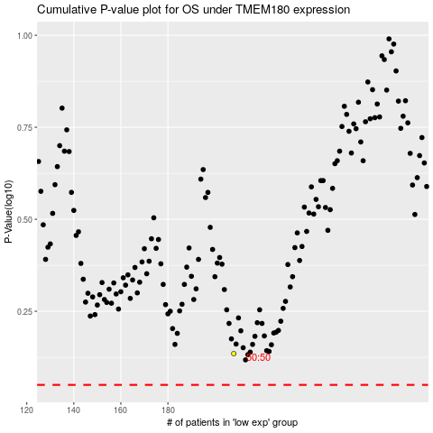

 |  |  |  |  |  | cases_OS | p_OS | rank | exp
 |  |  |  |  |  |  | cases_RFS | p_RFS | rank | exp

