TMEM181 _multivariate
Reported by Tex Li-Hsing Chi. tex@gate.sinica.edu.tw 2019-08-15

Table 2. The clinicopathological features of HNSCC cohort and TMEM181 expression. (Chi square test)
Cutoff at 0.233 (64.5%)
 |  | TMEM181 expression |  | TMEM181 expression |  | (Optimised)
 | Features | Low | (%) | High | (%) | Case no | P-value | Remark | Matthews
Gender | Female | 195 | 47 | 111 | 26.7 | 415 | 0.6227 | 0 | 0
2 | Male | 73 | 17.6 | 36 | 8.7
Age at diagnosis | <=65y | 173 | 41.7 | 101 | 24.3 | 415 | 0.4554 | 0 | 0
4 | >65y | 95 | 22.9 | 46 | 11.1
Clinical T Status | T1+T2 | 98 | 23.6 | 51 | 12.3 | 415 | 0.7845 | 0 | 0
6 | T3+T4 | 170 | 41 | 96 | 23.1
Clinical N Status | N0 | 134 | 32.3 | 82 | 19.8 | 415 | 0.3054 | 0 | 0
8 | N1-3 | 134 | 32.3 | 65 | 15.7
Clinical M Status | M0 | 265 | 63.9 | 147 | 35.4 | 415 | 0.5553 | 0 | 0
10 | M1 | 3 | 0.7 | 0 | 0
Clinical Stage | Stage I+II | 62 | 14.9 | 40 | 9.6 | 415 | 0.4218 | 0 | 0
12 | Stage III+IV | 206 | 49.6 | 107 | 25.8
Surgical Margin status | Negative | 208 | 50.1 | 110 | 26.5 | 415 | 0.5454 | 0 | 0
14 | Positive | 60 | 14.5 | 37 | 8.9
Tobacco Exposure | Low | 109 | 26.3 | 52 | 12.5 | 415 | 0.2948 | 0 | 0
16 | High | 159 | 38.3 | 95 | 22.9

Table 3. Univariate/Multivariate Cox's proportional hazards regression analyses on OS time of TMEM181 gene expression in HNSCC

 |  | Univariate |  |  |  | Multivariate
 | Features | HR | CI95%(L) | CI95%(H) | P-value | HR | CI95%(L) | CI95%(H) | P-value
1 | Female | 1 |  |  |  | 1
Gender | Male | 1.157 | 0.843 | 1.587 | 0.367 | 1.203 | 0.862 | 1.678 | 0.277
11 | <=65y | 1 |  |  |  | 1
Age at diagnosis | >65y | 1.329 | 0.99 | 1.784 | 0.058 | 1.384 | 1.018 | 1.882 | 0.038
12 | T1+T2 | 1 |  |  |  | 1
Clinical T Status | T3+T4 | 1.409 | 1.028 | 1.931 | 0.033 | 2.163 | 1.144 | 4.089 | 0.018
13 | N0 | 1 |  |  |  | 1
Clinical N Status | N1-3 | 1.185 | 0.89 | 1.577 | 0.246 | 1.237 | 0.867 | 1.766 | 0.24
14 | M0 | 1 |  |  |  | 1
Clinical M Status | M1 | 4.097 | 1.009 | 16.644 | 0.049 | 10.741 | 2.332 | 49.466 | 0.002
15 | Stage I+II | 1 |  |  |  | 1
Clinical Stage | Stage III+IV | 1.245 | 0.882 | 1.759 | 0.213 | 0.513 | 0.239 | 1.1 | 0.086
16 | Negative | 1 |  |  |  | 1
Surgical Margin status | Positive | 1.591 | 1.155 | 2.191 | 0.004 | 1.682 | 1.217 | 2.326 | 0.002
17 | Low | 1 |  |  |  | 1
Tobacco Exposure | High | 1.364 | 1.008 | 1.844 | 0.044 | 1.388 | 1.007 | 1.915 | 0.046
18 | Low | 1 |  |  |  | 1
RNAseq(z-score) | High | 1.504 | 1.12 | 2.021 | 0.007 | 1.471 | 1.091 | 1.982 | 0.011

Table 4. Univariate/Multivariate Cox's proportional hazards regression analyses on RFS time of TMEM181 gene expression in HNSCC

 |  | Univariate |  |  |  | Multivariate
 | Features | HR | CI95%(L) | CI95%(H) | P-value | HR | CI95%(L) | CI95%(H) | P-value
1 | Female | 1 |  |  |  | 1
Gender | Male | 1.157 | 0.843 | 1.587 | 0.367 | 1.203 | 0.862 | 1.678 | 0.277
11 | <=65y | 1 |  |  |  | 1
Age at diagnosis | >65y | 1.329 | 0.99 | 1.784 | 0.058 | 1.384 | 1.018 | 1.882 | 0.038
12 | T1+T2 | 1 |  |  |  | 1
Clinical T Status | T3+T4 | 1.409 | 1.028 | 1.931 | 0.033 | 2.163 | 1.144 | 4.089 | 0.018
13 | N0 | 1 |  |  |  | 1
Clinical N Status | N1-3 | 1.185 | 0.89 | 1.577 | 0.246 | 1.237 | 0.867 | 1.766 | 0.24
14 | M0 | 1 |  |  |  | 1
Clinical M Status | M1 | 4.097 | 1.009 | 16.644 | 0.049 | 10.741 | 2.332 | 49.466 | 0.002
15 | Stage I+II | 1 |  |  |  | 1
Clinical Stage | Stage III+IV | 1.245 | 0.882 | 1.759 | 0.213 | 0.513 | 0.239 | 1.1 | 0.086
16 | Negative | 1 |  |  |  | 1
Surgical Margin status | Positive | 1.591 | 1.155 | 2.191 | 0.004 | 1.682 | 1.217 | 2.326 | 0.002
17 | Low | 1 |  |  |  | 1
Tobacco Exposure | High | 1.364 | 1.008 | 1.844 | 0.044 | 1.388 | 1.007 | 1.915 | 0.046
18 | Low | 1 |  |  |  | 1
RNAseq(z-score) | High | 1.504 | 1.12 | 2.021 | 0.007 | 1.471 | 1.091 | 1.982 | 0.011

Kaplan-Meier survival estimate: Cutoff at 0.233 (64.5%)

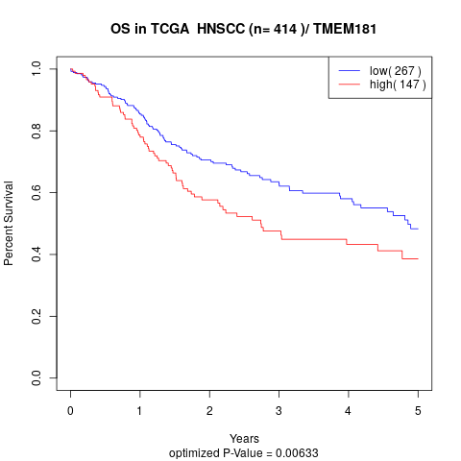

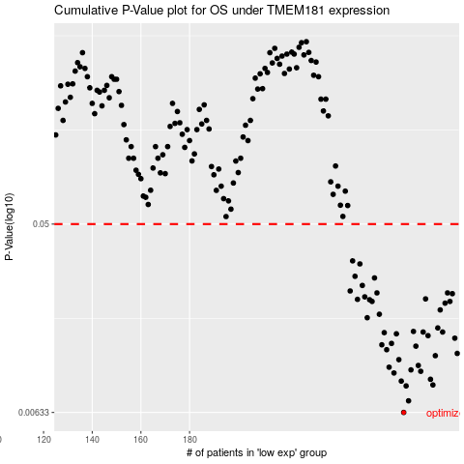

 |  |  |  |  |  | cases_OS | p_OS | rank | exp
 |  |  |  |  |  | 268 | 0.00633 | 180 | 0.2329686782
 |  |  |  |  |  | 270 | 0.00719 | 385 | 0.23946493217
 |  |  |  |  |  | 269 | 0.00847 | 386 | 0.23433288924
 |  |  |  |  |  | 280 | 0.00856 | 258 | 0.30765488392
 |  |  |  |  |  | 267 | 0.00893 | 49 | 0.22156034889
 |  |  |  |  |  | 279 | 0.00911 | 259 | 0.302199642
 |  |  |  |  |  | 264 | 0.00976 | 108 | 0.20843256431
 |  |  |  |  |  | 275 | 0.00994 | 257 | 0.27983367659
 |  |  |  |  |  | 271 | 0.0101 | 201 | 0.24233938893
 |  |  |  |  |  | 262 | 0.0104 | 202 | 0.20396477314
 |  |  |  |  |  | 274 | 0.0106 | 27 | 0.27162483419
 |  |  |  |  |  | 266 | 0.0113 | 17 | 0.21436940019
 |  |  |  |  |  | 281 | 0.0118 | 263 | 0.31603516828
 |  |  |  |  |  | 290 | 0.0121 | 229 | 0.36551276817
 |  |  |  |  |  | 261 | 0.0126 | 382 | 0.19847336589
 |  |  |  |  |  | 273 | 0.0131 | 162 | 0.25028752053
 |  |  |  |  |  | 259 | 0.0133 | 278 | 0.19021256444
 |  |  |  |  |  | 263 | 0.0135 | 166 | 0.20519508092
 |  |  |  |  |  | 289 | 0.0143 | 312 | 0.35333787127
 |  |  |  |  |  | 278 | 0.0147 | 362 | 0.30164045281
 |  |  |  |  |  | 265 | 0.015 | 126 | 0.20883610526
 |  |  |  |  |  | 260 | 0.0152 | 340 | 0.19239667548
 |  |  |  |  |  | 276 | 0.0153 | 113 | 0.29113328103
 |  |  |  |  |  | 284 | 0.0153 | 125 | 0.33455433322
 |  |  |  |  |  | 272 | 0.0154 | 360 | 0.24730204995
 |  |  |  |  |  | 282 | 0.016 | 118 | 0.32070507327
 |  |  |  |  |  | 253 | 0.0179 | 267 | 0.17021519902
 |  |  |  |  |  | 258 | 0.0186 | 122 | 0.18251301224
 |  |  |  |  |  | 283 | 0.0195 | 158 | 0.33238166691
 |  |  |  |  |  | 285 | 0.021 | 226 | 0.33530579377
 |  |  |  |  |  | 255 | 0.0214 | 143 | 0.17106187966
 |  |  |  |  |  | 287 | 0.0214 | 254 | 0.34811541503
 |  |  |  |  |  | 254 | 0.0218 | 13 | 0.17057456333
 |  |  |  |  |  | 249 | 0.0219 | 370 | 0.15022172479
 |  |  |  |  |  | 277 | 0.022 | 32 | 0.29225783957
 |  |  |  |  |  | 252 | 0.0225 | 160 | 0.16949898822
 |  |  |  |  |  | 288 | 0.0233 | 131 | 0.35056069466
 |  |  |  |  |  | 257 | 0.0235 | 31 | 0.1776629673
 |  |  |  |  |  | 286 | 0.0235 | 146 | 0.34626274318
 |  |  |  |  |  | 246 | 0.024 | 199 | 0.10993469569
 |  |  |  |  |  | 251 | 0.0255 | 24 | 0.16039768627
 |  |  |  |  |  | 256 | 0.0277 | 269 | 0.17605635701
 |  |  |  |  |  | 248 | 0.0282 | 402 | 0.14992416198
 |  |  |  |  |  | 250 | 0.0323 | 233 | 0.15098005217
 |  |  |  |  |  | 247 | 0.0334 | 156 | 0.12886426842
 |  |  |  |  |  |  | cases_RFS | p_RFS | rank | exp
 |  |  |  |  |  |  | 267 | 0.00633 | 49 | 0.22156034889
 |  |  |  |  |  |  | 269 | 0.00719 | 386 | 0.23433288924
 |  |  |  |  |  |  | 268 | 0.00847 | 180 | 0.2329686782
 |  |  |  |  |  |  | 279 | 0.00856 | 259 | 0.302199642
 |  |  |  |  |  |  | 266 | 0.00893 | 17 | 0.21436940019
 |  |  |  |  |  |  | 278 | 0.00911 | 362 | 0.30164045281
 |  |  |  |  |  |  | 263 | 0.00976 | 166 | 0.20519508092
 |  |  |  |  |  |  | 274 | 0.00994 | 27 | 0.27162483419
 |  |  |  |  |  |  | 270 | 0.0101 | 385 | 0.23946493217
 |  |  |  |  |  |  | 261 | 0.0104 | 382 | 0.19847336589
 |  |  |  |  |  |  | 273 | 0.0106 | 162 | 0.25028752053
 |  |  |  |  |  |  | 265 | 0.0113 | 126 | 0.20883610526
 |  |  |  |  |  |  | 280 | 0.0118 | 258 | 0.30765488392
 |  |  |  |  |  |  | 289 | 0.0121 | 312 | 0.35333787127
 |  |  |  |  |  |  | 260 | 0.0126 | 340 | 0.19239667548
 |  |  |  |  |  |  | 272 | 0.0131 | 360 | 0.24730204995
 |  |  |  |  |  |  | 258 | 0.0133 | 122 | 0.18251301224
 |  |  |  |  |  |  | 262 | 0.0135 | 202 | 0.20396477314
 |  |  |  |  |  |  | 288 | 0.0143 | 131 | 0.35056069466
 |  |  |  |  |  |  | 277 | 0.0147 | 32 | 0.29225783957
 |  |  |  |  |  |  | 264 | 0.015 | 108 | 0.20843256431
 |  |  |  |  |  |  | 259 | 0.0152 | 278 | 0.19021256444
 |  |  |  |  |  |  | 283 | 0.0153 | 158 | 0.33238166691
 |  |  |  |  |  |  | 275 | 0.0153 | 257 | 0.27983367659
 |  |  |  |  |  |  | 271 | 0.0154 | 201 | 0.24233938893
 |  |  |  |  |  |  | 281 | 0.016 | 263 | 0.31603516828
 |  |  |  |  |  |  | 252 | 0.0179 | 160 | 0.16949898822
 |  |  |  |  |  |  | 257 | 0.0186 | 31 | 0.1776629673
 |  |  |  |  |  |  | 282 | 0.0195 | 118 | 0.32070507327
 |  |  |  |  |  |  | 284 | 0.021 | 125 | 0.33455433322
 |  |  |  |  |  |  | 254 | 0.0214 | 13 | 0.17057456333
 |  |  |  |  |  |  | 286 | 0.0214 | 146 | 0.34626274318
 |  |  |  |  |  |  | 253 | 0.0218 | 267 | 0.17021519902
 |  |  |  |  |  |  | 248 | 0.0219 | 402 | 0.14992416198
 |  |  |  |  |  |  | 276 | 0.022 | 113 | 0.29113328103
 |  |  |  |  |  |  | 251 | 0.0225 | 24 | 0.16039768627
 |  |  |  |  |  |  | 287 | 0.0233 | 254 | 0.34811541503
 |  |  |  |  |  |  | 285 | 0.0235 | 226 | 0.33530579377
 |  |  |  |  |  |  | 256 | 0.0235 | 269 | 0.17605635701
 |  |  |  |  |  |  | 245 | 0.024 | 271 | 0.10976806052
 |  |  |  |  |  |  | 250 | 0.0255 | 233 | 0.15098005217
 |  |  |  |  |  |  | 255 | 0.0277 | 143 | 0.17106187966
 |  |  |  |  |  |  | 247 | 0.0282 | 156 | 0.12886426842
 |  |  |  |  |  |  | 249 | 0.0323 | 370 | 0.15022172479
 |  |  |  |  |  |  | 246 | 0.0334 | 199 | 0.10993469569

