TMEM183A _multivariate
Reported by Tex Li-Hsing Chi. tex@gate.sinica.edu.tw 2019-08-15

Table 2. The clinicopathological features of HNSCC cohort and TMEM183A expression. (Chi square test)
Cutoff at -0.297 (49.8%)
 |  | TMEM183A expression |  | TMEM183A expression |  | (Optimised)
 | Features | Low | (%) | High | (%) | Case no | P-value | Remark | Matthews
Gender | Female | 145 | 34.9 | 161 | 38.8 | 415 | 0.1116 | 0 | 0
2 | Male | 62 | 14.9 | 47 | 11.3
Age at diagnosis | <=65y | 138 | 33.3 | 136 | 32.8 | 415 | 0.8634 | 0 | 0
4 | >65y | 69 | 16.6 | 72 | 17.3
Clinical T Status | T1+T2 | 77 | 18.6 | 72 | 17.3 | 415 | 0.6556 | 0 | 0
6 | T3+T4 | 130 | 31.3 | 136 | 32.8
Clinical N Status | N0 | 115 | 27.7 | 101 | 24.3 | 415 | 0.184 | 1 | 0
8 | N1-3 | 92 | 22.2 | 107 | 25.8
Clinical M Status | M0 | 205 | 49.4 | 207 | 49.9 | 415 | 0.6232 | 0 | 0
10 | M1 | 2 | 0.5 | 1 | 0.2
Clinical Stage | Stage I+II | 58 | 14 | 44 | 10.6 | 415 | 0.131 | 0 | 0
12 | Stage III+IV | 149 | 35.9 | 164 | 39.5
Surgical Margin status | Negative | 160 | 38.6 | 158 | 38.1 | 415 | 0.8167 | 0 | 0
14 | Positive | 47 | 11.3 | 50 | 12
Tobacco Exposure | Low | 88 | 21.2 | 73 | 17.6 | 415 | 0.1314 | 0 | 0
16 | High | 119 | 28.7 | 135 | 32.5

Table 3. Univariate/Multivariate Cox's proportional hazards regression analyses on OS time of TMEM183A gene expression in HNSCC

 |  | Univariate |  |  |  | Multivariate
 | Features | HR | CI95%(L) | CI95%(H) | P-value | HR | CI95%(L) | CI95%(H) | P-value
1 | Female | 1 |  |  |  | 1
Gender | Male | 1.157 | 0.843 | 1.587 | 0.367 | 1.198 | 0.857 | 1.674 | 0.29
11 | <=65y | 1 |  |  |  | 1
Age at diagnosis | >65y | 1.329 | 0.99 | 1.784 | 0.058 | 1.398 | 1.027 | 1.904 | 0.033
12 | T1+T2 | 1 |  |  |  | 1
Clinical T Status | T3+T4 | 1.409 | 1.028 | 1.931 | 0.033 | 2.164 | 1.143 | 4.096 | 0.018
13 | N0 | 1 |  |  |  | 1
Clinical N Status | N1-3 | 1.185 | 0.89 | 1.577 | 0.246 | 1.276 | 0.893 | 1.822 | 0.18
14 | M0 | 1 |  |  |  | 1
Clinical M Status | M1 | 4.097 | 1.009 | 16.644 | 0.049 | 8.846 | 1.927 | 40.62 | 0.005
15 | Stage I+II | 1 |  |  |  | 1
Clinical Stage | Stage III+IV | 1.245 | 0.882 | 1.759 | 0.213 | 0.524 | 0.244 | 1.127 | 0.098
16 | Negative | 1 |  |  |  | 1
Surgical Margin status | Positive | 1.591 | 1.155 | 2.191 | 0.004 | 1.693 | 1.224 | 2.341 | 0.001
17 | Low | 1 |  |  |  | 1
Tobacco Exposure | High | 1.364 | 1.008 | 1.844 | 0.044 | 1.515 | 1.094 | 2.099 | 0.012
18 | Low | 1 |  |  |  | 1
RNAseq(z-score) | High | 0.826 | 0.619 | 1.101 | 0.192 | 0.756 | 0.562 | 1.018 | 0.065

Table 4. Univariate/Multivariate Cox's proportional hazards regression analyses on RFS time of TMEM183A gene expression in HNSCC

 |  | Univariate |  |  |  | Multivariate
 | Features | HR | CI95%(L) | CI95%(H) | P-value | HR | CI95%(L) | CI95%(H) | P-value
1 | Female | 1 |  |  |  | 1
Gender | Male | 1.157 | 0.843 | 1.587 | 0.367 | 1.198 | 0.857 | 1.674 | 0.29
11 | <=65y | 1 |  |  |  | 1
Age at diagnosis | >65y | 1.329 | 0.99 | 1.784 | 0.058 | 1.398 | 1.027 | 1.904 | 0.033
12 | T1+T2 | 1 |  |  |  | 1
Clinical T Status | T3+T4 | 1.409 | 1.028 | 1.931 | 0.033 | 2.164 | 1.143 | 4.096 | 0.018
13 | N0 | 1 |  |  |  | 1
Clinical N Status | N1-3 | 1.185 | 0.89 | 1.577 | 0.246 | 1.276 | 0.893 | 1.822 | 0.18
14 | M0 | 1 |  |  |  | 1
Clinical M Status | M1 | 4.097 | 1.009 | 16.644 | 0.049 | 8.846 | 1.927 | 40.62 | 0.005
15 | Stage I+II | 1 |  |  |  | 1
Clinical Stage | Stage III+IV | 1.245 | 0.882 | 1.759 | 0.213 | 0.524 | 0.244 | 1.127 | 0.098
16 | Negative | 1 |  |  |  | 1
Surgical Margin status | Positive | 1.591 | 1.155 | 2.191 | 0.004 | 1.693 | 1.224 | 2.341 | 0.001
17 | Low | 1 |  |  |  | 1
Tobacco Exposure | High | 1.364 | 1.008 | 1.844 | 0.044 | 1.515 | 1.094 | 2.099 | 0.012
18 | Low | 1 |  |  |  | 1
RNAseq(z-score) | High | 0.826 | 0.619 | 1.101 | 0.192 | 0.756 | 0.562 | 1.018 | 0.065

Kaplan-Meier survival estimate: Cutoff at -0.297 (49.8%)



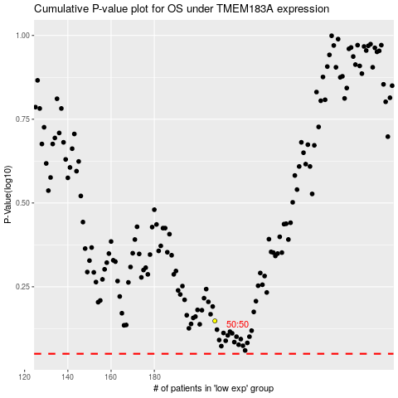

 |  |  |  |  |  | cases_OS | p_OS | rank | exp
 |  |  |  |  |  |  | cases_RFS | p_RFS | rank | exp

