TMEM184A _multivariate
Reported by Tex Li-Hsing Chi. tex@gate.sinica.edu.tw 2019-08-15

Table 2. The clinicopathological features of HNSCC cohort and TMEM184A expression. (Chi square test)
Cutoff at -0.332 (50.0%)
 |  | TMEM184A expression |  | TMEM184A expression |  | (Optimised)
 | Features | Low | (%) | High | (%) | Case no | P-value | Remark | Matthews
Gender | Female | 157 | 37.8 | 149 | 35.9 | 415 | 0.3881 | 0 | 0
2 | Male | 50 | 12 | 59 | 14.2
Age at diagnosis | <=65y | 136 | 32.8 | 138 | 33.3 | 415 | 0.9719 | 0 | 0
4 | >65y | 71 | 17.1 | 70 | 16.9
Clinical T Status | T1+T2 | 79 | 19 | 70 | 16.9 | 415 | 0.3924 | 0 | 0
6 | T3+T4 | 128 | 30.8 | 138 | 33.3
Clinical N Status | N0 | 100 | 24.1 | 116 | 28 | 415 | 0.1548 | 0 | 0
8 | N1-3 | 107 | 25.8 | 92 | 22.2
Clinical M Status | M0 | 207 | 49.9 | 205 | 49.4 | 415 | 0.2482 | 0 | 0
10 | M1 | 0 | 0 | 3 | 0.7
Clinical Stage | Stage I+II | 52 | 12.5 | 50 | 12 | 415 | 0.8871 | 0 | 0
12 | Stage III+IV | 155 | 37.3 | 158 | 38.1
Surgical Margin status | Negative | 156 | 37.6 | 162 | 39 | 415 | 0.5636 | 0 | 0
14 | Positive | 51 | 12.3 | 46 | 11.1
Tobacco Exposure | Low | 71 | 17.1 | 90 | 21.7 | 415 | 0.0698 | 0 | 0
16 | High | 136 | 32.8 | 118 | 28.4

Table 3. Univariate/Multivariate Cox's proportional hazards regression analyses on OS time of TMEM184A gene expression in HNSCC

 |  | Univariate |  |  |  | Multivariate
 | Features | HR | CI95%(L) | CI95%(H) | P-value | HR | CI95%(L) | CI95%(H) | P-value
1 | Female | 1 |  |  |  | 1
Gender | Male | 1.157 | 0.843 | 1.587 | 0.367 | 1.245 | 0.891 | 1.74 | 0.2
11 | <=65y | 1 |  |  |  | 1
Age at diagnosis | >65y | 1.329 | 0.99 | 1.784 | 0.058 | 1.397 | 1.027 | 1.901 | 0.033
12 | T1+T2 | 1 |  |  |  | 1
Clinical T Status | T3+T4 | 1.409 | 1.028 | 1.931 | 0.033 | 2.253 | 1.19 | 4.263 | 0.013
13 | N0 | 1 |  |  |  | 1
Clinical N Status | N1-3 | 1.185 | 0.89 | 1.577 | 0.246 | 1.217 | 0.853 | 1.738 | 0.279
14 | M0 | 1 |  |  |  | 1
Clinical M Status | M1 | 4.097 | 1.009 | 16.644 | 0.049 | 11.229 | 2.417 | 52.176 | 0.002
15 | Stage I+II | 1 |  |  |  | 1
Clinical Stage | Stage III+IV | 1.245 | 0.882 | 1.759 | 0.213 | 0.507 | 0.236 | 1.088 | 0.081
16 | Negative | 1 |  |  |  | 1
Surgical Margin status | Positive | 1.591 | 1.155 | 2.191 | 0.004 | 1.683 | 1.217 | 2.326 | 0.002
17 | Low | 1 |  |  |  | 1
Tobacco Exposure | High | 1.364 | 1.008 | 1.844 | 0.044 | 1.447 | 1.051 | 1.993 | 0.024
18 | Low | 1 |  |  |  | 1
RNAseq(z-score) | High | 0.81 | 0.608 | 1.08 | 0.151 | 0.764 | 0.57 | 1.024 | 0.072

Table 4. Univariate/Multivariate Cox's proportional hazards regression analyses on RFS time of TMEM184A gene expression in HNSCC

 |  | Univariate |  |  |  | Multivariate
 | Features | HR | CI95%(L) | CI95%(H) | P-value | HR | CI95%(L) | CI95%(H) | P-value
1 | Female | 1 |  |  |  | 1
Gender | Male | 1.157 | 0.843 | 1.587 | 0.367 | 1.245 | 0.891 | 1.74 | 0.2
11 | <=65y | 1 |  |  |  | 1
Age at diagnosis | >65y | 1.329 | 0.99 | 1.784 | 0.058 | 1.397 | 1.027 | 1.901 | 0.033
12 | T1+T2 | 1 |  |  |  | 1
Clinical T Status | T3+T4 | 1.409 | 1.028 | 1.931 | 0.033 | 2.253 | 1.19 | 4.263 | 0.013
13 | N0 | 1 |  |  |  | 1
Clinical N Status | N1-3 | 1.185 | 0.89 | 1.577 | 0.246 | 1.217 | 0.853 | 1.738 | 0.279
14 | M0 | 1 |  |  |  | 1
Clinical M Status | M1 | 4.097 | 1.009 | 16.644 | 0.049 | 11.229 | 2.417 | 52.176 | 0.002
15 | Stage I+II | 1 |  |  |  | 1
Clinical Stage | Stage III+IV | 1.245 | 0.882 | 1.759 | 0.213 | 0.507 | 0.236 | 1.088 | 0.081
16 | Negative | 1 |  |  |  | 1
Surgical Margin status | Positive | 1.591 | 1.155 | 2.191 | 0.004 | 1.683 | 1.217 | 2.326 | 0.002
17 | Low | 1 |  |  |  | 1
Tobacco Exposure | High | 1.364 | 1.008 | 1.844 | 0.044 | 1.447 | 1.051 | 1.993 | 0.024
18 | Low | 1 |  |  |  | 1
RNAseq(z-score) | High | 0.81 | 0.608 | 1.08 | 0.151 | 0.764 | 0.57 | 1.024 | 0.072

Kaplan-Meier survival estimate: Cutoff at -0.332 (50.0%)



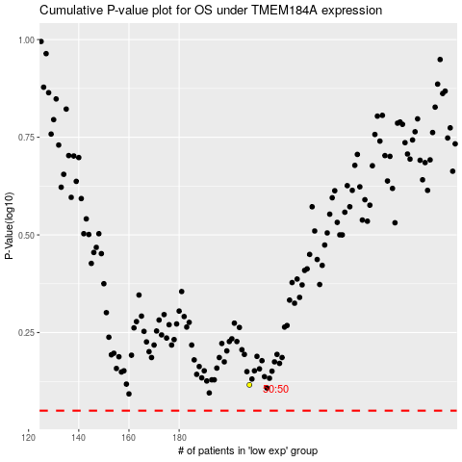

 |  |  |  |  |  | cases_OS | p_OS | rank | exp
 |  |  |  |  |  |  | cases_RFS | p_RFS | rank | exp

