TMEM184C _multivariate
Reported by Tex Li-Hsing Chi. tex@gate.sinica.edu.tw 2019-08-15

Table 2. The clinicopathological features of HNSCC cohort and TMEM184C expression. (Chi square test)
Cutoff at -0.037 (49.8%)
 |  | TMEM184C expression |  | TMEM184C expression |  | (Optimised)
 | Features | Low | (%) | High | (%) | Case no | P-value | Remark | Matthews
Gender | Female | 150 | 36.1 | 156 | 37.6 | 415 | 0.6344 | 0 | 0
2 | Male | 57 | 13.7 | 52 | 12.5
Age at diagnosis | <=65y | 134 | 32.3 | 140 | 33.7 | 415 | 0.6529 | 0 | 0
4 | >65y | 73 | 17.6 | 68 | 16.4
Clinical T Status | T1+T2 | 75 | 18.1 | 74 | 17.8 | 415 | 0.9707 | 0 | 0
6 | T3+T4 | 132 | 31.8 | 134 | 32.3
Clinical N Status | N0 | 106 | 25.5 | 110 | 26.5 | 415 | 0.8075 | 0 | 0
8 | N1-3 | 101 | 24.3 | 98 | 23.6
Clinical M Status | M0 | 204 | 49.2 | 208 | 50.1 | 415 | 0.1232 | 0 | 0
10 | M1 | 3 | 0.7 | 0 | 0
Clinical Stage | Stage I+II | 50 | 12 | 52 | 12.5 | 415 | 0.9315 | 0 | 0
12 | Stage III+IV | 157 | 37.8 | 156 | 37.6
Surgical Margin status | Negative | 156 | 37.6 | 162 | 39 | 415 | 0.5636 | 0 | 0
14 | Positive | 51 | 12.3 | 46 | 11.1
Tobacco Exposure | Low | 85 | 20.5 | 76 | 18.3 | 415 | 0.3655 | 0 | 0
16 | High | 122 | 29.4 | 132 | 31.8

Table 3. Univariate/Multivariate Cox's proportional hazards regression analyses on OS time of TMEM184C gene expression in HNSCC

 |  | Univariate |  |  |  | Multivariate
 | Features | HR | CI95%(L) | CI95%(H) | P-value | HR | CI95%(L) | CI95%(H) | P-value
1 | Female | 1 |  |  |  | 1
Gender | Male | 1.157 | 0.843 | 1.587 | 0.367 | 1.208 | 0.865 | 1.687 | 0.267
11 | <=65y | 1 |  |  |  | 1
Age at diagnosis | >65y | 1.329 | 0.99 | 1.784 | 0.058 | 1.403 | 1.031 | 1.908 | 0.031
12 | T1+T2 | 1 |  |  |  | 1
Clinical T Status | T3+T4 | 1.409 | 1.028 | 1.931 | 0.033 | 2.262 | 1.195 | 4.284 | 0.012
13 | N0 | 1 |  |  |  | 1
Clinical N Status | N1-3 | 1.185 | 0.89 | 1.577 | 0.246 | 1.264 | 0.885 | 1.805 | 0.198
14 | M0 | 1 |  |  |  | 1
Clinical M Status | M1 | 4.097 | 1.009 | 16.644 | 0.049 | 10.632 | 2.291 | 49.355 | 0.003
15 | Stage I+II | 1 |  |  |  | 1
Clinical Stage | Stage III+IV | 1.245 | 0.882 | 1.759 | 0.213 | 0.487 | 0.226 | 1.048 | 0.066
16 | Negative | 1 |  |  |  | 1
Surgical Margin status | Positive | 1.591 | 1.155 | 2.191 | 0.004 | 1.711 | 1.236 | 2.37 | 0.001
17 | Low | 1 |  |  |  | 1
Tobacco Exposure | High | 1.364 | 1.008 | 1.844 | 0.044 | 1.453 | 1.054 | 2.001 | 0.022
18 | Low | 1 |  |  |  | 1
RNAseq(z-score) | High | 1.099 | 0.822 | 1.469 | 0.523 | 1.213 | 0.903 | 1.63 | 0.2

Table 4. Univariate/Multivariate Cox's proportional hazards regression analyses on RFS time of TMEM184C gene expression in HNSCC

 |  | Univariate |  |  |  | Multivariate
 | Features | HR | CI95%(L) | CI95%(H) | P-value | HR | CI95%(L) | CI95%(H) | P-value
1 | Female | 1 |  |  |  | 1
Gender | Male | 1.157 | 0.843 | 1.587 | 0.367 | 1.208 | 0.865 | 1.687 | 0.267
11 | <=65y | 1 |  |  |  | 1
Age at diagnosis | >65y | 1.329 | 0.99 | 1.784 | 0.058 | 1.403 | 1.031 | 1.908 | 0.031
12 | T1+T2 | 1 |  |  |  | 1
Clinical T Status | T3+T4 | 1.409 | 1.028 | 1.931 | 0.033 | 2.262 | 1.195 | 4.284 | 0.012
13 | N0 | 1 |  |  |  | 1
Clinical N Status | N1-3 | 1.185 | 0.89 | 1.577 | 0.246 | 1.264 | 0.885 | 1.805 | 0.198
14 | M0 | 1 |  |  |  | 1
Clinical M Status | M1 | 4.097 | 1.009 | 16.644 | 0.049 | 10.632 | 2.291 | 49.355 | 0.003
15 | Stage I+II | 1 |  |  |  | 1
Clinical Stage | Stage III+IV | 1.245 | 0.882 | 1.759 | 0.213 | 0.487 | 0.226 | 1.048 | 0.066
16 | Negative | 1 |  |  |  | 1
Surgical Margin status | Positive | 1.591 | 1.155 | 2.191 | 0.004 | 1.711 | 1.236 | 2.37 | 0.001
17 | Low | 1 |  |  |  | 1
Tobacco Exposure | High | 1.364 | 1.008 | 1.844 | 0.044 | 1.453 | 1.054 | 2.001 | 0.022
18 | Low | 1 |  |  |  | 1
RNAseq(z-score) | High | 1.099 | 0.822 | 1.469 | 0.523 | 1.213 | 0.903 | 1.63 | 0.2

Kaplan-Meier survival estimate: Cutoff at -0.037 (49.8%)



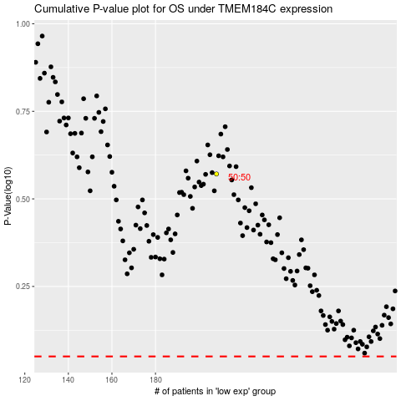

 |  |  |  |  |  | cases_OS | p_OS | rank | exp
 |  |  |  |  |  |  | cases_RFS | p_RFS | rank | exp

