TMEM186 _multivariate
Reported by Tex Li-Hsing Chi. tex@gate.sinica.edu.tw 2019-08-15

Table 2. The clinicopathological features of HNSCC cohort and TMEM186 expression. (Chi square test)
Cutoff at -0.213 (50.0%)
 |  | TMEM186 expression |  | TMEM186 expression |  | (Optimised)
 | Features | Low | (%) | High | (%) | Case no | P-value | Remark | Matthews
Gender | Female | 139 | 33.5 | 167 | 40.2 | 415 | 0.0034 | 1 | 0
2 | Male | 68 | 16.4 | 41 | 9.9
Age at diagnosis | <=65y | 127 | 30.6 | 147 | 35.4 | 415 | 0.0573 | 0 | 0
4 | >65y | 80 | 19.3 | 61 | 14.7
Clinical T Status | T1+T2 | 83 | 20 | 66 | 15.9 | 415 | 0.0941 | 0 | 0
6 | T3+T4 | 124 | 29.9 | 142 | 34.2
Clinical N Status | N0 | 120 | 28.9 | 96 | 23.1 | 415 | 0.0208 | 1 | 0
8 | N1-3 | 87 | 21 | 112 | 27
Clinical M Status | M0 | 207 | 49.9 | 205 | 49.4 | 415 | 0.2482 | 0 | 0
10 | M1 | 0 | 0 | 3 | 0.7
Clinical Stage | Stage I+II | 64 | 15.4 | 38 | 9.2 | 415 | 0.004 | 1 | 0
12 | Stage III+IV | 143 | 34.5 | 170 | 41
Surgical Margin status | Negative | 167 | 40.2 | 151 | 36.4 | 415 | 0.0632 | 0 | 0
14 | Positive | 40 | 9.6 | 57 | 13.7
Tobacco Exposure | Low | 98 | 23.6 | 63 | 15.2 | 415 | 4e-04 | 1 | 0
16 | High | 109 | 26.3 | 145 | 34.9

Table 3. Univariate/Multivariate Cox's proportional hazards regression analyses on OS time of TMEM186 gene expression in HNSCC

 |  | Univariate |  |  |  | Multivariate
 | Features | HR | CI95%(L) | CI95%(H) | P-value | HR | CI95%(L) | CI95%(H) | P-value
1 | Female | 1 |  |  |  | 1
Gender | Male | 1.157 | 0.843 | 1.587 | 0.367 | 1.202 | 0.86 | 1.68 | 0.28
11 | <=65y | 1 |  |  |  | 1
Age at diagnosis | >65y | 1.329 | 0.99 | 1.784 | 0.058 | 1.392 | 1.024 | 1.892 | 0.035
12 | T1+T2 | 1 |  |  |  | 1
Clinical T Status | T3+T4 | 1.409 | 1.028 | 1.931 | 0.033 | 2.205 | 1.166 | 4.172 | 0.015
13 | N0 | 1 |  |  |  | 1
Clinical N Status | N1-3 | 1.185 | 0.89 | 1.577 | 0.246 | 1.242 | 0.87 | 1.773 | 0.233
14 | M0 | 1 |  |  |  | 1
Clinical M Status | M1 | 4.097 | 1.009 | 16.644 | 0.049 | 9.339 | 2.026 | 43.047 | 0.004
15 | Stage I+II | 1 |  |  |  | 1
Clinical Stage | Stage III+IV | 1.245 | 0.882 | 1.759 | 0.213 | 0.502 | 0.233 | 1.083 | 0.079
16 | Negative | 1 |  |  |  | 1
Surgical Margin status | Positive | 1.591 | 1.155 | 2.191 | 0.004 | 1.668 | 1.204 | 2.31 | 0.002
17 | Low | 1 |  |  |  | 1
Tobacco Exposure | High | 1.364 | 1.008 | 1.844 | 0.044 | 1.449 | 1.046 | 2.006 | 0.026
18 | Low | 1 |  |  |  | 1
RNAseq(z-score) | High | 1.125 | 0.843 | 1.5 | 0.424 | 1.017 | 0.753 | 1.373 | 0.914

Table 4. Univariate/Multivariate Cox's proportional hazards regression analyses on RFS time of TMEM186 gene expression in HNSCC

 |  | Univariate |  |  |  | Multivariate
 | Features | HR | CI95%(L) | CI95%(H) | P-value | HR | CI95%(L) | CI95%(H) | P-value
1 | Female | 1 |  |  |  | 1
Gender | Male | 1.157 | 0.843 | 1.587 | 0.367 | 1.202 | 0.86 | 1.68 | 0.28
11 | <=65y | 1 |  |  |  | 1
Age at diagnosis | >65y | 1.329 | 0.99 | 1.784 | 0.058 | 1.392 | 1.024 | 1.892 | 0.035
12 | T1+T2 | 1 |  |  |  | 1
Clinical T Status | T3+T4 | 1.409 | 1.028 | 1.931 | 0.033 | 2.205 | 1.166 | 4.172 | 0.015
13 | N0 | 1 |  |  |  | 1
Clinical N Status | N1-3 | 1.185 | 0.89 | 1.577 | 0.246 | 1.242 | 0.87 | 1.773 | 0.233
14 | M0 | 1 |  |  |  | 1
Clinical M Status | M1 | 4.097 | 1.009 | 16.644 | 0.049 | 9.339 | 2.026 | 43.047 | 0.004
15 | Stage I+II | 1 |  |  |  | 1
Clinical Stage | Stage III+IV | 1.245 | 0.882 | 1.759 | 0.213 | 0.502 | 0.233 | 1.083 | 0.079
16 | Negative | 1 |  |  |  | 1
Surgical Margin status | Positive | 1.591 | 1.155 | 2.191 | 0.004 | 1.668 | 1.204 | 2.31 | 0.002
17 | Low | 1 |  |  |  | 1
Tobacco Exposure | High | 1.364 | 1.008 | 1.844 | 0.044 | 1.449 | 1.046 | 2.006 | 0.026
18 | Low | 1 |  |  |  | 1
RNAseq(z-score) | High | 1.125 | 0.843 | 1.5 | 0.424 | 1.017 | 0.753 | 1.373 | 0.914

Kaplan-Meier survival estimate: Cutoff at -0.213 (50.0%)



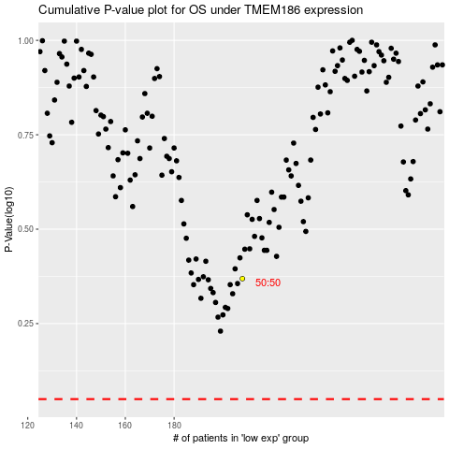

 |  |  |  |  |  | cases_OS | p_OS | rank | exp
 |  |  |  |  |  |  | cases_RFS | p_RFS | rank | exp

